Start Up Kit
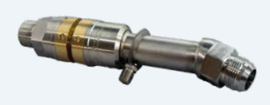
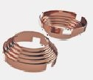
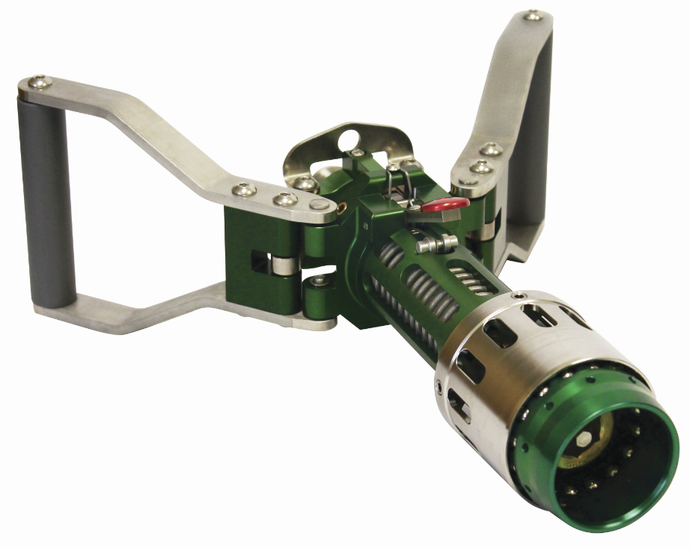
Dispenser Startup Kit - 2021
 |  |  | Click on the picture for detailed information
 | Part Nr. | Recommended Qty
Filling Line: 1”
Break Away Coupling 1” for the Filling Line | 13740-2 | 1
Copper Cone Seal for connecting the Flexible Filling Line 1” | 10719-16 | 1
Flexible Filling Line 1” with length 3,6 mtr, with Armor | CHS-8-514-514-144MXS | 1
Copper Cone Seal for the connection to the Filling Nozzle | 10719-16 | 1
Fuelling Nozzle | CryoMac3-50M | 1

Spare Parts for the CryoMac3 Fuelling Nozzle:
Sleeve Assembly for CryoMac3 (sleeve, Nose piece, 16 balls, 6 guide pins & Rubberband) | 14103 | 1 | Click here for more info and pictures
Seat & Seal Assembly for the Filling Nozzle CryoMac3 | 14255 | 1
Seal replacement for the Filling Nozzle CryoMac3 | 14591 | 5
CryoMac3 Seal Repair Tool Kit | 14590 | 1
Poppet Assembly for CryoMac3 | 13960K | 1
Tool for poppet removal for CryoMac3 | T-2961 | 1
Copper Cone Seal for the connection to the Filling Nozzle | 10719-16 | 1

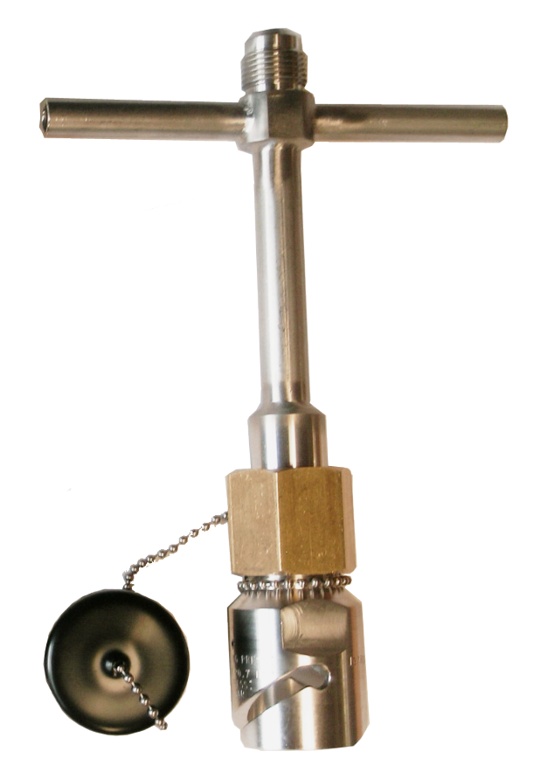
Gas Return Line: ½”
Break Away Coupling for the Gas Return Line 1" | 13740-2 | 1
Adapter 1” to ½” Gas Return line (5/8 SAE Male) | 12275 | 1
Copper Seal for the Flexible Gas Return Line ½” | 10719-10 | 1
Flexible Gas Return Line ½” with length of 3,6mtr, with Armor | CHS-4-440-440-144M | 1
Copper Seal for the connection to the Gas Vent Connector | 10719-10 | 1
Female Quick Disconnect Vent | 13785 | 1

Spare Parts for the Female Quick Disconnect Vent:
Seal kit for the Female Quick Disconnect Vent | 11093 | 1 | Click here for more info and pictures
Poppet Assembly for the Female Quick Disconnect Vent | 14535 | 1
Body Seal for the Female Quick Disconnect Vent | 11173 | 5
Vent Thread Ring Tool | T-1948 | 1
Copper Seal for the connection to the Gas Vent Connector | 10719-10 | 2

Dispenser
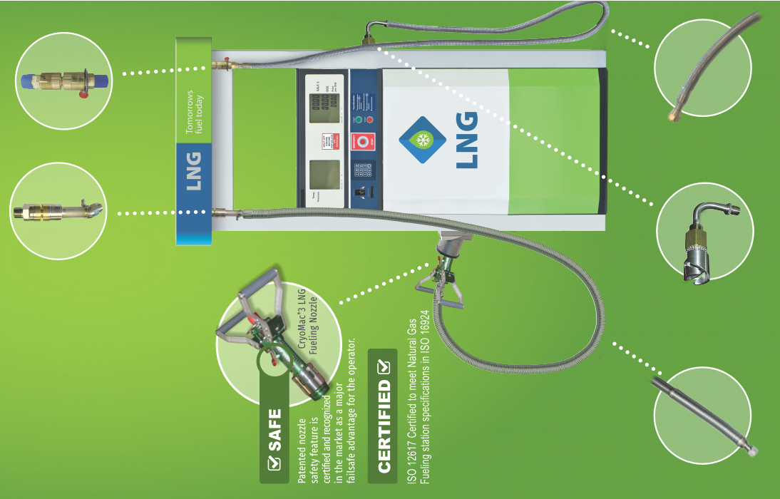
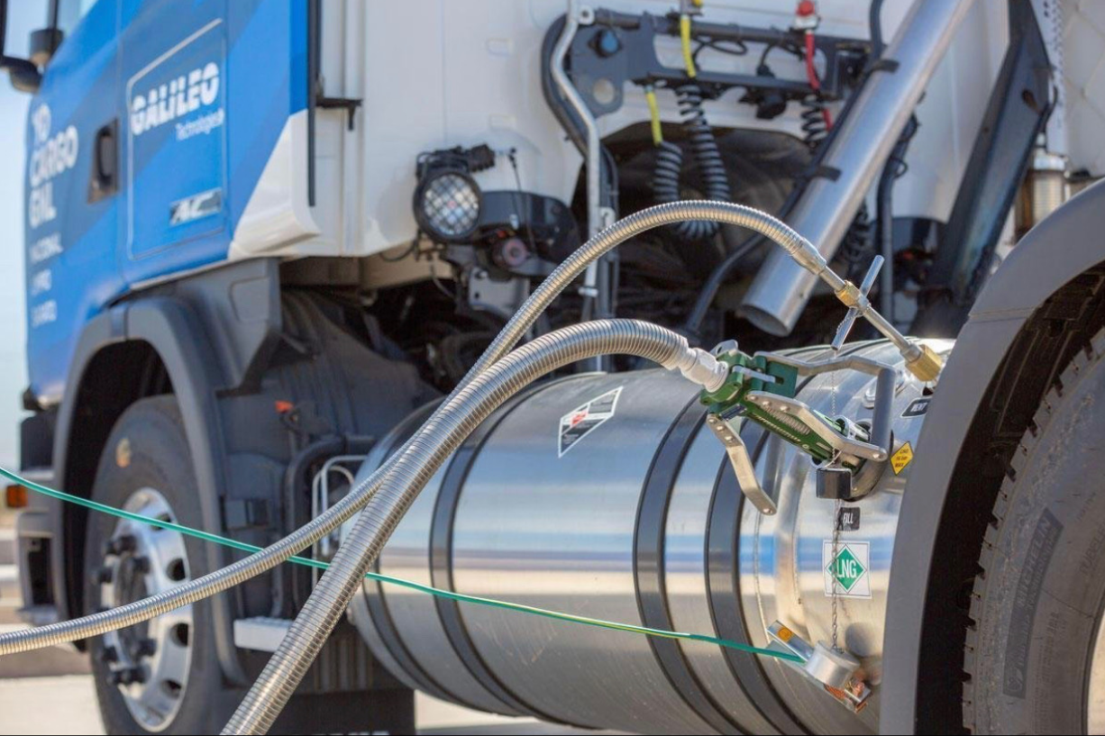

Spare Parts for Cryomac
Spare Parts for the CryoMac3 Fuelling Nozzle:

 | Part Nr. | Recommended Qty
Sleeve Assembly for CryoMac3 (sleeve, Nose piece, 16 balls, 6 guide pins & Rubberband) | 14103 | 1 | 14103
Seat & Seal Assembly for the Filling Nozzle CryoMac3 | 14255 | 1
Seal replacement for the Filling Nozzle CryoMac3 | 14591 | 5
CryoMac3 Seal Repair Tool Kit | 14590 | 1
Poppet Assembly for CryoMac3 | 13960K - Cryomac3-84 | 1
Tool for poppet removal for CryoMac3 | T-2961 | 1
Copper Cone Seal for the connection to the Filling Nozzle | 10719-16 | 2

Back to - Start Up Kit
 |  |  | 14255

 |  |  | 14591

 |  |  | 14590

 |  |  | 13960K

 |  |  | T-2961

 |  |  | 10719-16

Back to - Start Up Kit

Spare Parts Female Quick Discon
Spare Parts for the Female Quick Disconnect Vent

 | Part Nr. | Recommended Qty
Seal kit for the Female Quick Disconnect Vent | 11093 | 1 | 11093
Poppet Assembly for the Female Quick Disconnect Vent | 14535 | 1
Body Seal for the Female Quick Disconnect Vent | 11173 | 5
Vent Thread Ring Tool | T-1948 | 1
Copper Seal for the connection to the Gas Vent Connector | 10719-10 | 2

Back to - Start Up Kit
 |  |  | 14535

 |  |  | 11173

 |  |  | T-1948

 |  |  | 10719-10
Back to - Start Up Kit

Cryomac3-50
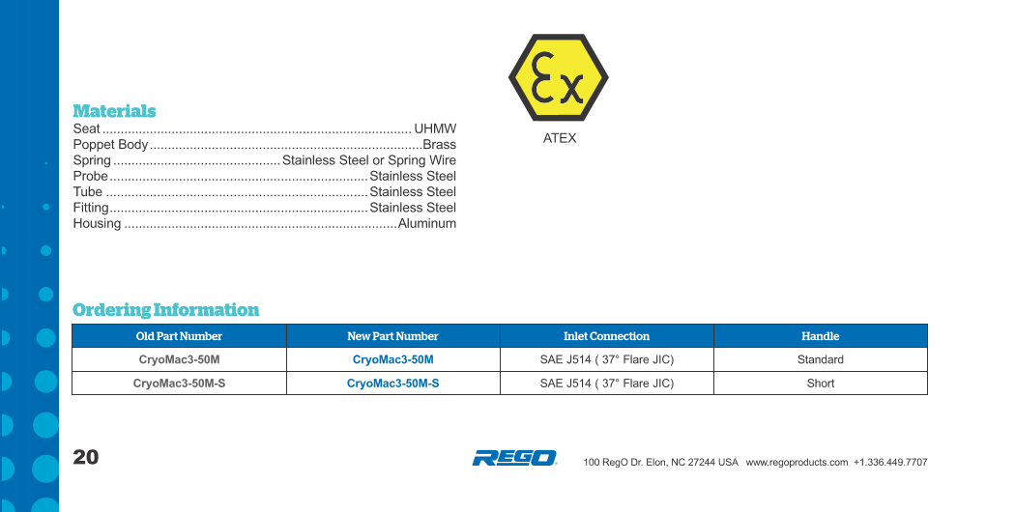
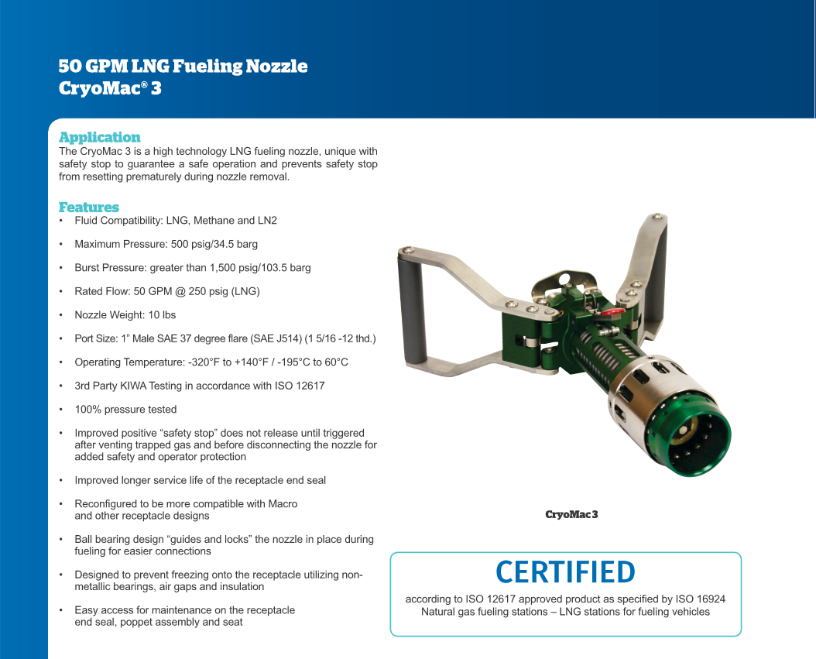
Back to - Start Up Kit

Break Away Coupling 1”
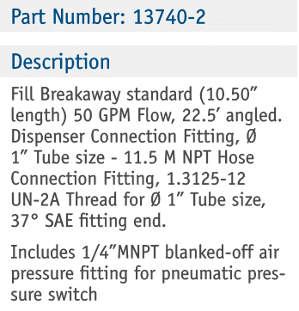
Back to - Start Up Kit
Break Away Coupling 1” for the Filling Line

Female Quick Disconnect
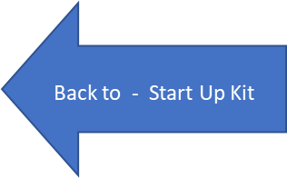

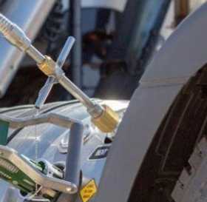

Copper Seals


1/2" Hose Connection | 10719-10

1" Hose Connection | 10719-16

0.5" Flexible Hoses
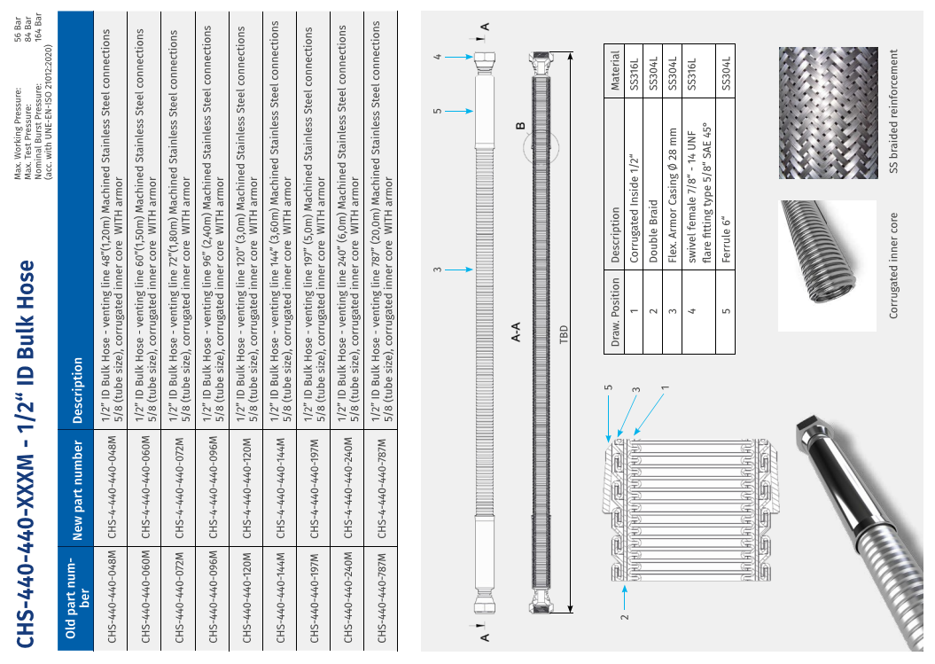

1" Flexible Hoses
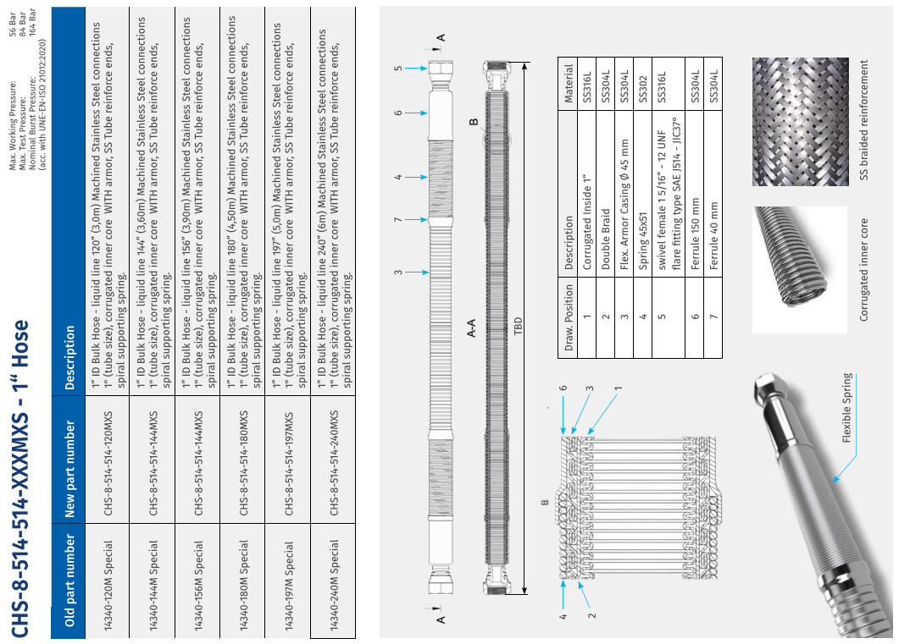

Adapters
Adapter for Flexible Hoses - 1/2" to 1"
Product Picture | RegO Part Nr. | Inlet / Outlet Connections
 | 12275 | 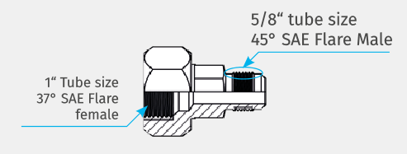 Connection to 1/2 Rego Flexible Hose: Male type 7/8" - 14UNF with Flare Fitting type: 5/8" SAE 45° ??? Outlet: Female type: 1" JIC ??? Flare Fitting type: 1" SAE 37° ???

