Overview
Overview RegO Check Valves
Version | 15-10-2020
 |  |  |  |  |  |  | PSI | Bar
Portfolio | Piston Check Valves - Swing Check Valves - Inline Check Valves - Bronze - Stainless Steel |  |  |  |  | Calculator from PSI to Bar | 1 | 0.068947448255

Style | Product Picture | Inlet Outlet | Pressure Range | Gas | Liquid | Cv value | Certification | Remarks

Piston Check Valve 9400 Series - 316 Stainless Steel Valve Body-Stem-Spring
CV9404BW | 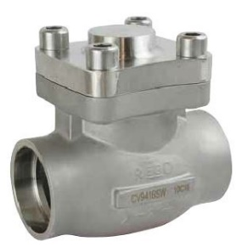 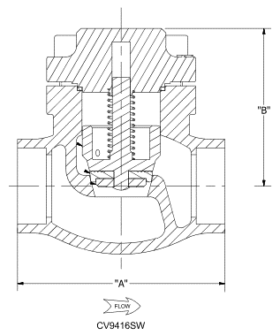 Click picture for detailed info | 1/2" Butt Weld | 50 Bar 720 PSIG Class 300 - PN50 | Oxygen Nitrogen Argon Krypton CO2 Natural Gas Ethane Ethylene Air N2O | Oxygen Nitrogen Argon Krypton CO2 Natural Gas Ethane Ethylene Air N2O | 5.0 | PED CE Marking | Cleaned and packaged for Oxygen Service per CGA G-4.1 Opening Pressure - 0,1 Barg 100% Factory Tested High CV - Conical Seat Design One piece Seat Assembly - Zero small pieces Easy to construct to SK Globe Valve Connection - Butt Weld / Socket Weld / SCH.10
CV9406BW |  | 3/4" Butt Weld |  |  |  | 9.4
CV9408BW |  | 1" Butt Weld |  |  |  | 14.0
CV9412BW |  | 1 1/2" Butt Weld |  |  |  | 28.3
CV9416BW |  | 2" Butt Weld |  |  |  | 53.0
CV9404SW |  | 1/2" Socket Weld |  |  |  | 5.0
CV9406SW |  | 3/4" Socket Weld |  |  |  | 9.4
CV9408SW |  | 1" Socket Weld |  |  |  | 14.0
CV9412SW |  | 1 1/2" Socket Weld |  |  |  | 28.3
CV9416SW |  | 2" Socket Weld |  |  |  | 53.0

Swing Check Valve 886 Series - PTFE Gasket Soft Seat - 316 Stainless Steel Valve Body-Cap-Arm
S-886-4WA | 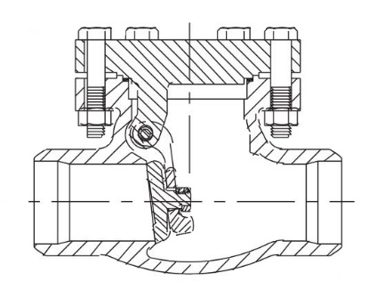 Click picture for detailed info | 1/2" Butt Weld | 27.5 Bar 400 PSIG | Oxygen Nitrogen Argon CO2 Natural Gas | Oxygen Nitrogen Argon CO2 Natural Gas | 4.5 | PED CE Marking | Cleaned and packaged for Oxygen Service per CGA G-4.1 Low Opening Pressure - 0,03 Barg 100% Factory Tested High Flow Capacity
S-886-8WA |  | 1" Butt Weld | 27.5 Bar 400 PSIG |  |  | 18.0
S-886-12WA |  | 1 1/2" Butt Weld | 27.5 Bar 400 PSIG |  |  | 61.0
S-886-16W3A |  | 2" Butt Weld | 50 Bar 720 PSIG |  |  | 99.0
S-886-24WA |  | 3" Butt Weld | 19 Bar 275 PSIG |  |  | 225.0
S-886-24WJ |  | 3" Butt Weld SCH.40 | 19 Bar 275 PSIG |  |  | 225.0
S-886-32WA |  | 4" Butt Weld | 19 Bar 275 PSIG |  |  | 475.0
S-886-32W3J |  | 4" Butt Weld SCH.40 | 50 Bar 720 PSIG |  |  | 475.0

Swing Check Valve 886 Series - PTFE Gasket - Metal Seat - 316 Stainless Steel Valve Body-Cap-Arm
S-886M-16W3A |  Click picture for detailed info | 2" Butt Weld SCH.10 | 50 Bar 720 PSIG | Oxygen Nitrogen Argon CO2 Natural Gas | Oxygen Nitrogen Argon CO2 Natural Gas | 99.0 | PED CE Marking | Cleaned and packaged for Oxygen Service per CGA G-4.1 Low Opening Pressure - 0,03 Barg 100% Factory Tested High Flow Capacity
S-886M-24W3A |  | 3" Butt Weld SCH.10 | 50 Bar 720 PSIG |  |  | 225.0
S-886M-24W3J |  | 3" Butt Weld SCH.40 | 50 Bar 720 PSIG |  |  | 225.0
S-886-32WA |  | 4" Butt Weld SCH.10 | 19 Bar 275 PSIG |  |  | 475.0
S-886-32W3J |  | 4" Butt Weld SCH.40 | 50 Bar 720 PSIG |  |  | 475.0

Swing Check Valve 886 Series - Grafoil Gasket - Metal Seat - for Hydrogen Service - 316 Stainless Steel Valve Body-Cap-Arm
S-886MGF-16W3A | 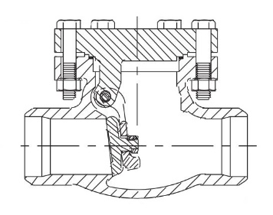 Click picture for detailed info | 2" Butt Weld | 50 Bar 720 PSIG | Hydrogen Oxygen Nitrogen Argon CO2 Natural Gas | Hydrogen Oxygen Nitrogen Argon CO2 Natural Gas | 99.0 | PED CE Marking | Cleaned and packaged for Oxygen Service per CGA G-4.1 Low Opening Pressure - 0,03 Barg 100% Factory Tested High Flow Capacity
S-886MGF-24W3A |  | 3" Butt Weld | 50 Bar 720 PSIG |  |  | 225.0

Swing Check Valve 886 Series - PTFE Gasket Soft Seat - 316 Stainless Steel Valve Body-Cap-Arm
S-886-4S | 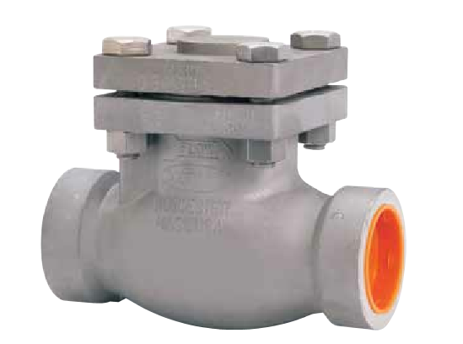 Click picture for detailed info | 1/2" Socket Weld | 27.5 Bar 400 PSIG | Oxygen Nitrogen Argon CO2 Natural Gas | Oxygen Nitrogen Argon CO2 Natural Gas | 4.5 | PED CE Marking | Cleaned and packaged for Oxygen Service per CGA G-4.1 Low Opening Pressure - 0,03 Barg 100% Factory Tested High Flow Capacity
S-886-8S |  | 1" Socket Weld | 27.5 Bar 400 PSIG |  |  | 18.0
S-886-12S |  | 1 1/2" Socket Weld | 27.5 Bar 400 PSIG |  |  | 61.0

Swing Check Valve 886 Series - PTFE Gasket Metal Seat - 316 Stainless Steel Valve Body-Cap-Arm
S-886M-4S3 | Click picture for detailed info | 1/2" Socket Weld | 50 Bar 720 PSIG | Oxygen Nitrogen Argon CO2 Natural Gas | Oxygen Nitrogen Argon CO2 Natural Gas | 4.5 | PED CE Marking | Cleaned and packaged for Oxygen Service per CGA G-4.1 Low Opening Pressure - 0,03 Barg 100% Factory Tested High Flow Capacity
S-886M-8S3 |  | 1" Socket Weld | 50 Bar 720 PSIG |  |  | 18.0
S-886M-12S3 |  | 1 1/2" Socket Weld | 50 Bar 720 PSIG |  |  | 61.0

Swing Check Valve 886 Series - Grafoil Gasket - SOFT Seat - for Hydrogen Service - 316 Stainless Steel Valve Body-Cap-Arm
S-886GF-4S | Click picture for detailed info | 1/2" Socket Weld | 27.5 Bar 400 PSIG | Hydrogen Oxygen Nitrogen Argon CO2 Natural Gas | Hydrogen Oxygen Nitrogen Argon CO2 Natural Gas | 4.5 | PED CE Marking | Cleaned and packaged for Oxygen Service per CGA G-4.1 Low Opening Pressure - 0,03 Barg 100% Factory Tested High Flow Capacity Seal Material Neoflon
S-886GF-8S |  | 1" Socket Weld | 27.5 Bar 400 PSIG |  |  | 18.0
S-886GF-12S |  | 1 1/2" Socket Weld | 27.5 Bar 400 PSIG |  |  | 61.0

Piston Check Valve 8500 Series - Bronze Valve Body - Brass Cap-Plunger
BK8508S | 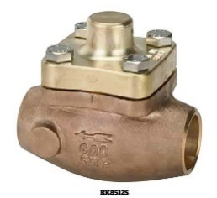 Click picture for detailed info | 1.128" - 1.13" Sil Braze | 41.3 Barg 600 PSIG | Oxygen Nitrogen Argon CO2 Natural Gas Ethane Ethylene Air | Oxygen Nitrogen Argon CO2 Natural Gas Ethane Ethylene Air | 10.0 | PED CE Marking | Cleaned and packaged for Oxygen Service per CGA G-4.1 Low Opening Pressure - 0,14 Barg 100% Factory Tested High CV - Conical Seat Design One piece Seat Assembly - Zero small pieces
BK8508T |  | 1" Female NPT |  |  |  | 10.0
BK85012S |  | 1.629" - 1.631" Sil Braze |  |  |  | 27.0
BK85012T |  | 1 1/2" Female NPT |  |  |  | 27.0

Swing Check Valve 840 Series - Soft Seated - Bronze Valve Body
B-840-4T | 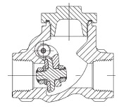 Click picture for detailed info | 1/2" F. NPT | 27.6 Bar 400 PSIG | Oxygen Nitrogen Argon CO2 Natural Gas | Oxygen Nitrogen Argon CO2 Natural Gas | 4.5 | PED CE Marking | Cleaned and packaged for Oxygen Service per CGA G-4.1 Low Opening Pressure - 0,03 Barg 100% Factory Tested High Flow Capacity PCTFE Seal
B-840-6T |  | 3/4" F. NPT | 27.6 Bar 400 PSIG |  |  | 7.0
B-840-8T |  | 1" F. NPT | 27.6 Bar 400 PSIG |  |  | 10.0
B-840-12T |  | 1 1/2" F. NPT | 27.6 Bar 400 PSIG |  |  | 40.0
B-840-16T |  | 2" F. NPT | 27.6 Bar 400 PSIG |  |  | 100.0

B-840-4S | 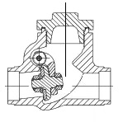 Click picture for detailed info | 1/2" Sil Braze End | 27.6 Bar 400 PSIG | Oxygen Nitrogen Argon CO2 Natural Gas | Oxygen Nitrogen Argon CO2 Natural Gas | 4.5 | PED CE Marking | Cleaned and packaged for Oxygen Service per CGA G-4.1 Low Opening Pressure - 0,03 Barg 100% Factory Tested High Flow Capacity PCTFE Seal
B-840-6S |  | 3/4" Sil Braze End | 27.6 Bar 400 PSIG |  |  | 7.0
B-840-8S |  | 1" Sil Braze End | 27.6 Bar 400 PSIG |  |  | 10.0
B-840-12S |  | 1 1/2" Sil Braze End | 27.6 Bar 400 PSIG |  |  | 40.0
B-840-16S |  | 2" Sil Braze End | 27.6 Bar 400 PSIG |  |  | 100.0

Swing Check Valve 846 Series - Metal Seated - Bronze Valve Body
B-846M-4T6 | Click picture for detailed info | 1/2" F. NPT | 42 Bar 600 PSIG | Oxygen Nitrogen Argon CO2 Natural Gas | Oxygen Nitrogen Argon CO2 Natural Gas | 4.5 | PED CE Marking | Cleaned and packaged for Oxygen Service per CGA G-4.1 Low Opening Pressure - 0,03 Barg 100% Factory Tested High Flow Capacity
B-846M-8T6 |  | 1" F. NPT | 42 Bar 600 PSIG |  |  | 10.0
B-846M-12T6 |  | 1 1/2" F. NPT | 42 Bar 600 PSIG |  |  | 40.0
B-846M-16T6 |  | 2" F. NPT | 42 Bar 600 PSIG |  |  | 100.0

B-846M-4S6 | Click picture for detailed info | 1/2" Sil Braze End | 42 Bar 600 PSIG | Oxygen Nitrogen Argon CO2 Natural Gas | Oxygen Nitrogen Argon CO2 Natural Gas | 4.5 | PED CE Marking | Cleaned and packaged for Oxygen Service per CGA G-4.1 Low Opening Pressure - 0,03 Barg 100% Factory Tested High Flow Capacity
B-846M-6S6 |  | 3/4" Sil Braze End | 42 Bar 600 PSIG |  |  | 7.0
B-846M-8S6 |  | 1" Sil Braze End | 42 Bar 600 PSIG |  |  | 10.0
B-846M-12S6 |  | 1 1/2" Sil Braze End | 42 Bar 600 PSIG |  |  | 40.0
B-846M-16S6 |  | 2" Sil Braze End | 42 Bar 600 PSIG |  |  | 100.0

Inline Check Valve CG Series - Metal Seated - Stainless Steel Valve
CG-250SS | Click picture for detailed info | 1/4" F. NPT | 345 Bar 5000 PSIG | Oxygen Nitrogen Argon CO2 Natural Gas | Oxygen Nitrogen Argon CO2 Natural Gas | 0.9 | PED CE Marking | Cleaned and packaged for Oxygen Service per CGA G-4.1 Low Opening Pressure - 0,07 Barg 100% Factory Tested High Flow Capacity
CG-375SS |  | 3-8" F. NPT | 345 Bar 5000 PSIG |  |  | 2.3
CG-500SS |  | 1/2" F. NPT | 345 Bar 5000 PSIG |  |  | 3.5
CG-750SS |  | 3/4" F. NPT | 345 Bar 5000 PSIG |  |  | 5.2

Inline Check Valve CG Series - Soft Seated - Stainless Steel Valve
CG-250SSL | Click picture for detailed info | 1/4" F. NPT | 17.2 Bar 250 PSIG | Oxygen Nitrogen Argon CO2 Natural Gas |  | 0.9 | PED CE Marking | Cleaned and packaged for Oxygen Service per CGA G-4.1 Low Opening Pressure - 0,07 Barg 100% Factory Tested High Flow Capacity Viton Seal
CG-375SSL |  | 3-8" F. NPT | 17.2 Bar 250 PSIG |  |  | 2.3
CG-500SSL |  | 1/2" F. NPT | 138 Bar 2000 PSIG |  |  | 3.5
CG-750SSL |  | 3/4" F. NPT | 138 Bar 2000 PSIG |  |  | 5.2

Inline Check Valve CG Series - Metal Seated - Brass Valve
CG-250B | Click picture for detailed info | 1/4" F. NPT | 207 Bar 3000 PSIG | Oxygen Nitrogen Argon CO2 Natural Gas | Oxygen Nitrogen Argon CO2 Natural Gas | 0.9 | PED CE Marking | Cleaned and packaged for Oxygen Service per CGA G-4.1 Low Opening Pressure - 0,07 Barg 100% Factory Tested High Flow Capacity
CG-375B |  | 3-8" F. NPT | 207 Bar 3000 PSIG |  |  | 2.3
CG-500B |  | 1/2" F. NPT | 207 Bar 3000 PSIG |  |  | 3.5
CG-750B |  | 3/4" F. NPT | 207 Bar 3000 PSIG |  |  | 5.2

Inline Check Valve CG Series - Soft Seated - Brass Valve
CG-250SBL | Click picture for detailed info | 1/4" F. NPT | 17.2 Bar 250 PSIG | Oxygen Nitrogen Argon CO2 Natural Gas |  | 0.9 | PED CE Marking | Cleaned and packaged for Oxygen Service per CGA G-4.1 Low Opening Pressure - 0,07 Barg 100% Factory Tested High Flow Capacity Viton Seal
CG-375BL |  | 3-8" F. NPT | 17.2 Bar 250 PSIG |  |  | 2.3
CG-500BL |  | 1/2" F. NPT | 138 Bar 2000 PSIG |  |  | 3.5
CG-750BL |  | 3/4" F. NPT | 138 Bar 2000 PSIG |  |  | 5.2

Inline Check Valve NG304 Series - Brass Valve
NG304 | Click picture for detailed info | 1/2"-14 F. NPT | 69 Bar 1000 PSIG | Oxygen Nitrogen Argon CO2 Natural Gas | Oxygen Nitrogen Argon CO2 Natural Gas |  | PED CE Marking | Cleaned and packaged for Oxygen Service per CGA G-4.1 100% Factory Tested

Inline Check Valve NG304 Series - Stainless Steel Valve
NG304SSA | 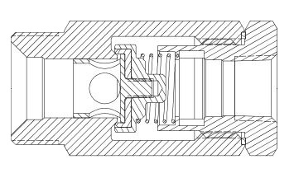 Click picture for detailed info | M36x2 Male | 69 Bar 1000 PSIG | Oxygen Nitrogen Argon CO2 Natural Gas | Oxygen Nitrogen Argon CO2 Natural Gas |  | PED CE Marking | Cleaned and packaged for Oxygen Service per CGA G-4.1 100% Factory Tested
NG304SSB |  | M30x1.5 Male
NG304SSC |  | 1/2"-14 F. NPT
NG304SSAP |  | M36x2 Male
NG304SSBP |  | M30x1.5 Male
NG304SSCP |  | 1/2"-14 F. NPT

CV9400
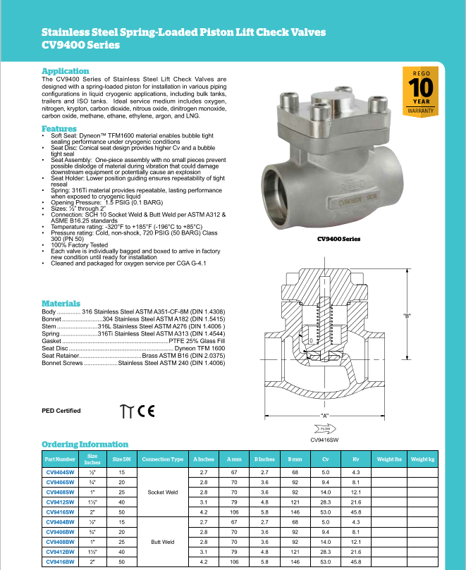
Back to Overview

S 886 Series
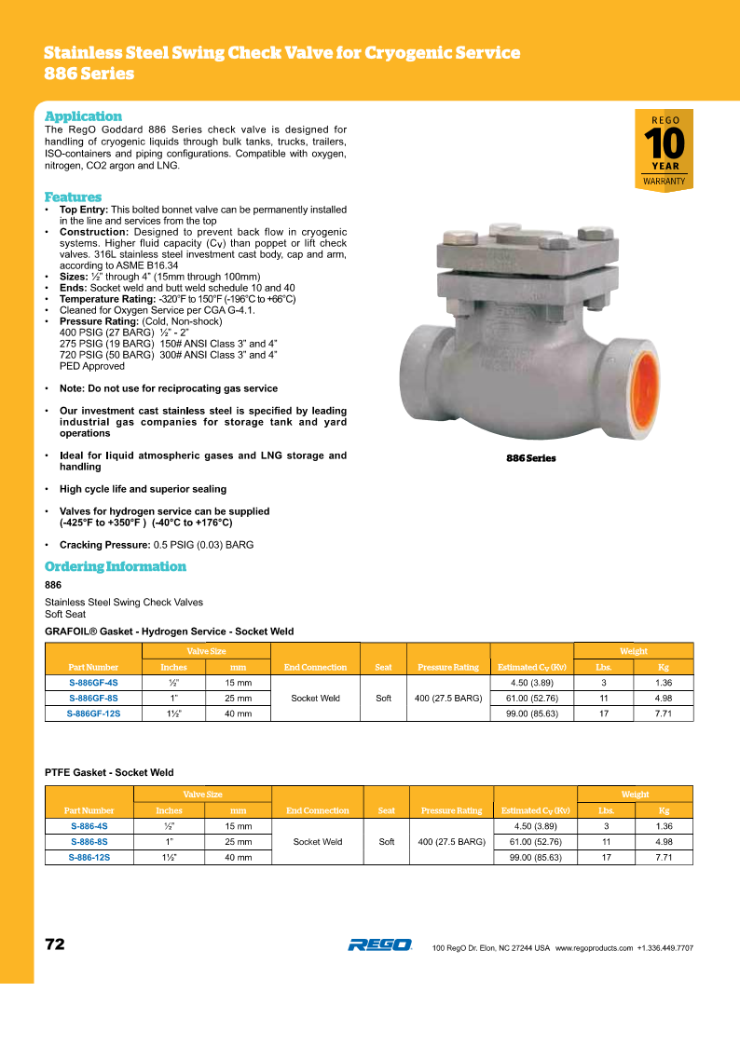
Back to Overview

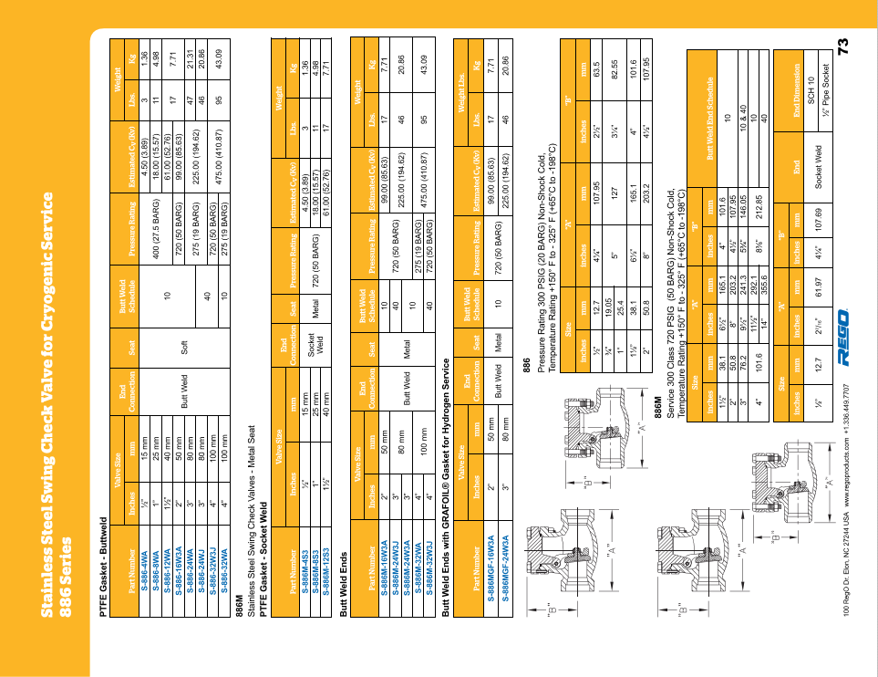
Back to Overview

8500 Series
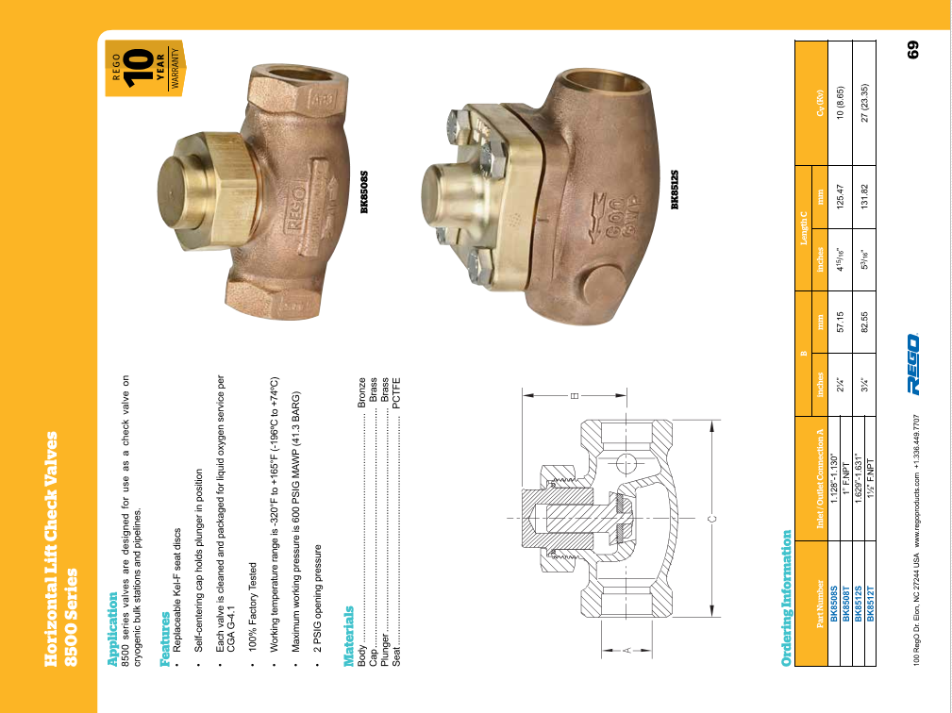
Back to Overview

840-846 Series
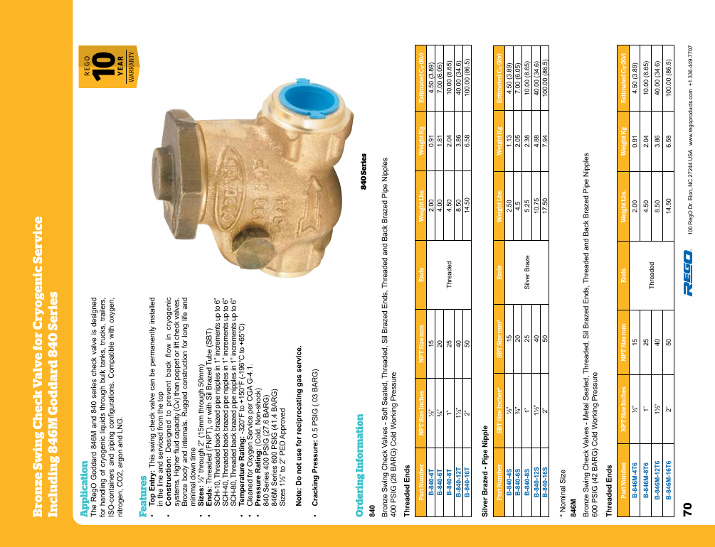
Back to Overview

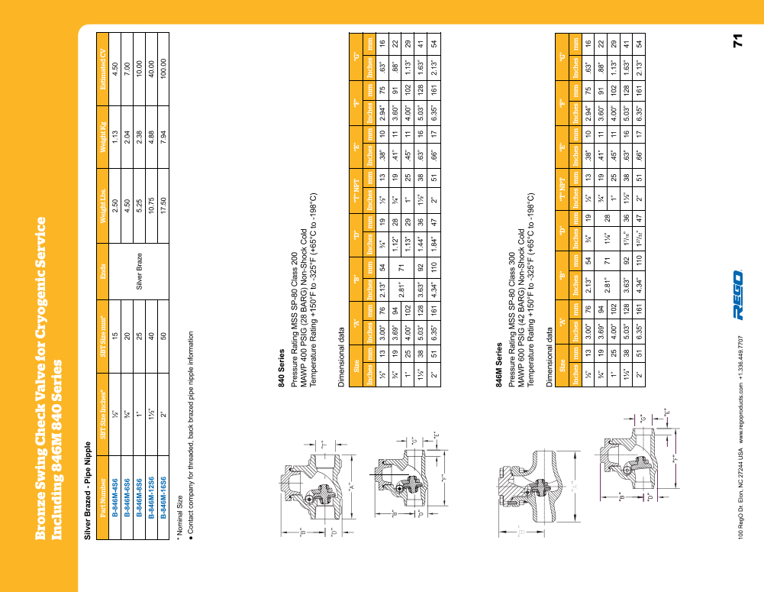
Back to Overview

CG Series
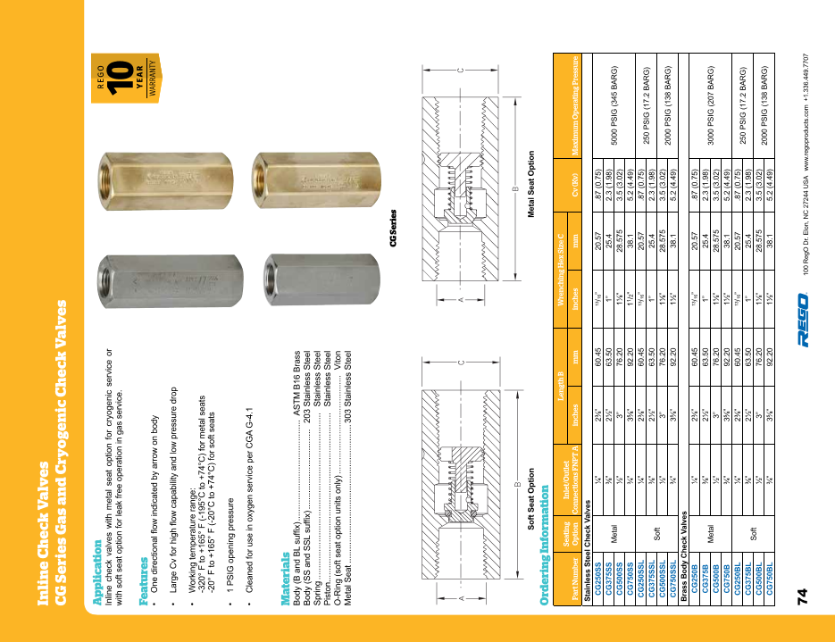
Back to Overview

NG304 Series
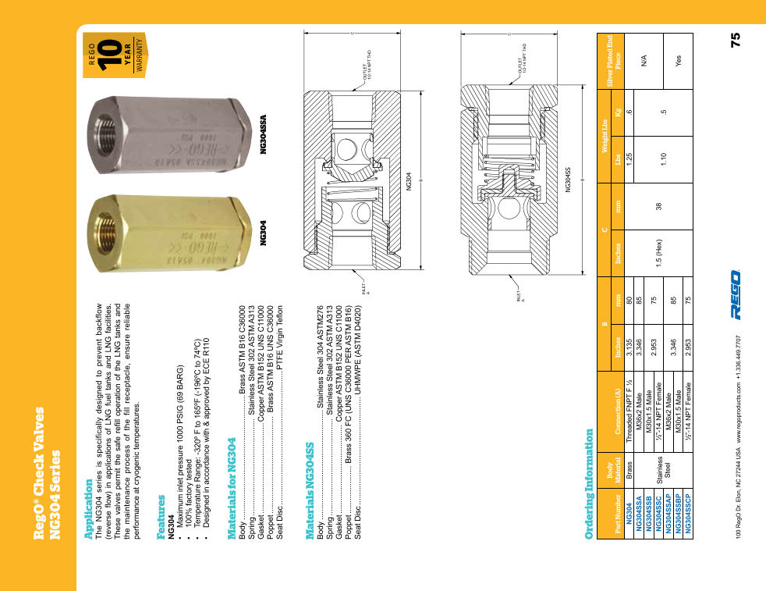
Back to Overview

