Overview
Overview RegO Gate Valve
Version | 16-9-2020
 |  |  |  |  |  |  |  |  |  | PSI | Bar
Portfolio | Stainless Steel and Bronz Gate Valves - Special LOX Gate Valves |  |  |  |  |  |  |  | Calculator from PSI to Bar | 720 | 49.642162744

 | Product Pictures | Size | Connection | Stem Lenght | Temperature Rating | Pressure Rating | Gas | Liquid | Certificate | Applications | Remarks
110 Series Gate Valve with End Connections: Flange - Butt Weld - Socket Weld - Threaded end. Flange on stem for Foam Insulation available on request.
110 Series Stainless Steel | 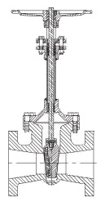 Click picture for detailed info | 1" | RF Flange | 451 mm | -196°C to +65°C | 19 Bar Class 150 | Oxygen Nitrogen Argon CO2 Natural Gas | LOX LIN LAR LCO2 LNG | PED CRN Registration | ASU Plants Piping Systems Skids | Cleaned for use in Oxygen per CGA G-4.1 100% Factory Tested Material: Body and Bonnet Stainless Steel ASTM A351-CF8 J92600 PCTFE seat provides a bubble tight seal and is replaceable.
 |  | 1 1/2" |  | 556 mm |  | 19 Bar Class 150 and 50 Bar Class 300
 |  | 2" |  | 556 mm
 |  | 3" |  | 800 mm
 |  | 4" |  | 857 mm
 |  | 6" |  | 1054 mm
110 Series Stainless Steel | 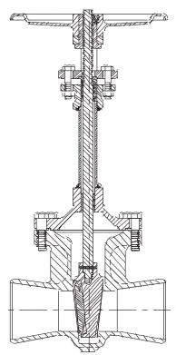 Click picture for detailed info | 1/2" | Butt Weld SCH.10 SCH.40 | 451 mm | -196°C to +65°C | 19 Bar Class 150 | Oxygen Nitrogen Argon CO2 Natural Gas | LOX LIN LAR LCO2 LNG | PED CRN Registration | ASU Plants Piping Systems Skids | Cleaned for use in Oxygen per CGA G-4.1 100% Factory Tested Material: Body and Bonnet Stainless Steel ASTM A351-CF8 J92600 PCTFE seat provides a bubble tight seal and is replaceable.
 |  | 3/4" |  | 451 mm
 |  | 1" |  | 451 mm
 |  | 1 1/2" |  | 556 mm
 |  | 2" |  | 556 mm |  | 19 Bar Class 150 and 50 Bar Class 300
 |  | 3" |  | 800 mm
 |  | 4" |  | 857 mm
 |  | 6" |  | 1054 mm
110 Series Stainless Steel | Click picture for detailed info | 1/2" | Socket Weld | 451 mm | -196°C to +65°C | 19 Bar Class 150 and 50 Bar Class 300 | Oxygen Nitrogen Argon CO2 Natural Gas | LOX LIN LAR LCO2 LNG | PED CRN Registration | ASU Plants Piping Systems Skids | Cleaned for use in Oxygen per CGA G-4.1 100% Factory Tested Material: Body and Bonnet Stainless Steel ASTM A351-CF8 J92600 PCTFE seat provides a bubble tight seal and is replaceable.
 |  | 3/4" |  | 451 mm
 |  | 1" |  | 451 mm
 |  | 1 1/2" |  | 556 mm
 |  | 2" |  | 556 mm
110 Series Stainless Steel | Click picture for detailed info | 1/2" | Threaded | 451 mm | -196°C to +65°C | 19 Bar Class 150 | Oxygen Nitrogen Argon CO2 Natural Gas | LOX LIN LAR LCO2 LNG | PED CRN Registration | ASU Plants Piping Systems Skids | Cleaned for use in Oxygen per CGA G-4.1 100% Factory Tested Material: Body and Bonnet Stainless Steel ASTM A351-CF8 J92600 PCTFE seat provides a bubble tight seal and is replaceable.
 |  | 1" |  | 451 mm
110 WHZ Series Gate Valve with End Connections: Butt Weld - Socket Weld. Special Grafoil stem packing. Flange on stem for Foam Insulation available on request.
110 WHZ Series Stainless Steel | Click picture for detailed info | 2" | Butt Weld SCH.10 | 556 mm | -196°C to +65°C | 19 Bar Class 150 and 50 Bar Class 300 | Oxygen Nitrogen Argon CO2 Natural Gas | LOX LIN LAR LCO2 LNG | PED CRN Registration | ASU Plants Piping Systems Skids | Special Grafoil Stem packing Cleaned for use in Oxygen per CGA G-4.1 100% Factory Tested Material and Seat, same as all above
 |  | 2" | Butt Weld SCH.40 | 556 mm
 |  | 3" | Butt Weld SCH.10 | 800 mm
 |  | 4" | Butt Weld SCH.10 | 857 mm
 |  | 6" | Butt Weld SCH.10 | 1054 mm
 |  | 6" | Butt Weld SCH.40 | 1054 mm
110 WHZ Series Stainless Steel | Click picture for detailed info | 1/2" | Socket Weld | 451 mm
 |  | 3/4" |  | 451 mm
 |  | 1" |  | 451 mm
 |  | 1 1/2" |  | 556 mm
110 LOX Series Gate Valve - Specifically designed for use with Liquide Oxygen. Flange on stem for Foam Insulation available on request. Flange and Threaded end connections available on request.
110 LOX Series Stainless Steel | Click picture for detailed info | 1/2" | Socket Weld | 451 mm | -196°C to +65°C | 50 Bar Class 300 | Oxygen Nitrogen Argon CO2 Natural Gas | LOX LIN LAR LCO2 LNG | PED CRN Registration | ASU Plants Piping Systems Skids | Specifically designed for use with Liquid Oxygen. Cleaned for use in Oxygen per CGA G-4.1 100% Factory Tested Material: Body and Bonnet Stainless Steel ASTM A351-CF8 J92600 PCTFE seat provides a bubble tight seal and is replaceable. Grafoil Stem Packing available as option
 |  | 3/4" | Socket Weld | 451 mm
 |  | 1" | Socket Weld | 451 mm
 |  | 1 1/2" | Socket Weld | 556 mm
 | Click picture for detailed info | 2" | Butt Weld SCH.10 | 556 mm
 |  | 3" | Butt Weld SCH.10 | 800 mm
 |  | 3" | Butt Weld SCH.10 | 800 mm
 |  | 4" | Butt Weld SCH.10 | 857 mm
 |  | 4" | Butt Weld SCH.40 | 857 mm
 |  | 6" | Butt Weld SCH.10 | 1054 mm
 |  | 6" | Butt Weld SCH.40 | 1054 mm
302 Series Bronze Gate Valve - Non Extended Stem, Metal Seated, with End Connections: Silver Braze Ends - Threaded Ends - Stainless Steel Pipe Ends.
302 Series Bronze | Click picture for detailed info | 1/2" | Silver Braze | 147 mm | -196°C to +65°C | 28 Barg 400PSIG | Oxygen Nitrogen Argon CO2 Natural Gas | LOX LIN LAR LCO2 LNG | PED CRN Registration | Micro Bulk Bulk Tanks Trailers Pipelines | Cleaned for use in Oxygen per CGA G-4.1 100% Factory Tested Split wedge Bronze Replaceable Metal Seat
 |  | 3/4" |  | 176 mm
 |  | 1" |  | 214 mm
 |  | 1 1/2" |  | 284 mm
 |  | 2" |  | 335 mm
 |  | 2 1/2" |  | 401 mm
 |  | 3" |  | 463 mm
 | Click picture for detailed info | 1/2" | Threaded | 147 mm
 |  | 2 1/2" |  | 401 mm
 |  | 3" |  | 463 mm
306 Series Bronze Gate Valve - Non Extended Stem, Metal Seated, with End Connections: Threaded Ends.
 | Click picture for detailed info | 3/4" | Threaded | 176 mm | -196°C to +65°C | 42 Barg 600PSIG | Oxygen Nitrogen Argon CO2 Natural Gas | LOX LIN LAR LCO2 LNG | PED CRN Registration | Micro Bulk Bulk Tanks Trailers Pipelines | Cleaned for use in Oxygen per CGA G-4.1 100% Factory Tested Split wedge Bronze Replaceable Metal Seat
 |  | 1" |  | 214 mm
 |  | 1 1/2" |  | 284 mm
 |  | 2" |  | 335 mm
310 Series Bronze Gate Valve - Extended Stem, Soft Seated, with End Connections: Threaded Ends - Silver Braze Ends.
 | Click picture for detailed info | 3" | Silver Braze | 645 mm | -198°C to + 65°C | 20 Barg 300PSIG | Oxygen Nitrogen Argon CO2 Natural Gas | LOX LIN LAR LCO2 LNG | PED CRN Registration | Bulk Tank Trailers Pipelines | Solid wedge with PCTFE (Neoflon ) provides a bubble tight seal and is replaceable. Cleaned for use in Oxygen per CGA G-4.1 100% Factory Tested
 | Click picture for detailed info | 2 1/2" | Threaded | 645 mm
 |  | 3" |  | 645 mm
310X Series Bronze Gate Valve - Extended Stem, Soft Seated, with End Connections: Pipe ends SCH10 - Pipe ends SCH40
 | 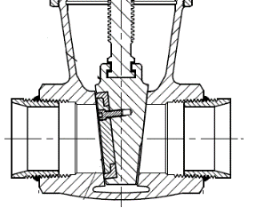 Click picture for detailed info | 2 1/2" | Pipe Ends SCH10 | 518 mm | -198°C to + 65°C | 20 Barg 300PSIG | Oxygen Nitrogen Argon CO2 Natural Gas | LOX LIN LAR LCO2 LNG | PED CRN Registration | Bulk Tank Trailers Pipelines | Solid wedge with PCTFE (Neoflon ) provides a bubble tight seal and is replaceable. Cleaned for use in Oxygen per CGA G-4.1 100% Factory Tested
 |  | 3" |  | 645 mm
 |  | 3" | Pipe Ends SCH40 | 645 mm
310X Series Bronze Gate Valve - Short Topwork - Trailer Service, Soft Seated, with End Connections: Threaded Ends - Silver Braze Ends.
 | Click picture for detailed info | 3" | Silver Braze | 518 mm | -198°C to + 65°C | 20 Barg 300PSIG | Oxygen Nitrogen Argon CO2 Natural Gas | LOX LIN LAR LCO2 LNG | PED CRN Registration | Trailers | Solid wedge with PCTFE (Neoflon ) provides a bubble tight seal and is replaceable. Cleaned for use in Oxygen per CGA G-4.1 100% Factory Tested
 |  | 2 1/2" | Threaded | 518 mm
 |  | 3" | Threaded | 518 mm
SB-00310X-24SW Stainless Steel Body + Bronze Topwork | Click picture for detailed info | 3" | Socket weld | 518 mm
322 - 326 Series Bronze Gate Valve, with End Connections: Threaded Ends - Silver Braze Ends - Stainless Steel Pipestubs.
322 Series | Click picture for detailed info | 1/2" | Silver Braze | 238 mm | -196°C to +65°C | 28 Barg 400PSIG | Oxygen Nitrogen Argon CO2 Natural Gas | LOX LIN LAR LCO2 LNG | PED CRN Registration | Micro Bulk Bulk Tanks Trailers Pipelines | Cleaned for use in Oxygen per CGA G-4.1 100% Factory Tested Metal Seat
 |  | 3/4" |  | 268 mm
 |  | 1" |  | 314 mm
 |  | 1 1/2" |  | 432 mm
 |  | 2" |  | 498 mm
 |  | 2 1/2" |  | 571 mm
 |  | 3" |  | 632 mm
 | Click picture for detailed info | 2 1/2" | Threaded | 571 mm
 |  | 3" |  | 632 mm
326 Series | Click picture for detailed info | 1/2" | Threaded | 238 mm | -196°C to +65°C | 42 Barg 600PSIG | Oxygen Nitrogen Argon CO2 Natural Gas | LOX LIN LAR LCO2 LNG | PED CRN Registration | Micro Bulk Bulk Tanks Trailers Pipelines | Cleaned for use in Oxygen per CGA G-4.1 100% Factory Tested Metal Seat
 |  | 3/4" |  | 268 mm
 |  | 1" |  | 314 mm
 |  | 1 1/2" |  | 432 mm
 |  | 2" |  | 498 mm

110 Series
Back to Overview
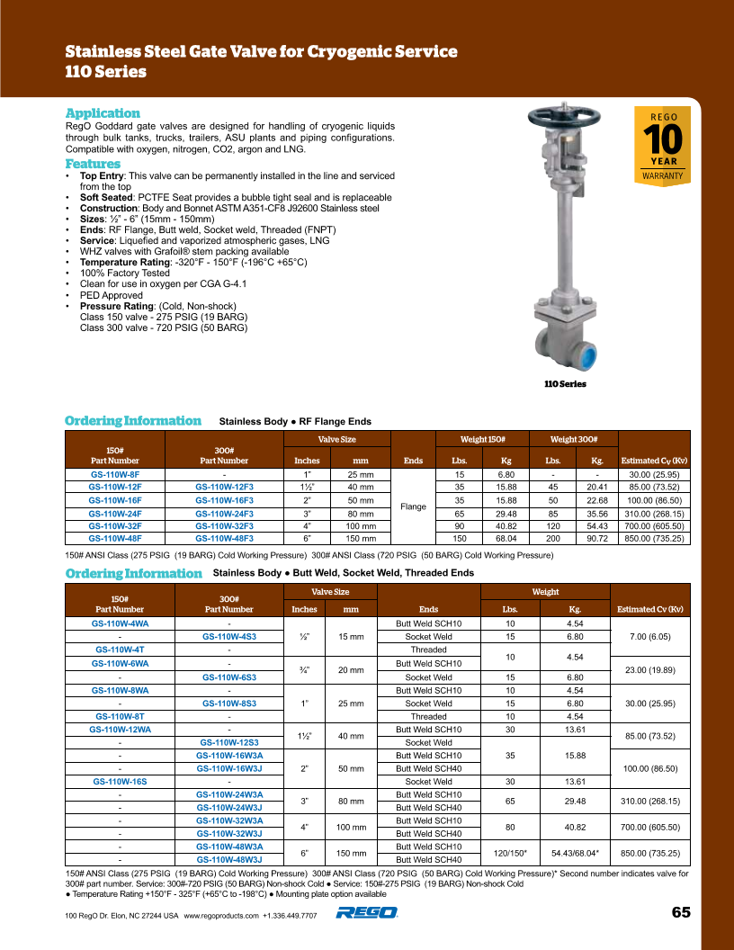

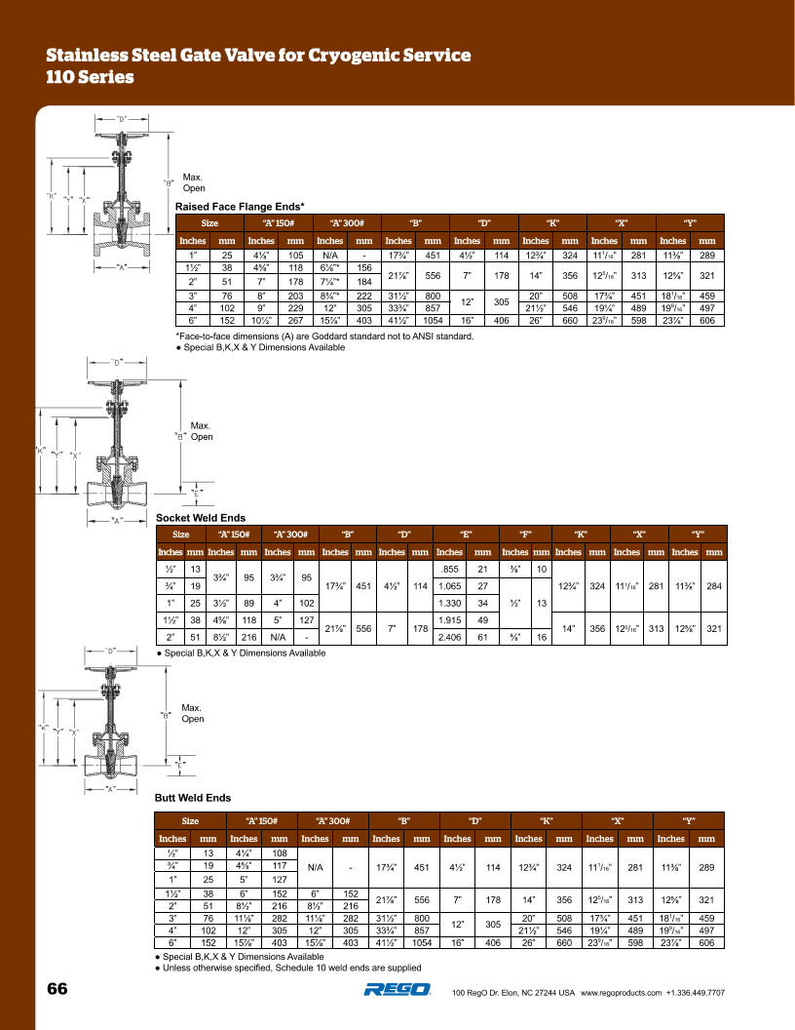
Back to Overview

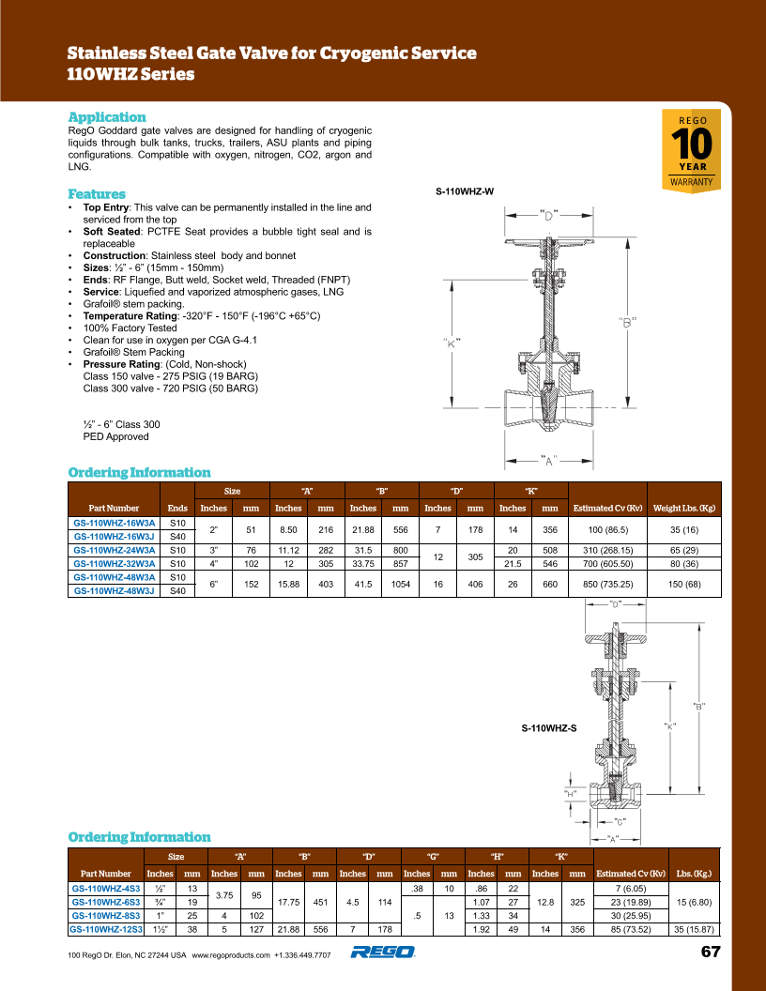
Back to Overview

110WHZ Series
Back to Overview

110 LOX Series
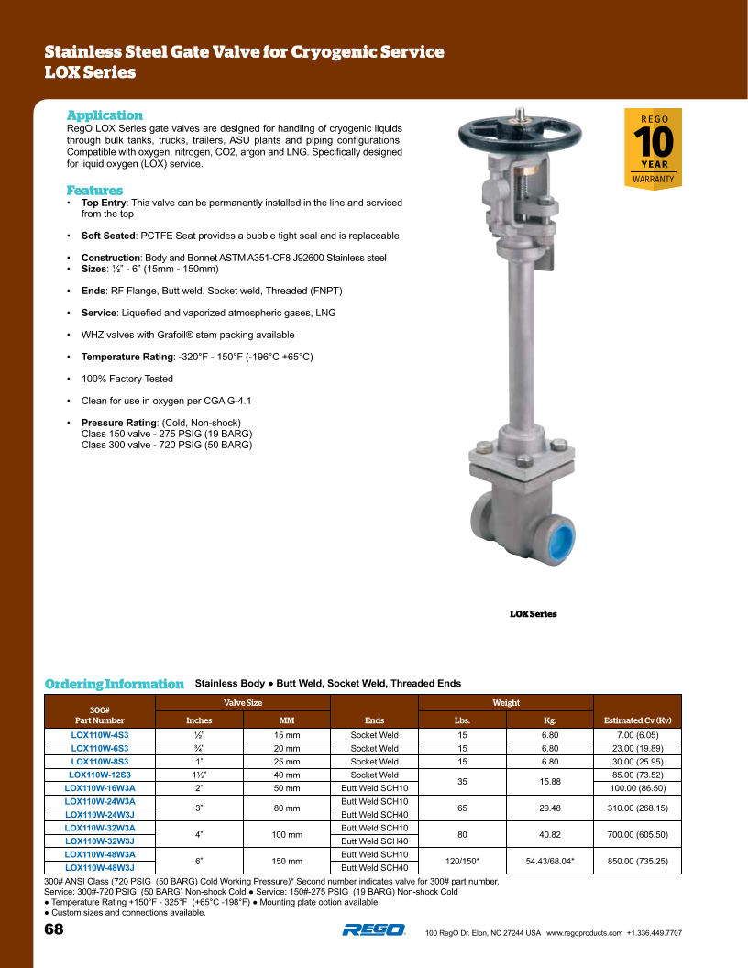
Back to Overview

302-306 Series
Back to Overview
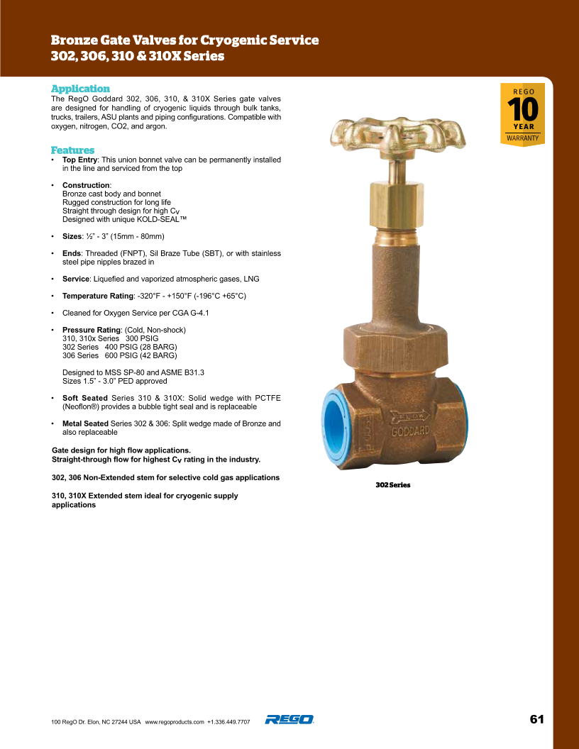

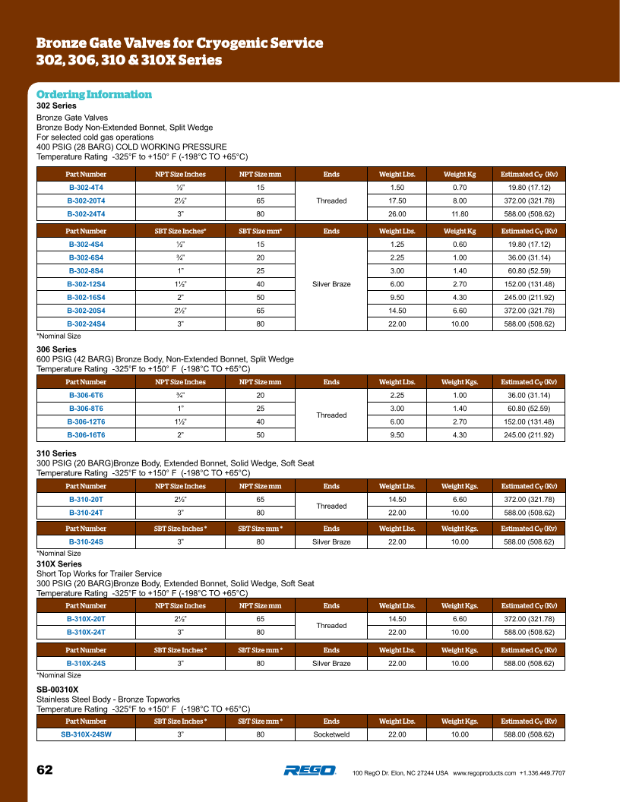
Back to Overview

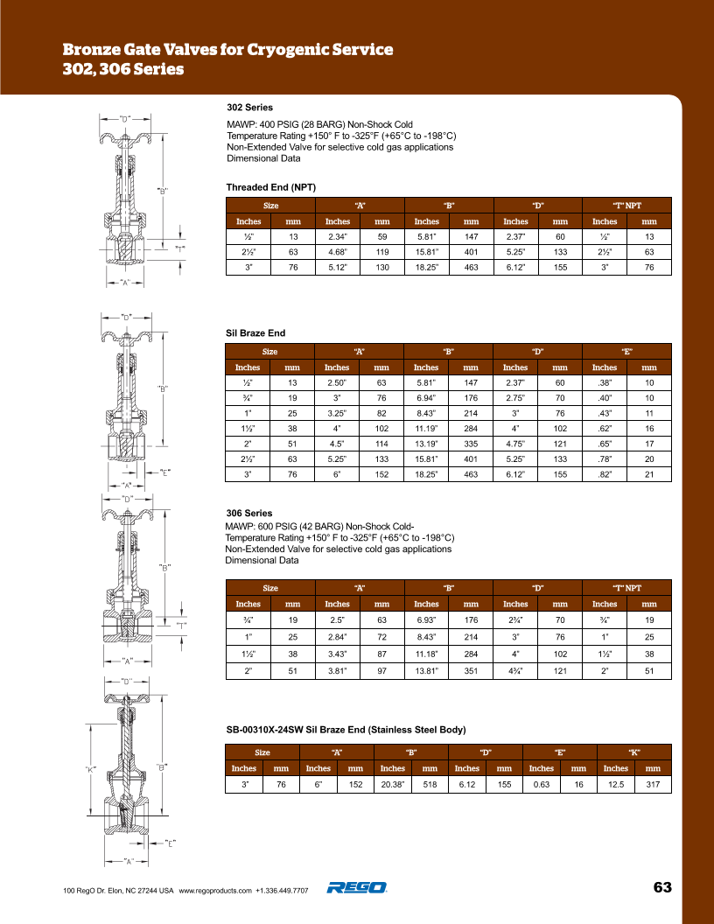
Back to Overview

310-310X Series
Back to Overview

Note: SB-320X-24SW = Stainless Steel Body & Bronze Topwork

Back to Overview

322 & 326 Series
Back to Overview
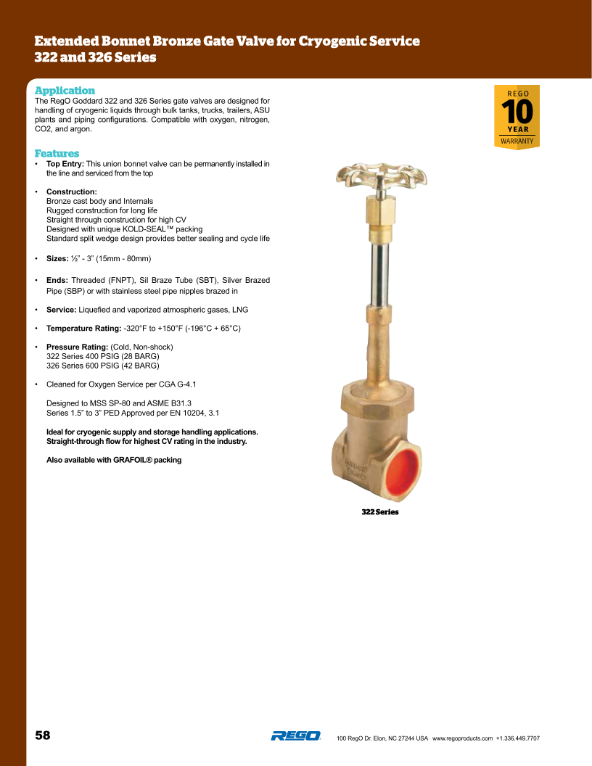

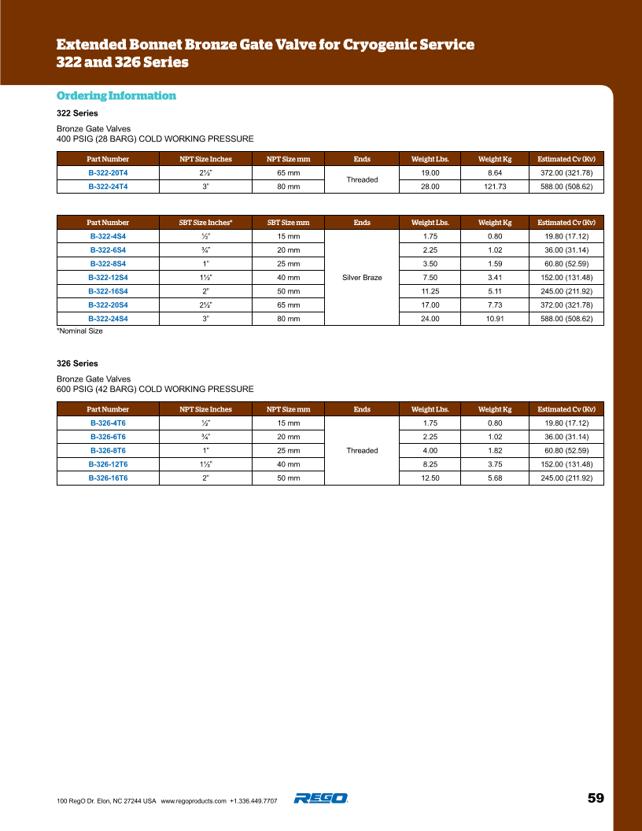
Back to Overview

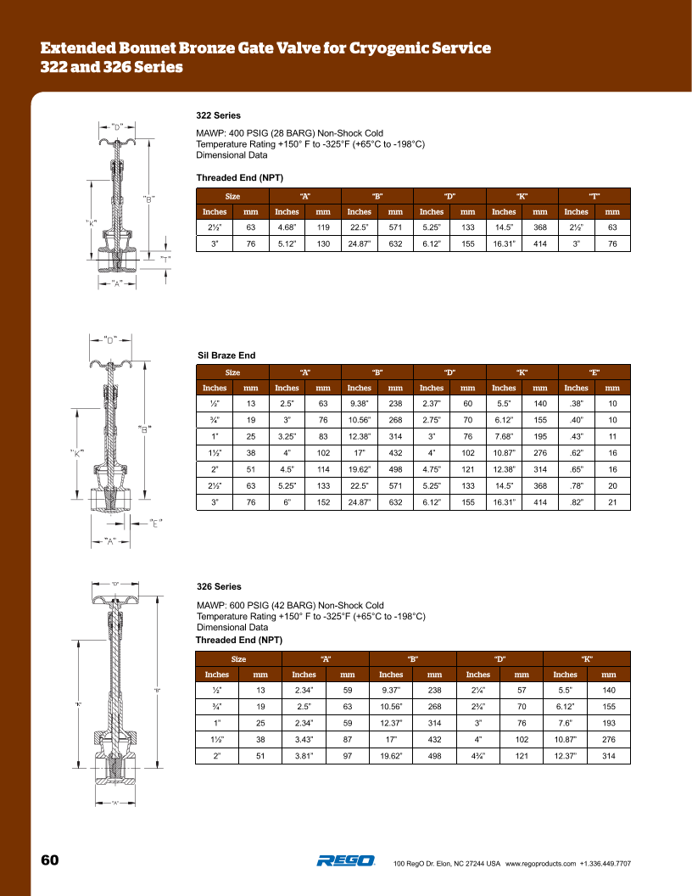
Back to Overview

