Standard
Overview RegO Globe Valve
 | Product Pictures | Size | Connection | Stem Lenght | Temperature Rating | Pressure Rating | Gas | Liquid | Certificate | Application | Remarks
SK Series Stainless Steel | Click picture for more info SKS Series | 1/4" 1/2" 3/4" 1" 1 1/2" | Socket Weld Butt Weld Threaded connections NPT to be expected by Mid 2020 | 1/4" = 170mm 1" = 170mm 11/2" = 178mm | = -198°C to + 65°C | 50 Bar | Oxygen Argon Nitrogen CO2 Natural Gas | LOX LAR LIN LCO2 LNG | PED TPED CE Marking CRN Registration | Micro-Bulk Bulk Tank Trailer ISO Tank Pipeline-Projects | Extraordinary Long Life Time Very Low Maintenance Costs New Design Based on Years of Experience of both Rego and Customers. Ultra Safe due to Bonnet Pressure Relief System. Weld in Place Absolute guaranteed Cleanliness No taking apart of Body & Bonnet Long Life Packing System with less adjustments necessary Body Standardisation for; Short/Mid/Long Stem and Check Valve CV9400 Series Ergonomic Handwheel Tested for over 1 year Lightweight Design
 | Click picture for more info SKM Series | 1/4" 1/2" 3/4" 1" 1 1/2" 2" |  | 1/4" = 270mm 11/2" = 270mm 2" = 269mm
 | Click picture for more info SKL Series |  |  | 1/4" = 370mm 11/2" = 370mm 2" = 368mm
 | Click picture for more info SKA Series | 1" 11/2" | Socket Weld | 1" = 270mm 11/2" = 270mm 1" = 370mm 11/2" = 370mm
210 Series | 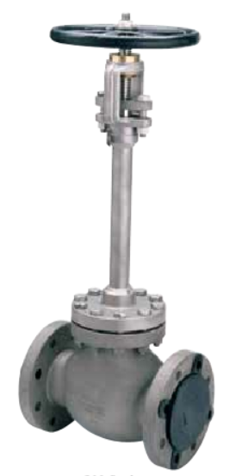 Click picture for more info 210 Series | 1" 2" 3" 4" | RF Flange Ends | 1" = 460mm 2" = 565mm 3" = 775mm 4" = 933mm | = -198°C to + 65°C | 150 Class 19 Bar 300 Class 50 Bar | Oxygen Argon Nitrogen CO2 Natural Gas | LOX LAR LIN LCO2 LNG | PED CE Marking | ASU Unit Pipeline-Projects | More than 30 years in the Rego program Unique long stem length Flat seat design Compressed Packing System Grafoil Packing
 |  | 1/2" 3/4" 1" 11/2" | Socket Weld | 1/2" = 460mm 1" = 460mm 11/2" = 565mm
 | 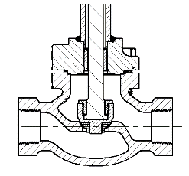 | 1/2" 3/4" 1" | Threaded Ends | 1/2" = 460mm 1" = 460mm
 |  | 2" 3" 4" | Butt Weld Sch10 & Sch40 | 2" = 565mm 3" = 768mm 4" = 933mm
SKB Series Bronze/Stainless Steel | Click picture for more info SKB....S Series | 1/4" 1/2" 3/4" 1" 1 1/2" 2" | Socket Weld Butt Weld | 1/4" = 147mm 1/2" = 147mm 3/4" = 156mm 1" = 156mm 11/2" = 183mm 2" = 225mm | = -198°C to + 65°C | 50 Bar Class 300 | Oxygen Argon Nitrogen CO2 Natural Gas | LOX LAR LIN LCO2 LNG | CE Marking CRN Registration | Micro-Bulk Bulk Tank Trailors ISO Tank Pipeline | PED & TPED In progress
 | Click picture for more info SKB Series |  |  | 1/4" = 366mm 1" = 366mm 11/2" = 371mm 2" = 412mm
BB Series Bronze Globe Valve | Click picture for more info BBS Series | 1/4" 1/2" 3/4" 1" 1 1/2" 2" | Silver Brazed Tube Threaded F.NPT | 1/4" = 146mm 1/2" = 146mm 3/4" = 154mm 1" = 154mm 1 1/2" = 183mm 2" = 225mm | = -198° to +65°C |  | Oxygen Argon Nitrogen CO2 Natural Gas | LOX LAR LIN LCO2 LNG | CE Marking CRN Registration | Micro-Bulk Bulk Tank Trailors ISO Tank Pipeline | PED & TPED In progress
 | Click picture for more info BB....AA Series | 1/2" 3/4" 1" 1 1/2" 2" | SS Pipe extension Sch 10 and Sch 40 | 1/2" = 353mm 1 1/2" = 353mm 2" = 387mm | = -198° to +65°C
 | Click picture for more info BB....T Series | 1/4" 1/2" 3/4" 1" 1 1/2" 2" | Silver Brazed Tube Threaded NPT | 1/4" = 366mm 1" = 366mm 11/2" = 371mm 2" = 412mm | = -198°C to + 65°C | 50 Bar
 | Click picture for more info BB....F Series | 1 1/2" 2" | Flanged RF | 1 1/2" = 371mm 2" = 412mm
Brass Angle Globe Valve B-226BLA Series | Click picture for more info B-226BLA | 11/2" | Silver Brazed End | 1 1/2" = 371mm | = -198° to +65°C | 41.4 Bar | Oxygen Nitrogen Argon CO2 Nitrous Oxide Methane ethane ethylene krypton | LOX LIN LAR CO2 Nitrous Oxide Methane ethane ethylene krypton | PED CE Marking CRN Registration | Bulk Tank

Special
Overview RegO Globe Valve
 | Product Pictures | Size | Connection | Stem Lenght | Temperature Rating | Pressure Rating | Gas | Liquid | Certificate | Application | Remarks
231 Series | Click picture for more info | 1/4" 1/2" 3/4" 1" 11/2" | Socket Weld | 1/4" & 1/2" = 370mm 3/4" & 1" = 432mm 11/2" = 479mm | = -254°C to +65°C | 20 Bar 27 Bar | Oxygen Nitrogen Argon Hydrogen | LOX LIN LAR LH2 LHe | PED | Hydrogen Processes like LH2 Plant LH2 transfer lines | Grafoil Stem packing system Stainless steel 316L Designed to ASME B16.34
 |  | 1/2" 1" 11/2" | Butt Weld | 1/2" = 370mm 1" = 432mm 11/2" = 479mm
232 Series High Purity Cryogenic Bonnet Nickel Plated Naval Brass Yoke Bushing Stainless steel Body | Click picture for more info | 1/2" 1" 11/2" | Socket Weld Butt Weld | 1/2" = 370mm 1" = 432mm 11/2" = 479mm | = -198°C to +65°C | 20 Bar 27 Bar | High Purity Oxygen High Purity Nitrogen High Purity Argon High Purity Hydrogen High Purity Helium | High Purity LOX High Purity LIN High Purity LAR High Purity LH2 High Purity LHe | PED |  | High Purity Gases Grafoil Stem packing system Stainless steel 316L
Extended Bonnet BK and BKA Series | Click picture for more info BK.....T Series | 1/2" 3/4" 1" 2" | Threaded F.NPT | See the Catalogue | = -198°C to +65°C | 41.37 Bar | Oxygen Argon Nitrogen CO2 Natural Gas | LOX LAR LIN LCO2 LNG | PED CRN Registration
 | Click picture for more info BK.....S Series | 1/2" 3/4" 1" 2" | See the Catalogue | See the Catalogue
 | Click picture for more info BK.....AA Series | 1/2" 3/4" 1" 2" | SS Pipe extension Sch 10 | See the Catalogue
 | Click picture for more info BKA.....S Series | 1 1/2" | See the Catalogue | See the Catalogue
Bronze Globe Valve 222 Series | 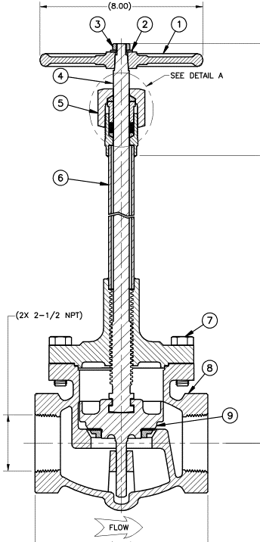 Click picture for more info 222X Extended Stem Conical Seat | 1/4" 1/2" 3/4" 1" 1 1/2" 2" 2 1/2" 3" | Threaded Ends | See the Catalogue | = -198° to +65°C | 28 Bar | Oxygen Argon Nitrogen CO2 Natural Gas | LOX LAR LIN LCO2 LNG | PED CRN Registration
 |  | 1/2" 3/4" 1" 1 1/2" 2" 3" | Silver Brazed Ends | See the Catalogue
 | SB-222X Bronze Top works Conical Seat | 1 1/2" | Socket Weld | 372 mm
 | 226LL Live Load Packing Extended Stem | 1/4" 3/8" 1/2" 3/4" 1" | Threaded End | 1/4" = 192mm 3/8" = 192mm 1/2" = 209mm 3/4" = 219mm 1" = 267mm | = -198° to +65°C | 42 Bar |  |  |  |  | Live Loaded Packing improves life and minimizes service cost
 |  | 1/2" 3/4" 1" | Silver Brazed Ends | 1/2" = 209mm 3/4" = 219mm 1" = 267mm
 | Click picture for more info 226ULL Live Load Packing Union Bonnet Extended Stem | 1 1/2" 2" | Threaded End | 1 1/2" = 372mm 2" = 384mm | = -198° to +65°C | 42 Bar
 |  | 1 1/2" 2" | Silver Brazed Ends
 | 226XGF Extended Stem Conical Seat Grafoil Packing | 1/2" 3/4" 1" 11/2" | Threaded End | 1/2" = 209mm 3/4" = 219mm 1" = 267mm | = -198° to +65°C | 42 Bar
 | Click picture for more info 226BLL Live Load Packing Bolted Bonnet Extended Stem | 1 1/2" 2" | Threaded End | 1 1/2" = 371mm 2" = 379mm | = -198° to +65°C | 42 Bar
Bronze Globe Valve 202X Series | Click picture for more info 202X Non-Extended Stem Conical Seat | 1 1/2" 2" | Threaded End | 1 1/2" = 219mm 2" = 241mm | = -198° to +65°C | 28 Bar | Oxygen Argon Nitrogen CO2 Natural Gas | Not Applicable Short Stem | PED CRN Registration | Cold Gas Applications
 |  | 1/2" 1" 11/2" 2" | Silver Brazed Ends | 1/2" = 117mm 1" = 117mm 11/2" = 127mm 2" = 146mm
 | 206GF Non-Extended Stem PFA Seat with high temperature low permeability Grafoil packing | 1/4" 1/2" 3/4" 1" 1 1/2" 2" | Threaded End | 1/4" = 67mm 1/2" = 67mm 3/4" = 81mm 1" = 95mm 1 1/2" = 121mm 2" = 146mm | = -196° to +176°C | 42 Bar
 | 206LL Non-Extended Stem Live Loaded Packing | 1/4" 3/8" 1/2" 3/4" 1" | Threaded End | 1/4" & 1/2" = 67mm 3/4" = 87mm 1" = 95mm | = -198° to +65°C | 42 Bar
 |  | 1/2" 3/4" 1" | Silver Brazed Ends | 1/2" & 3/4" = 60mm 1" = 76mm
 | Click picture for more info 206 ULL Non-Extended Stem Live Loaded Packing Union Bonnet | 11/2" 2" | Silver Braze Ends Threaded Ends | 11/2" = 219mm 2" = 298mm | = -198° to +65°C | 42 Bar
 | Click picture for more info 206BLL Non-Extended Stem Live Loaded Packing Bolted Bonnet | 11/2" | Silver Braze Threaded Ends | 11/2" = 219mm | = -198° to +65°C | 42 Bar
2500 Series | Click picture for more info Diaphragm Type | 1/2" 3/4" | Threaded End | 1/2" = 86mm 3/4" = 86mm | = -40°C to +74°C | 17.2 Bar | Acetylene Hydrogen Nitrogen Oxygen Compressed Air | None | UL Certificate CRN Registration
2550 Series | Click picture for more info Diaphragm Type | 3/4" 1" 11/2" 2" | Threaded End | 3/4" = 133.35mm 1" = 136.65mm 11/2" = 171.45mm 2" = 180.97mm | = -40°C to +74°C | 27.5 Bar | Air Argon Acetylene Helium Hydrogen LP-Gas Nitrogen Inert Gases Oxygen Gases | None | CRN Registration

2500 Series | Click picture for more info Diaphragm Type | 3/4" 1" 11/2" 2" | Threaded End | 3/4" = 133.35mm 1" = 136.65mm 11/2" = 171.45mm 2" = 180.97mm | = -40°C to +74°C | 27.5 Bar | Air Argon Acetylene Helium Hydrogen LP-Gas Nitrogen Inert Gases Oxygen Gases | None | UL Certificate CRN Registration
2550 Series | Click picture for more info Diaphragm Type | 1/2" 3/4" | Threaded End | 1/2" = 86mm 3/4" = 86mm | = -40°C to +74°C | 17.2 Bar | Acetylene Hydrogen Nitrogen Oxygen Compressed Air | None | CRN Registration

SK Series
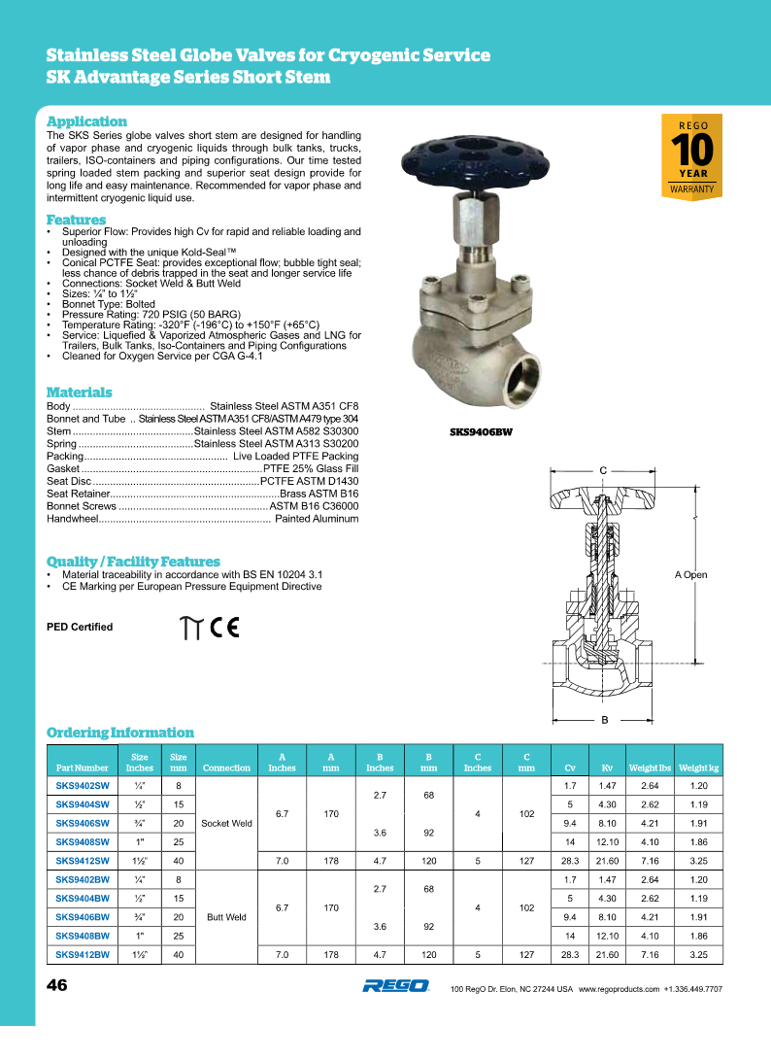
Back to Overview

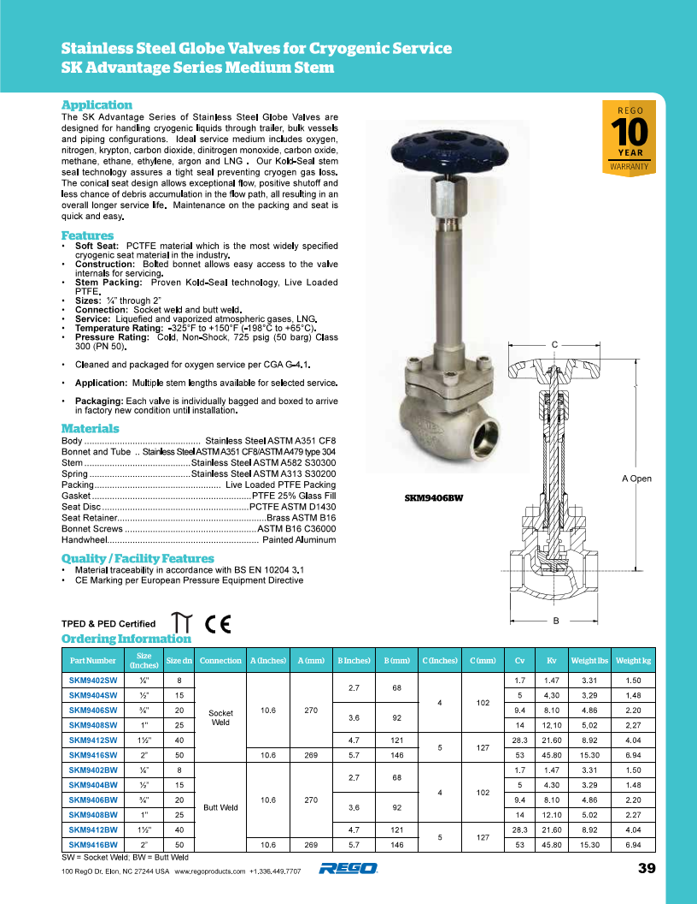
Back to Overview

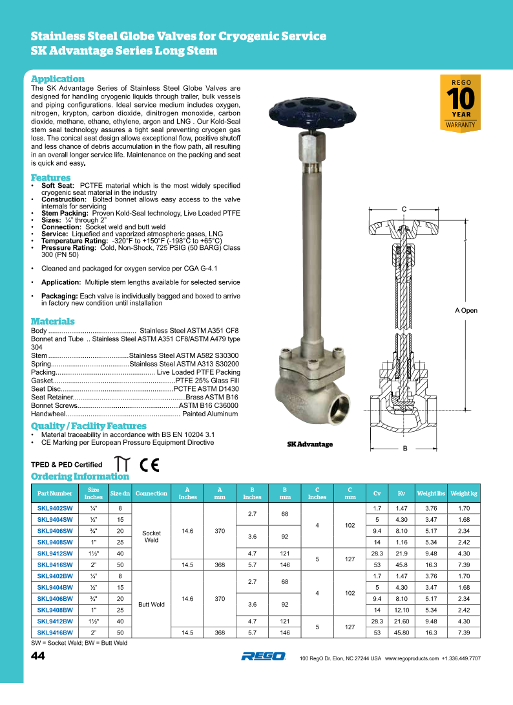
Back to Overview

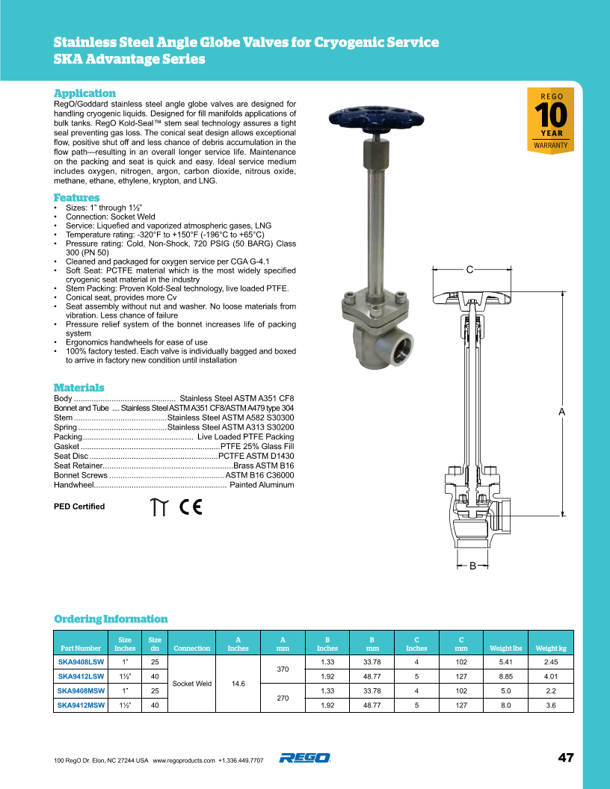
Back to Overview

210 Series
Back to Overview
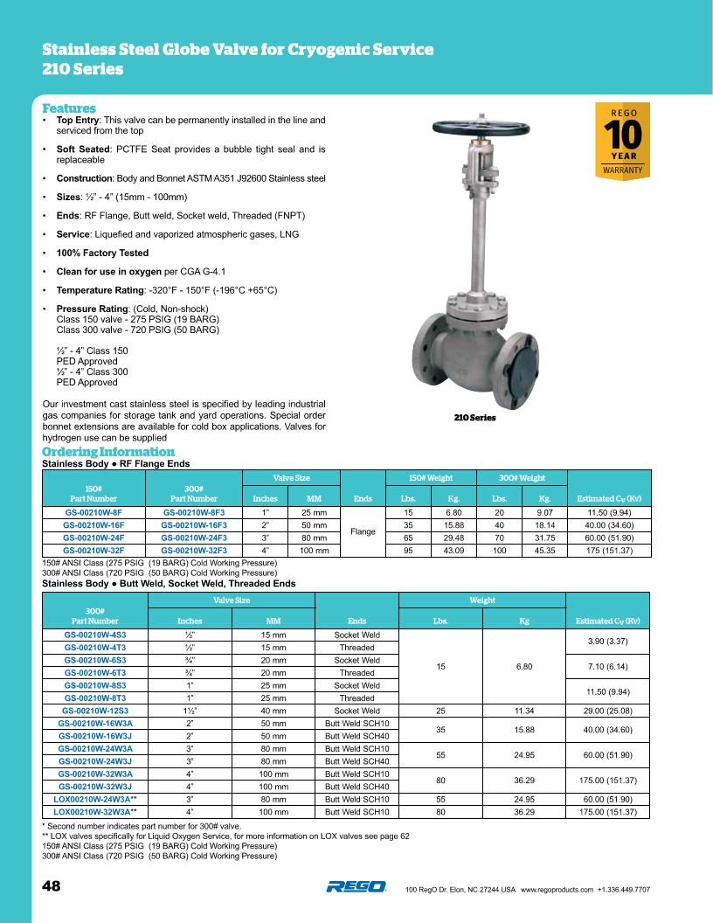

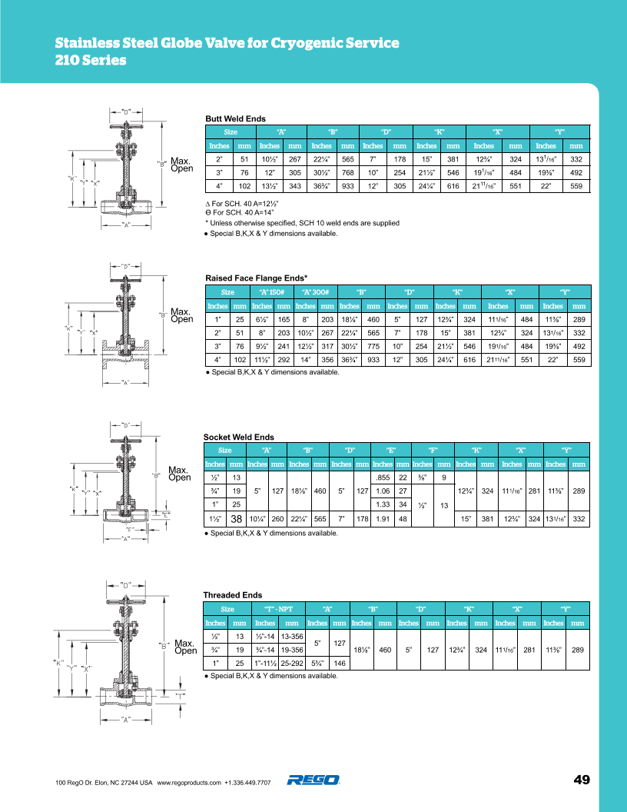
Back to Overview

SKB Series
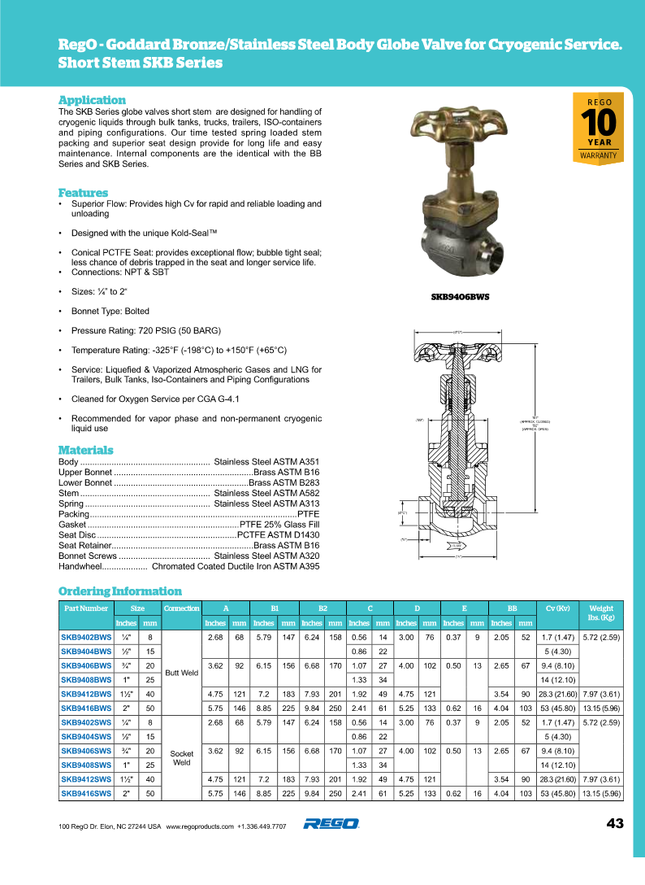

Back to Overview

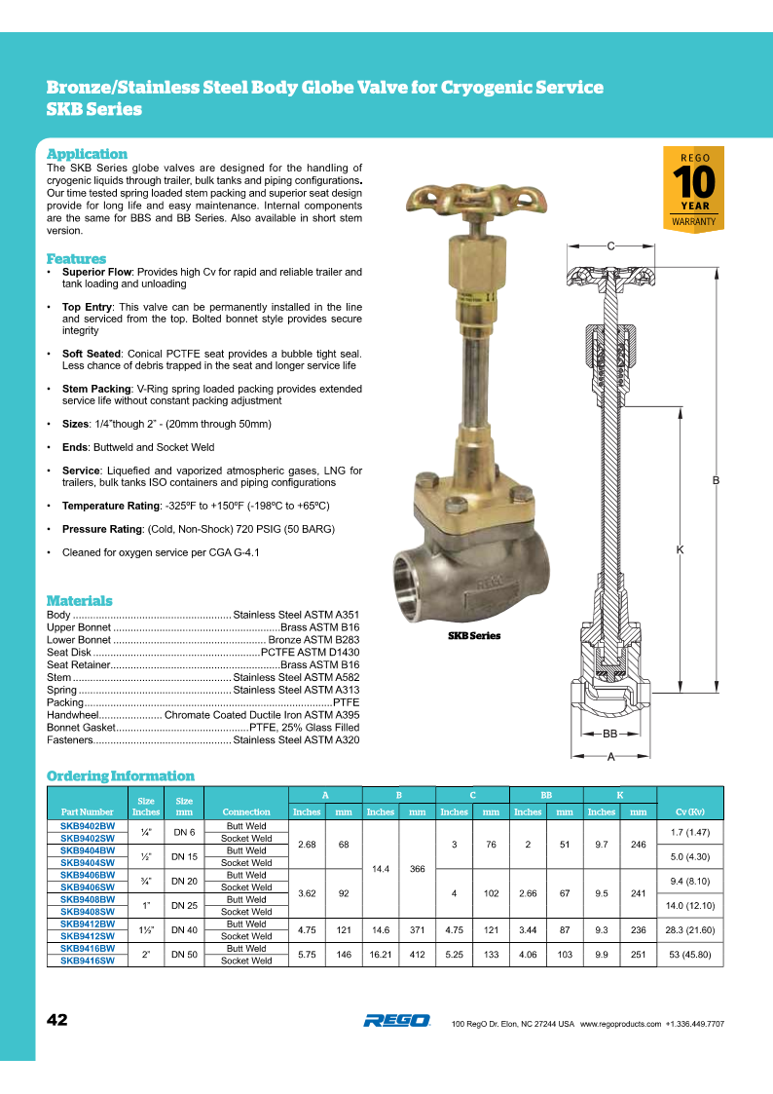

Back to Overview

BB Series
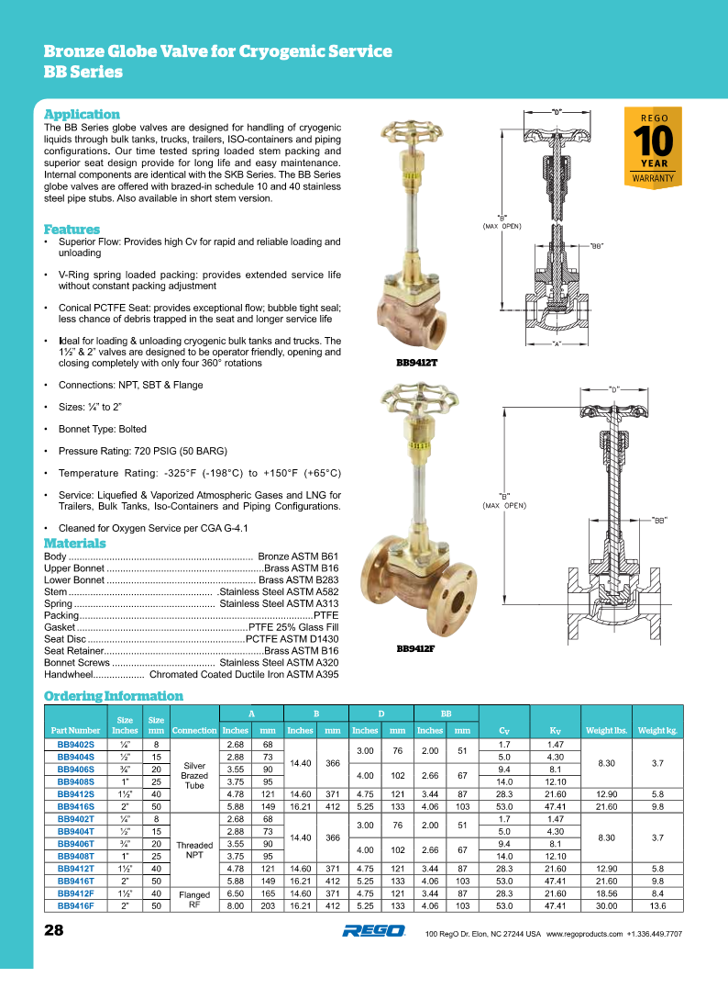
Back to Overview

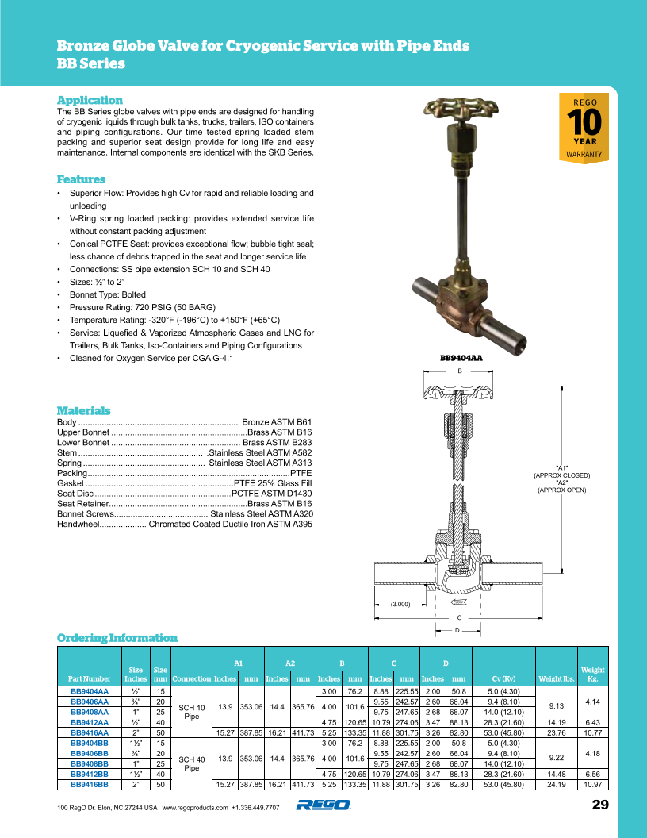
Back to Overview

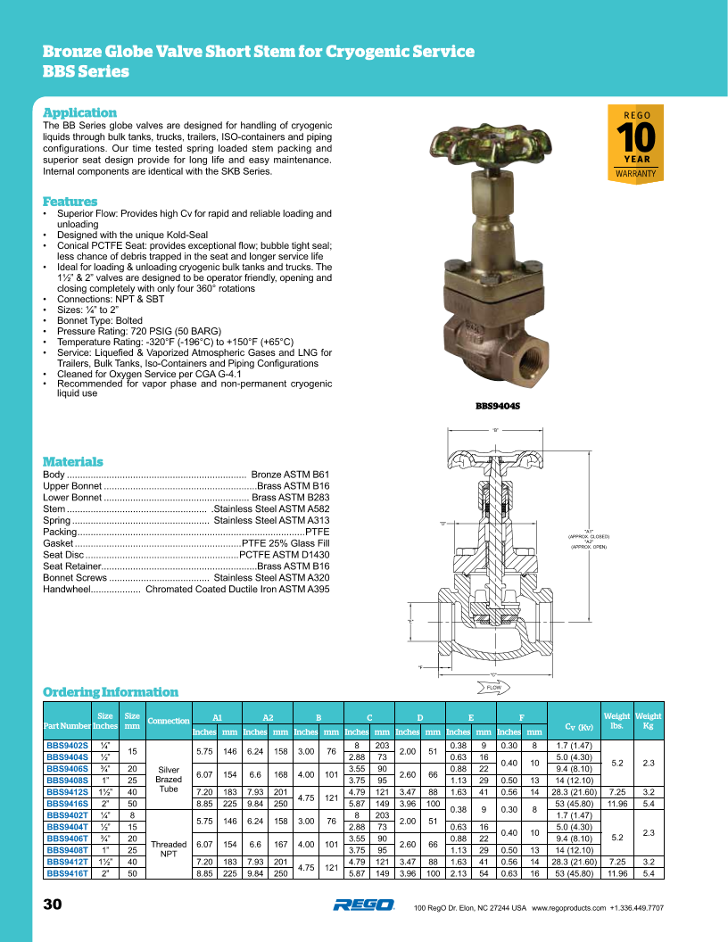
Back to Overview

B-226BLA
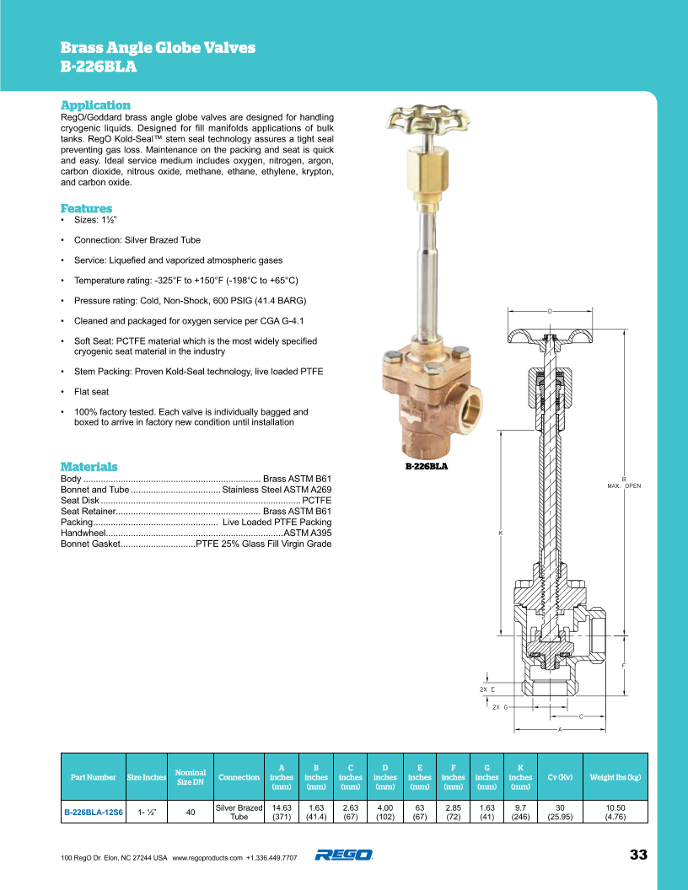
Back to Overview

231 Series
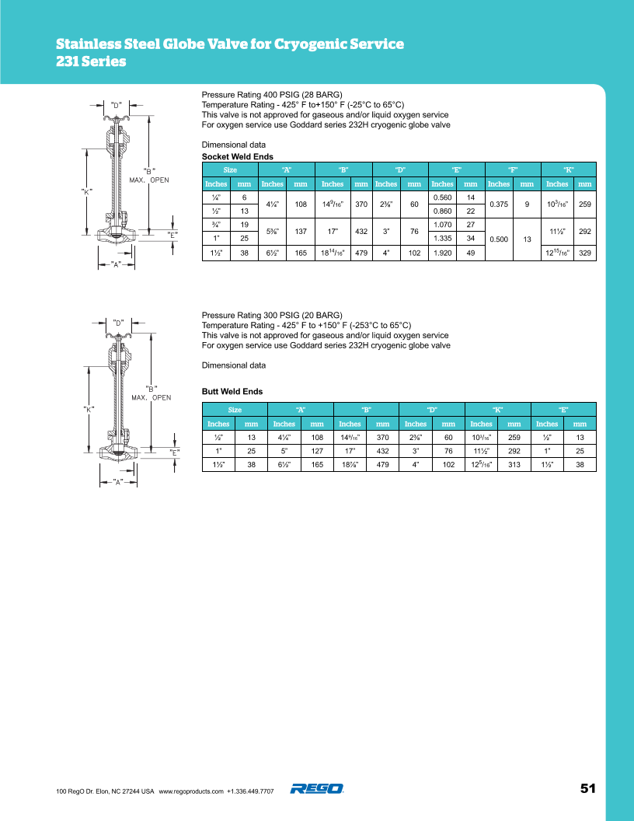
Back to Overview
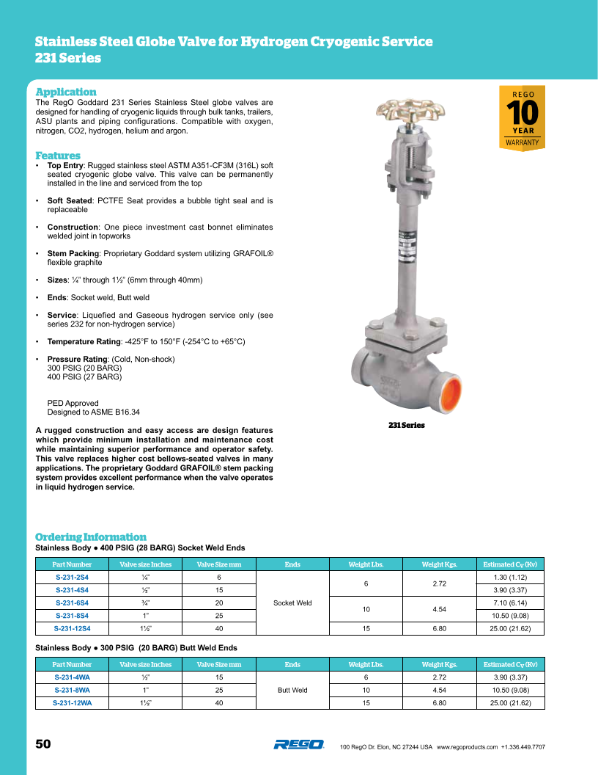

Back to Overview

232 Series
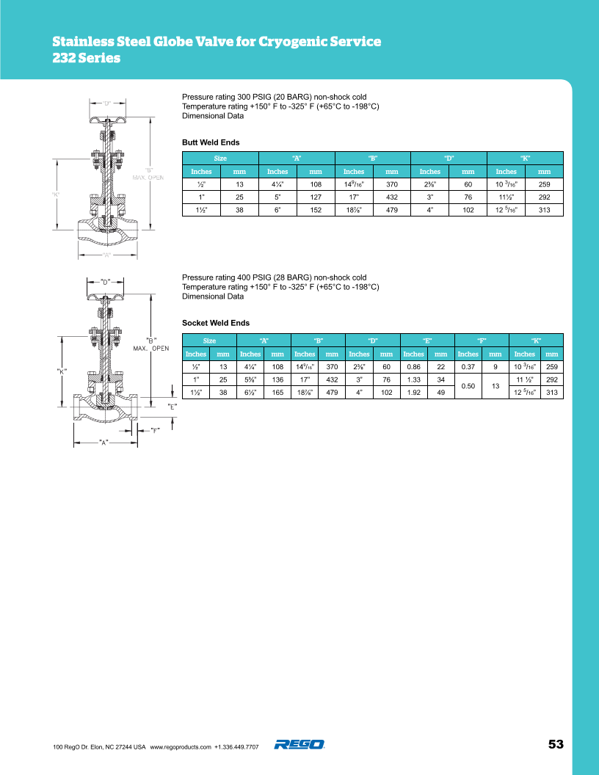
Back to Overview
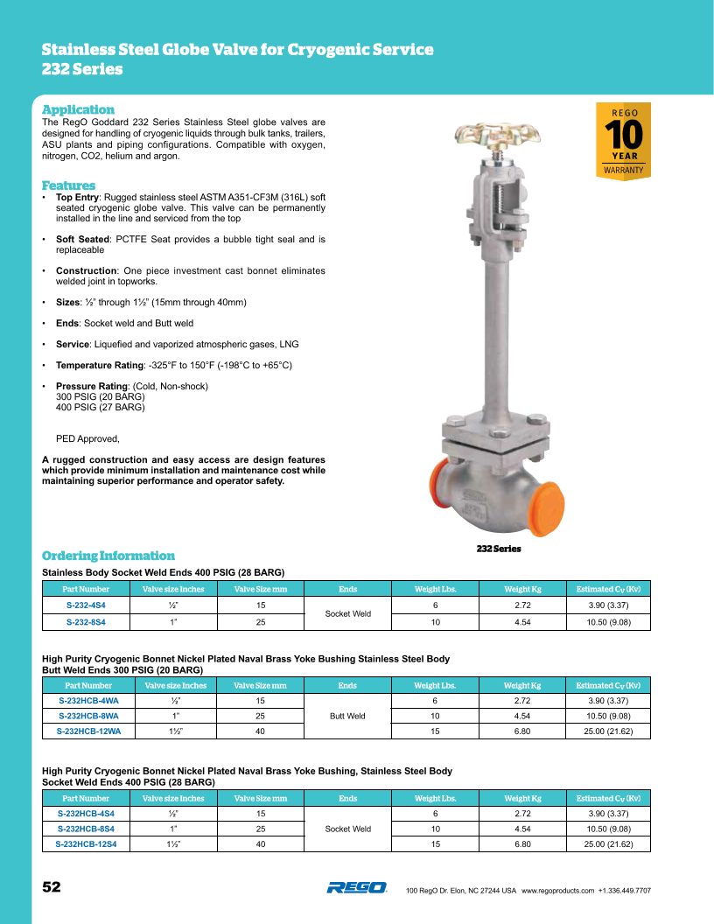

Back to Overview

BK-BKA Series
Back to Overview
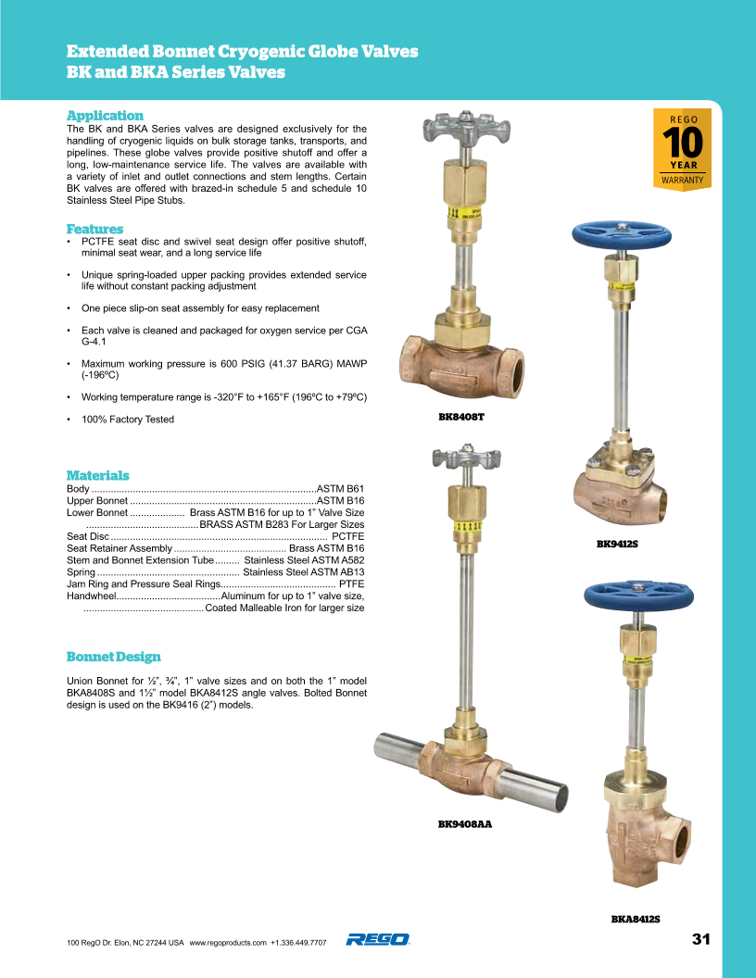

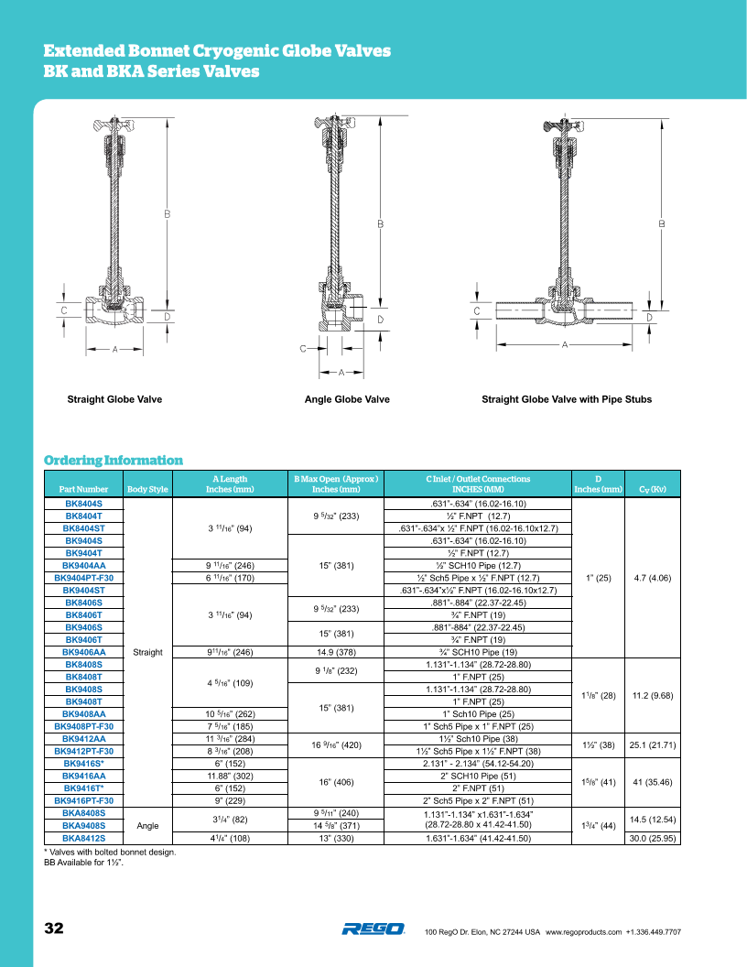
Back to Overview

222 Series
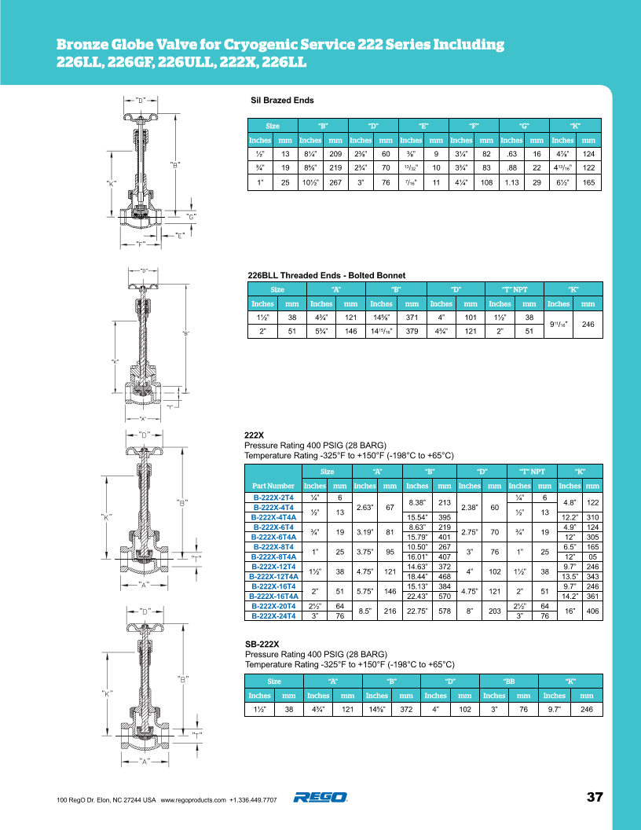
Back to Overview
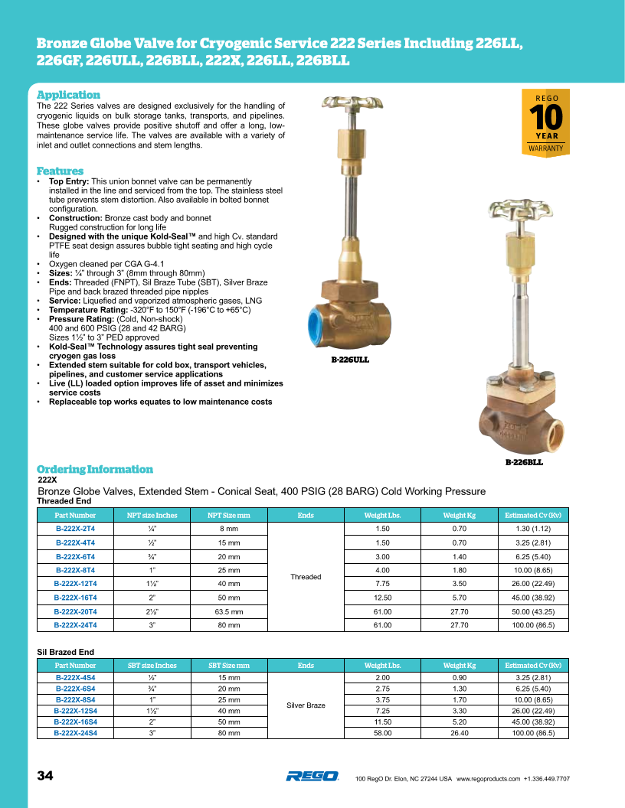

Back to Overview
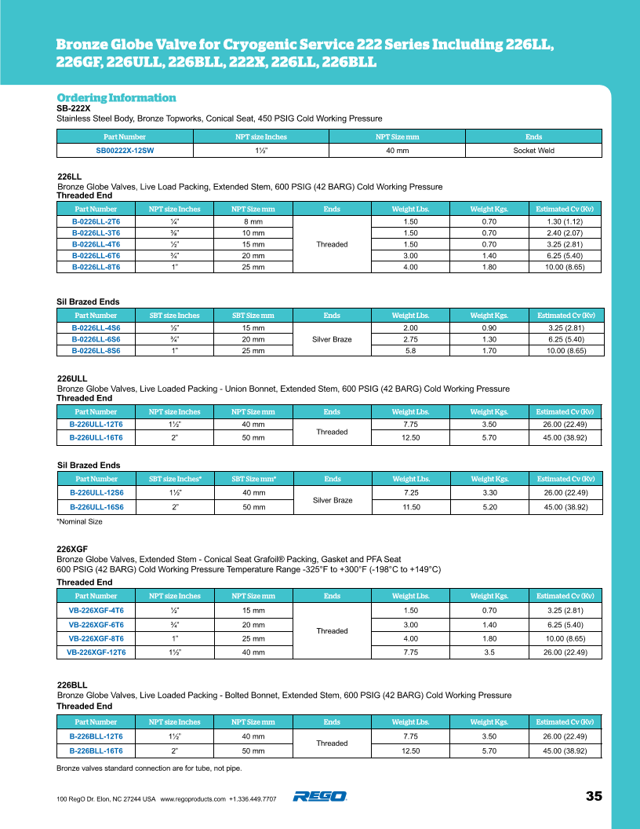

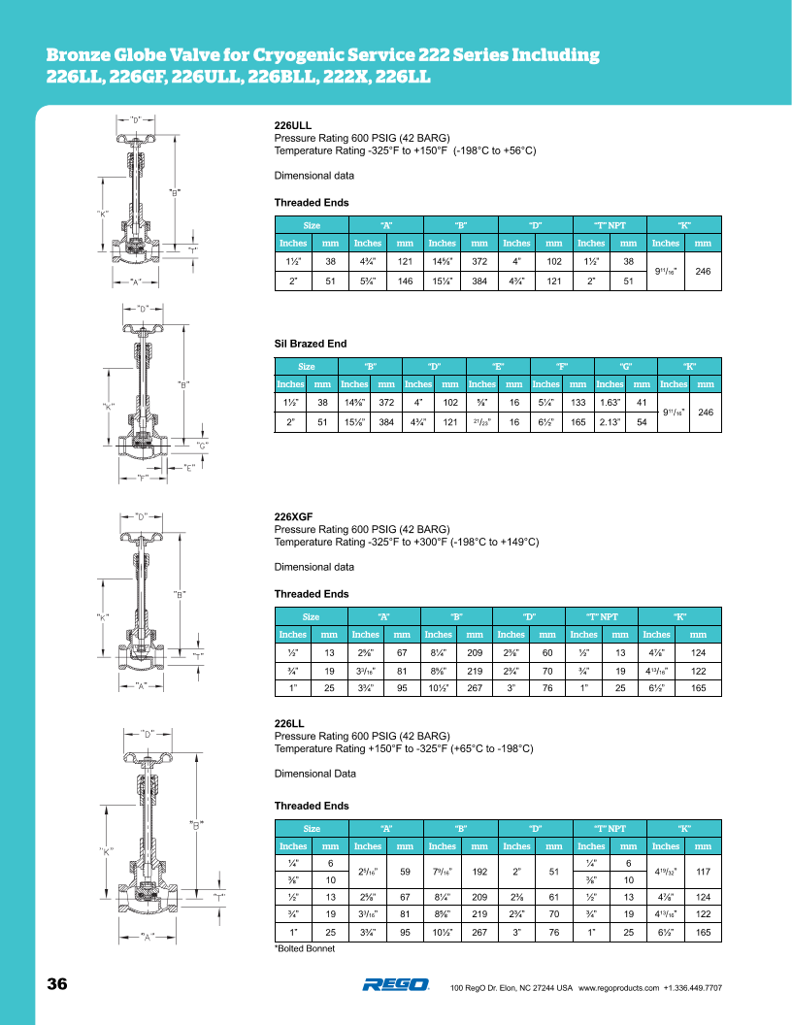
Back to Overview

Back to Overview

202X Series
Back to Overview
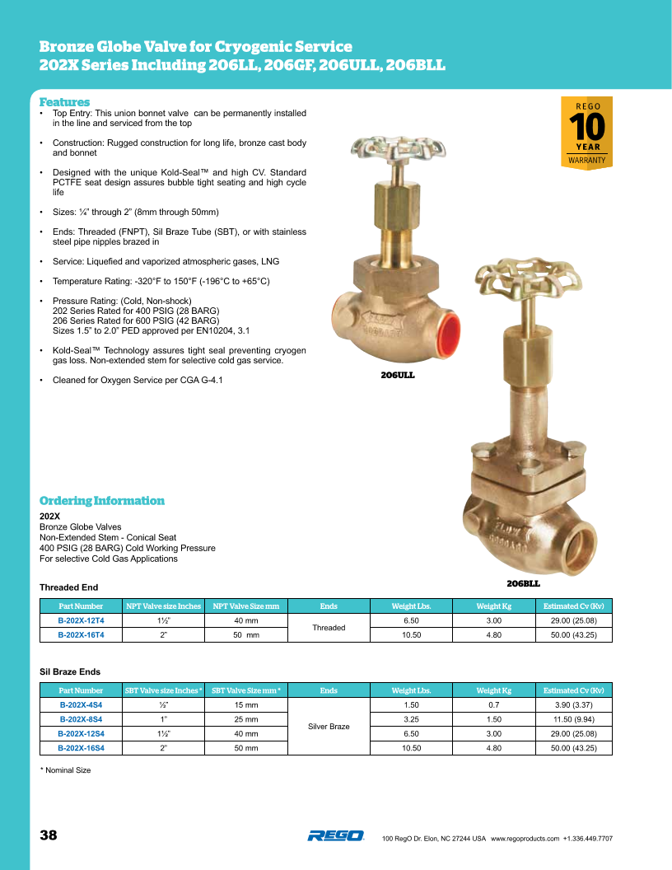

Back to Overview
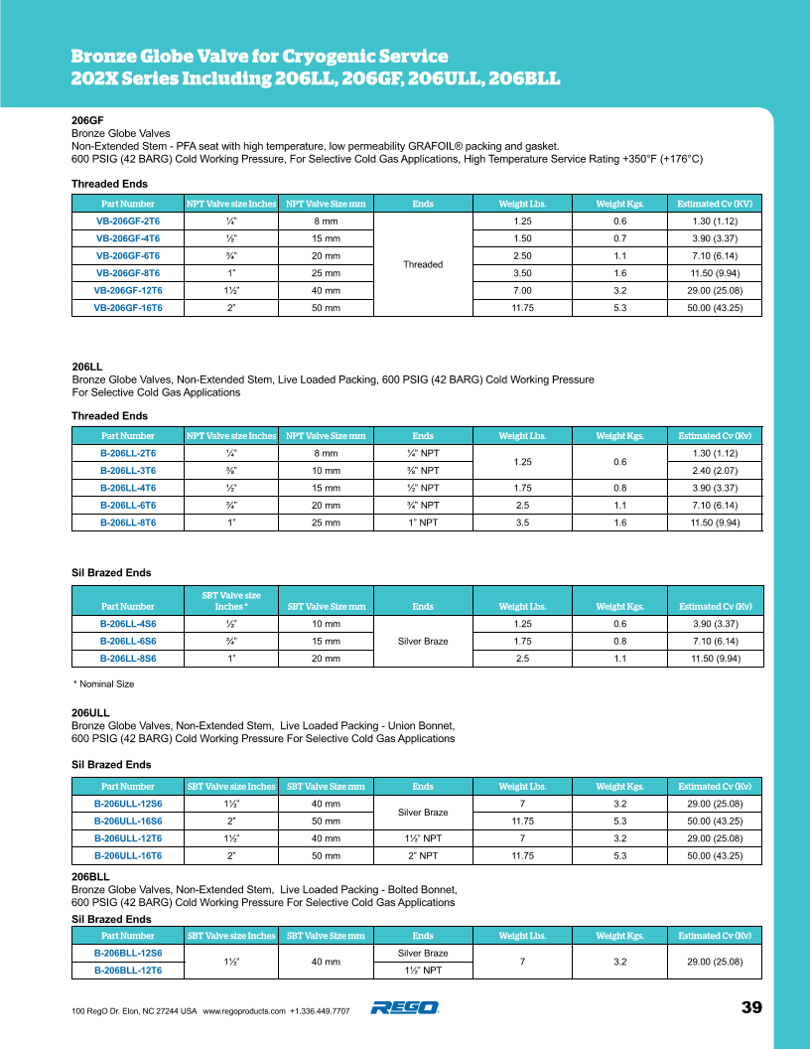

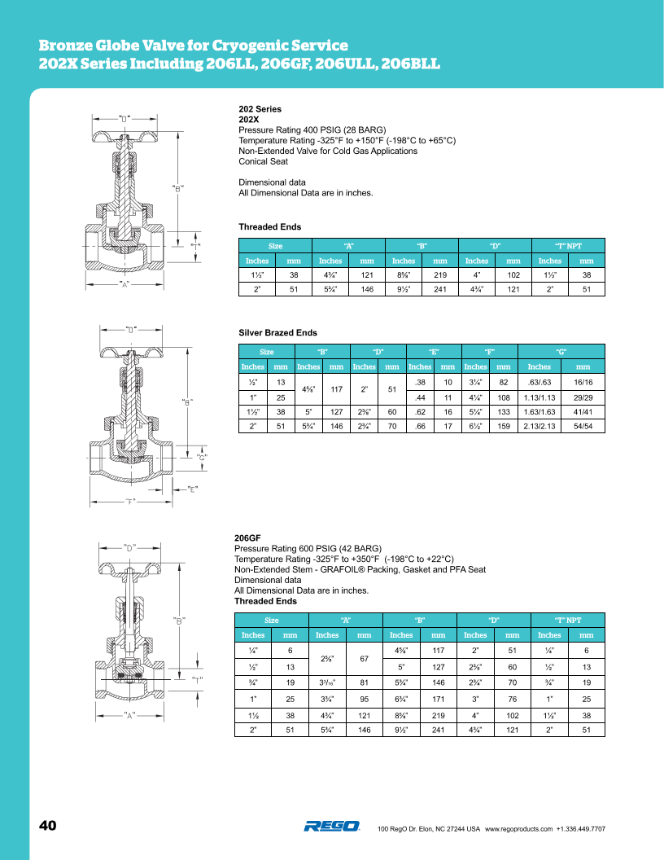
Back to Overview

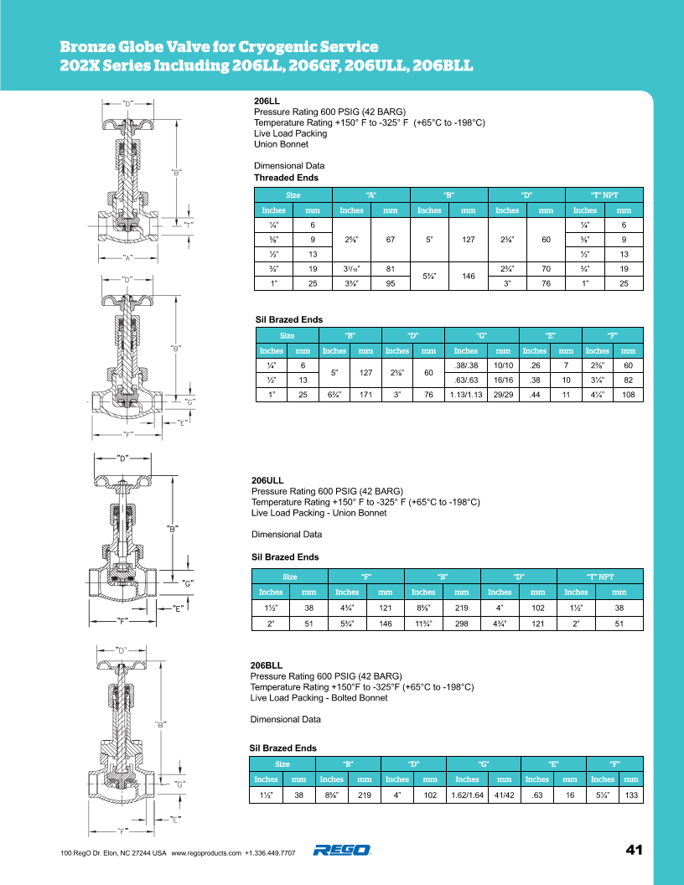
Back to Overview

2500 Series
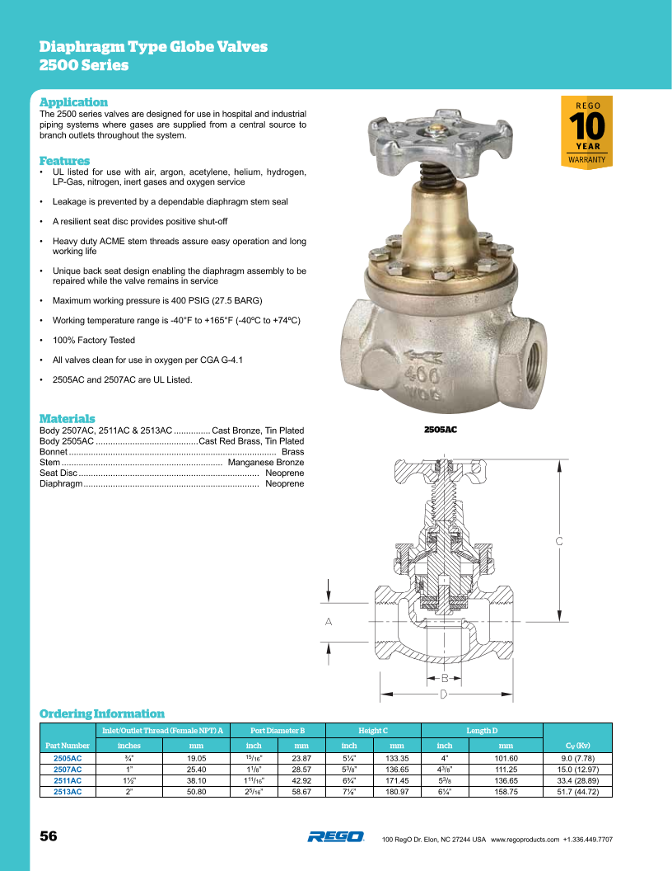
Back to Overview

2550 Series
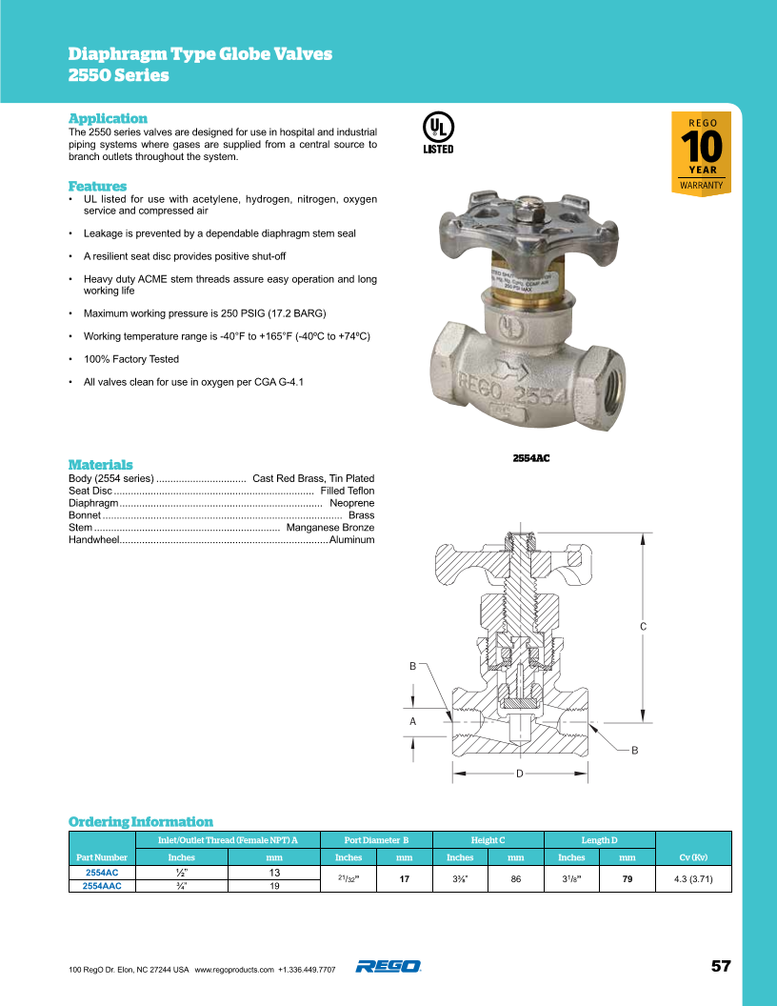
Back to Overview

