Overview
Overview of RegO Regulators
Version 28-5-2020
 | Product picture | Inlet / Outlet Connection | Maximum Inlet Pressure | Delivery Pressure Range | Temperature Range | Gas | Liquid | Application | Remarks
Pressure Builder
RG Series | Click Picture for detailed Info | Type 1 - I/O: 1/4" F.NPT Type 2 - I/O: 3/8" F.NPT | 37.9 Bar | 0 - 2.1 Bar 1.7 - 17.2 Bar 17.2 - 24.2 Bar | -196°C | Oxygen Nitrogen Argon Natural Gas CO2 | LOX LN2 LAR LNG LCO2 | Liquid Cylinder Micro Bulk less than 2000 Litres Pipeline Regulation Skid/Station
PB 504 Series | 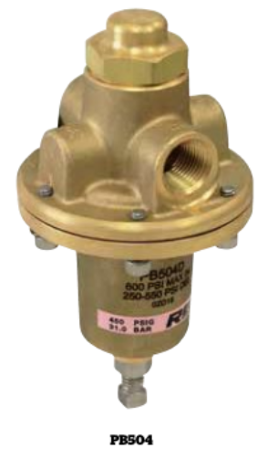 Click Picture for detailed Info | I/O: 1/2" F.NPT | 41.4 Bar | 1.4 - 5.2 Bar 3.4 - 12.4 Bar 10.3 - 20.7 Bar 17.2 - 37.9 Bar | -196°C | Oxygen Nitrogen Argon Natural Gas CO2 | LOX LN2 LAR LNG LCO2 | Microbulk starting at approx.1.600Ltr Bulk Tank 2KL to 60 KL Pipeline Regulation Skid/Station Manifold

Economizers - Back Pressure
ECL502 Series | Click Picture for detailed Info | I/O: 1/4" F.NPT | 37.9 Bar | 0.7 - 24.1 Bar | -196°C to +74°C | Oxygen Nitrogen Argon Natural Gas CO2 | LOX LN2 LAR LNG LCO2 | Liquid Cylinder Micro Bulk Bulk Tank as a Secondary pressure relief system. (blow off function)

Combination Pressure Builder/Economizer
CBH502 & CBC502 Series | Click Picture for detailed Info | I/O: 1/4" F.NPT | 37.9 Bar | 0.69 - 4.1 Bar 3.45 - 12.1 Bar 10.3 - 24.1 Bar | -196°C | Oxygen Nitrogen Argon Natural Gas CO2 | LOX LN2 LAR LNG LCO2 | Liquid Cylinder
CBE 504 Series | Click Picture for detailed Info | I/O: 1/2" F.NPT E/C: 1/4" F.NPT | 41.4 Bar | 1.4 - 5.9 Bar 3.4 - 11.7 Bar 6.9 - 17.2 Bar 13.8 - 31.0 Bar 20.7 - 37.9 Bar | -196°C | Oxygen Nitrogen Argon Natural Gas CO2 | LOX LN2 LAR LNG LCO2 | Microbulk starting at approx.1.600Ltr Bulk Tank 2KL to 60 KL

Liquid Cylinder
LCR Series | 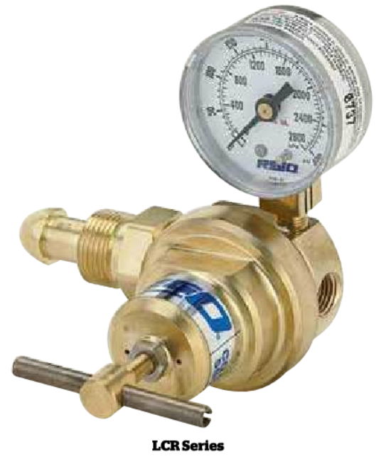 Click Picture - detailed Info | CGA 580,540 and 320 | 37.9 Bar | 1.7 - 13.8 Bar 6.9 - 24.1 Bar | -196°C to +74°C | Oxygen Nitrogen Argon Natural Gas CO2 | LOX LN2 LAR LNG LCO2 | Liquid Cylinder Liquid Manifold

Final Line Regulators
1784NG | 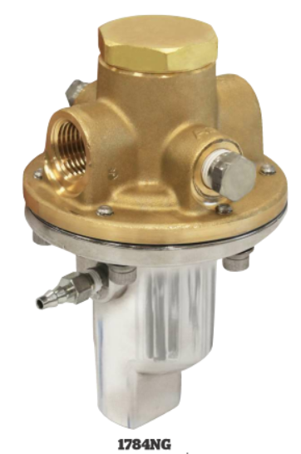 Click Picture for detailed Info | I/O: 1/2" F.NPT | 30 Bar |  | -40°C to +74°C | Natural Gas | None | Unique design for optimal natural gas engine performance
1780 Series | Click Picture for detailed Info | Type 1 - I/O: 1/2" F.NPT Type 2 - I/O: 3/4" F.NPT Type 3 - I/O: 1" F.NPT | 34.5 Bar | 0.3 - 3.8 Bar 2.8 - 7.6 Bar 6.9 - 13.8 Bar 12.1 - 20.7 Bar | -40°C to +74°C | Propane Helium Hydrogen Nitrogen Natural Gas Argon Co2 Nitrous Oxide Oxygen Medical Oxygen | None | Pipeline Regulation Skid/Station Gas Manifold
BR-1780 Series | 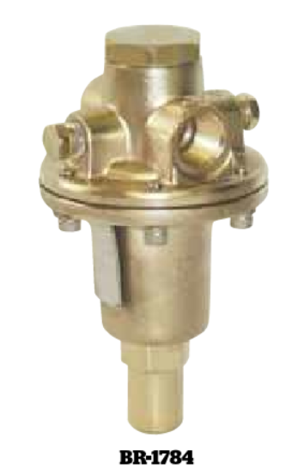 Click Picture for detailed Info | Type 1 - I/O: 1/2" F.NPT Type 2 - I/O: 3/4" F.NPT Type 3 - I/O: 1" F.NPT | 34.5 Bar | 0.3 - 3.8 Bar 2.8 - 7.6 Bar 6.9 - 13.8 Bar 12.1 - 20.7 Bar | -40°C to +74°C | Propane Helium Hydrogen Nitrogen Natural Gas Argon Co2 Nitrous Oxide Oxygen Medical Oxygen | None | Pipeline Regulation Skid/Station Gas Manifold
1682M and C-1682MSeries | Click Picture for detailed Info | I/O: 1/4" F.NPT | 28 Bar | 0.3 - 3.4 Bar 3.4 - 8.6 Bar 6.9 - 17.2 Bar | -40°C to +74°C | Oxygen Nitrogen Argon Hydrogen Helium Co2 Natural Gas | None | Pipeline Regulation Skid/Station Gas Manifold

High Pressure Regulator
4200 Series | 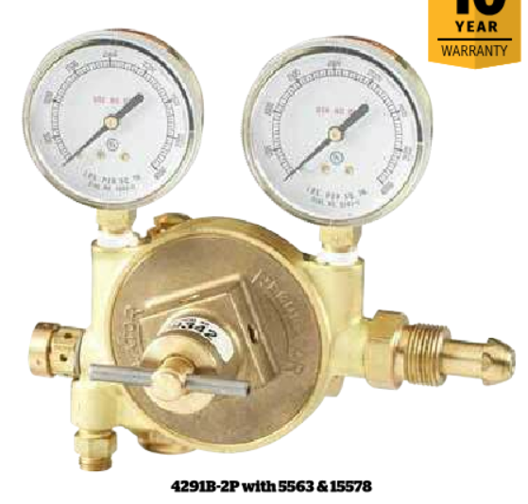 Click Picture for detailed Info | CGA580 | 206 Bar | 2 - 55 Bar | -40°C to +74°C | Industrial Air Nitrogen Helium Argon | None | High Pressure Cylinder High Pressure Manifold
4286,4289 & 4291 Series | 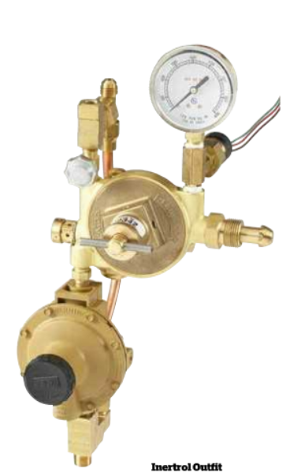 Click Picture for detailed Info | CGA580 | 206 Bar | 27 - 37 mbar | -40°C to +74°C | Nitrogen | None | Special Regulator for Electrical Transformer

Low Pressure Regulator
4403 Series | 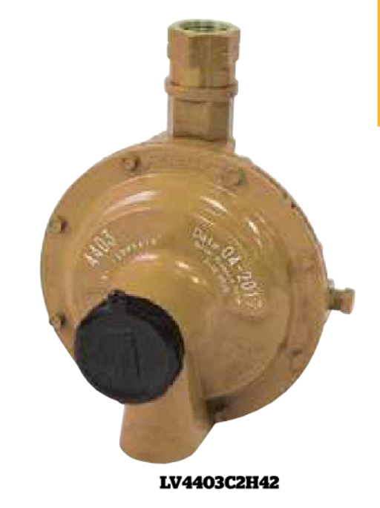 Click Picture for detailed Info | Type 1 - I/O: 1/4" F.NPT Type 2 - I/O: 1/2" F.NPT | 250 PSIG | 0.07 - 0.34 Bar 0.34 - 0.69 Bar 0.69 - 1.03 Bar | -40°C to +71°C | Propane Helium Hydrogen Nitrogen Natural Gas Argon | None | Special application for Laboratories
LV4286-10 & LV4289-10 Series | 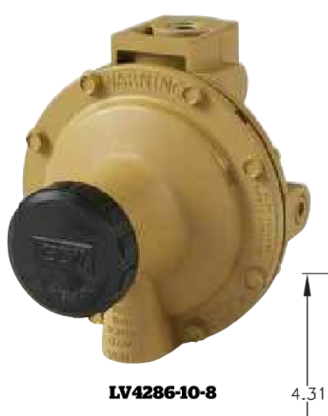 Click Picture for detailed Info | Inlet: 1/4" NPT Outlet: 1/2" NPT | 50 PSIG | 27 - 37 mbar | -40°C to +71°C | Propane Helium Hydrogen Nitrogen Natural Gas Argon | None | Special application for Laboratories

RG
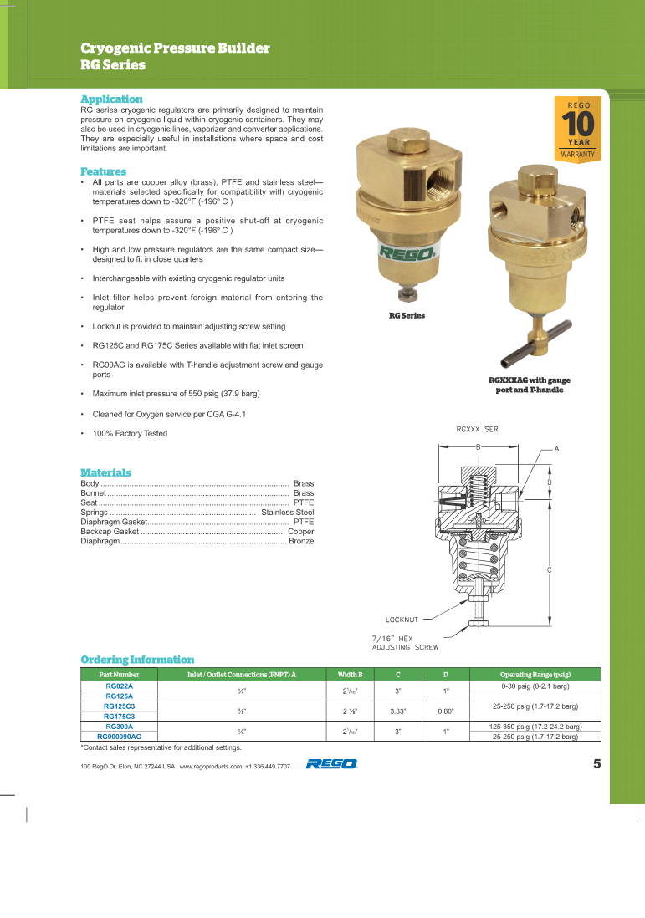
Back to Overview

PB504
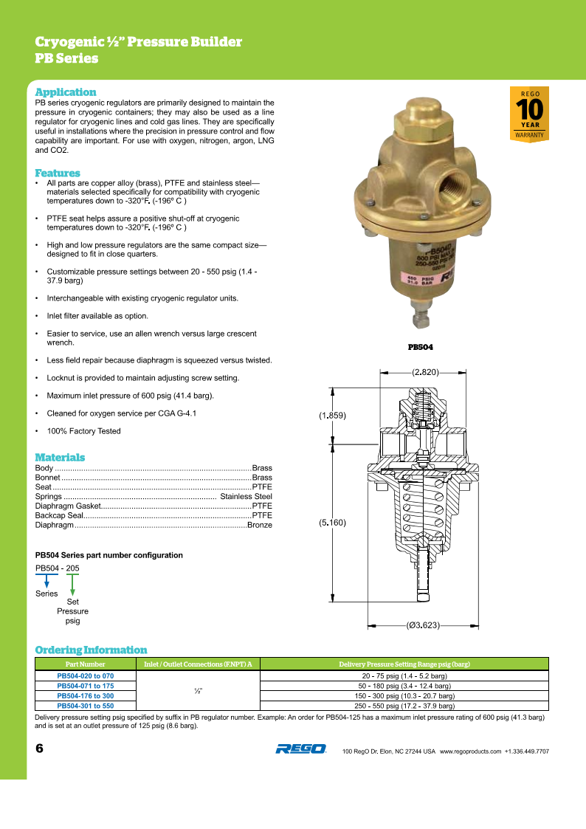
Back to Overview

ECL502
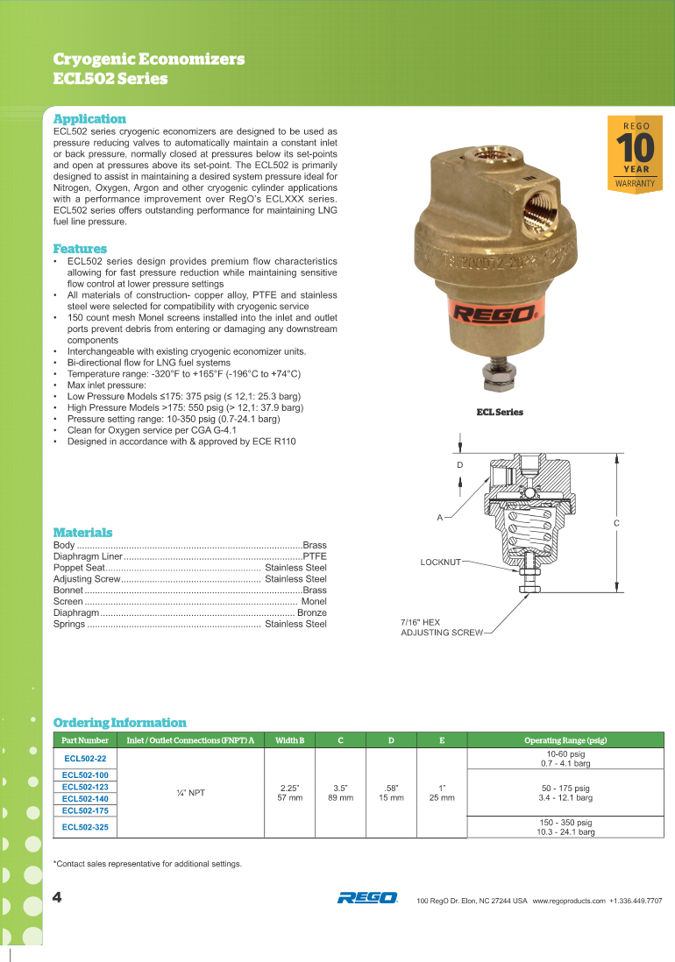
Back to Overview

CBH502&CBC502
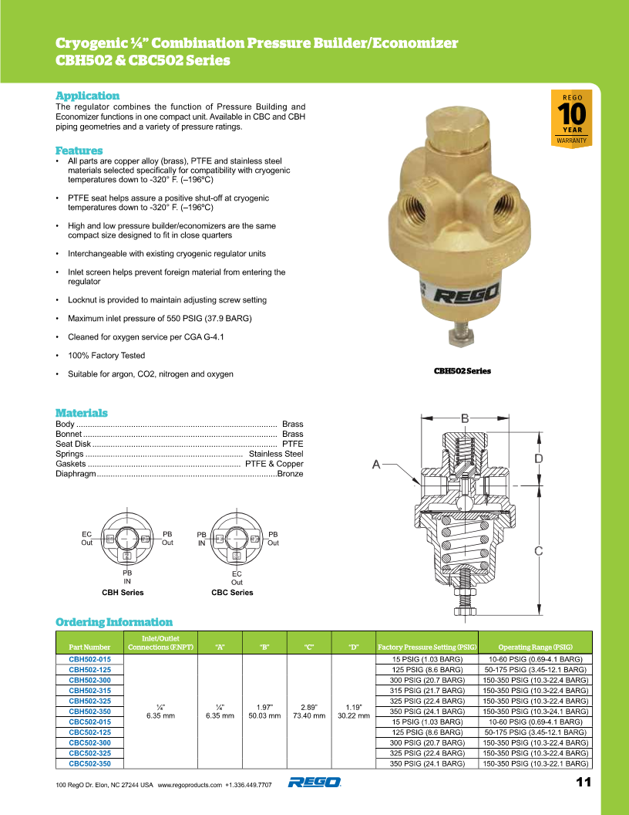
Back to Overview

CBE
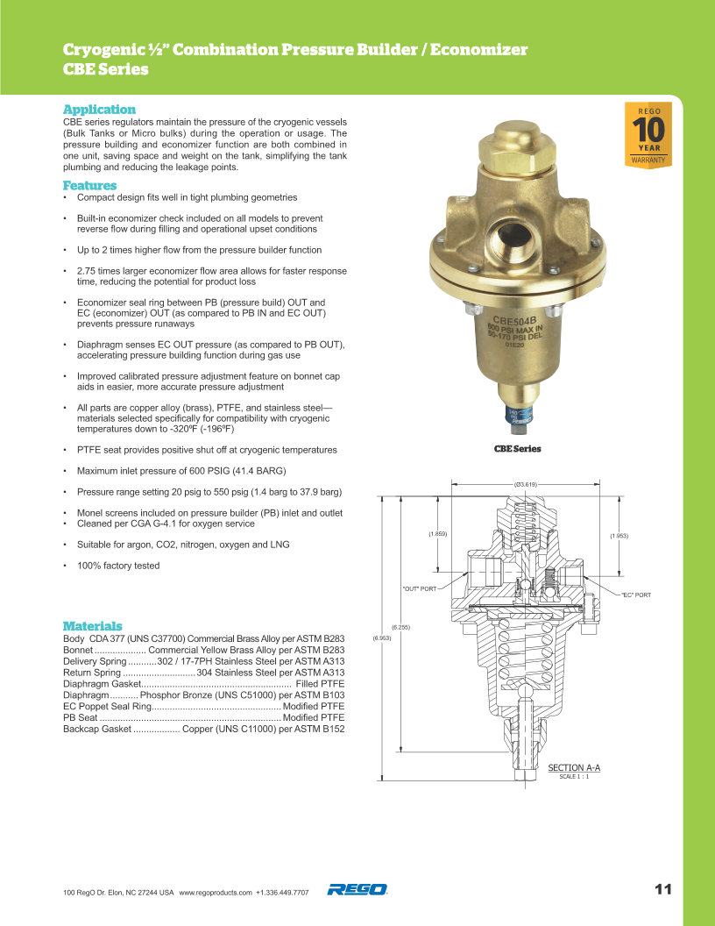
Back to Overview

LCR
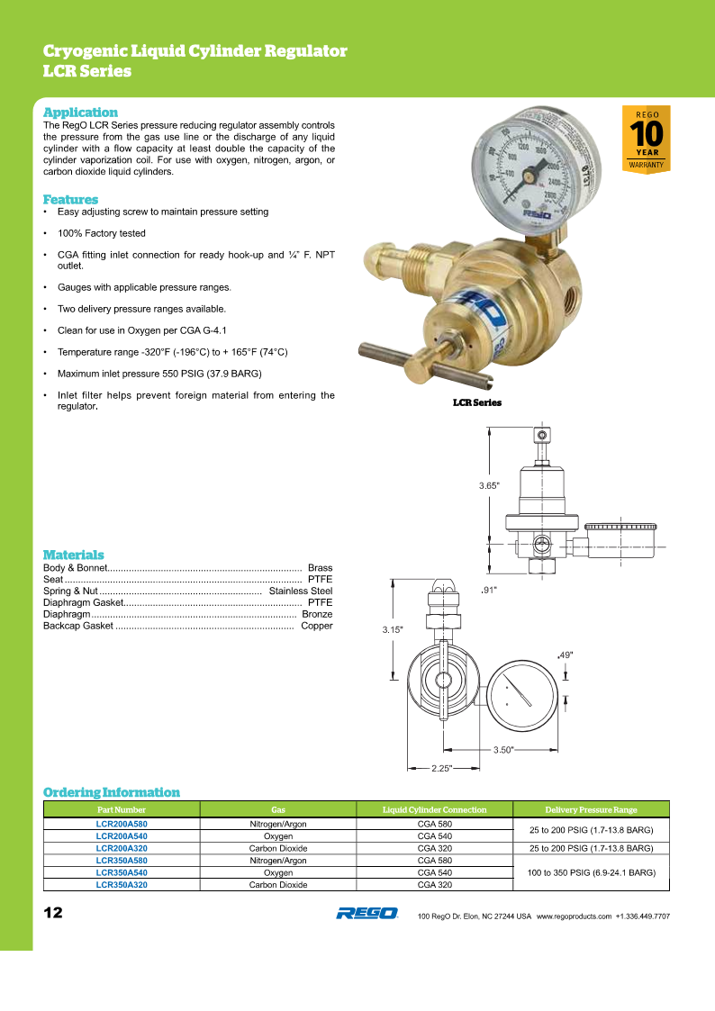
Back to Overview

1784NG
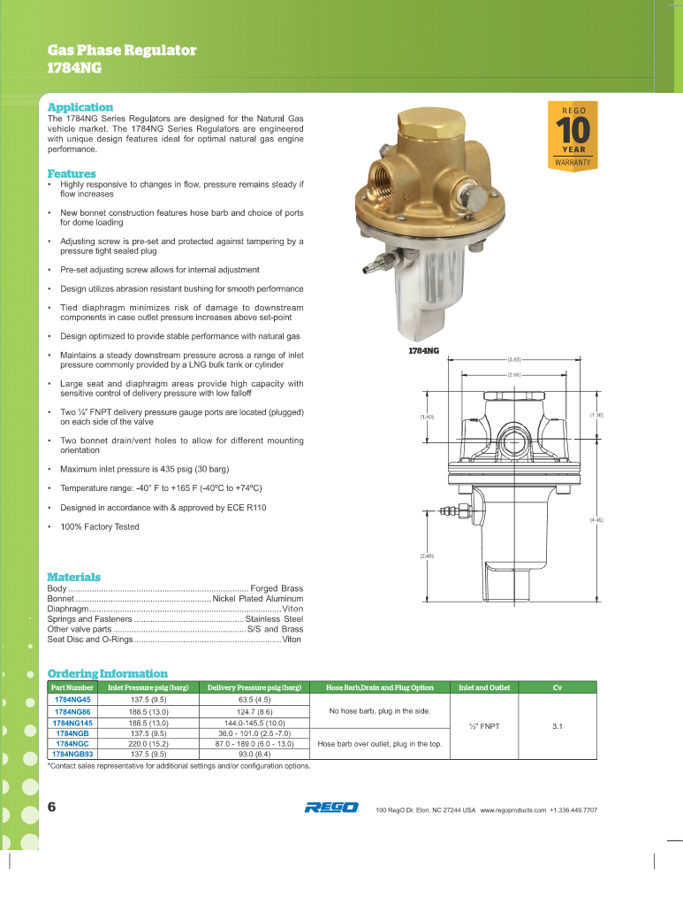
Back to Overview

1780
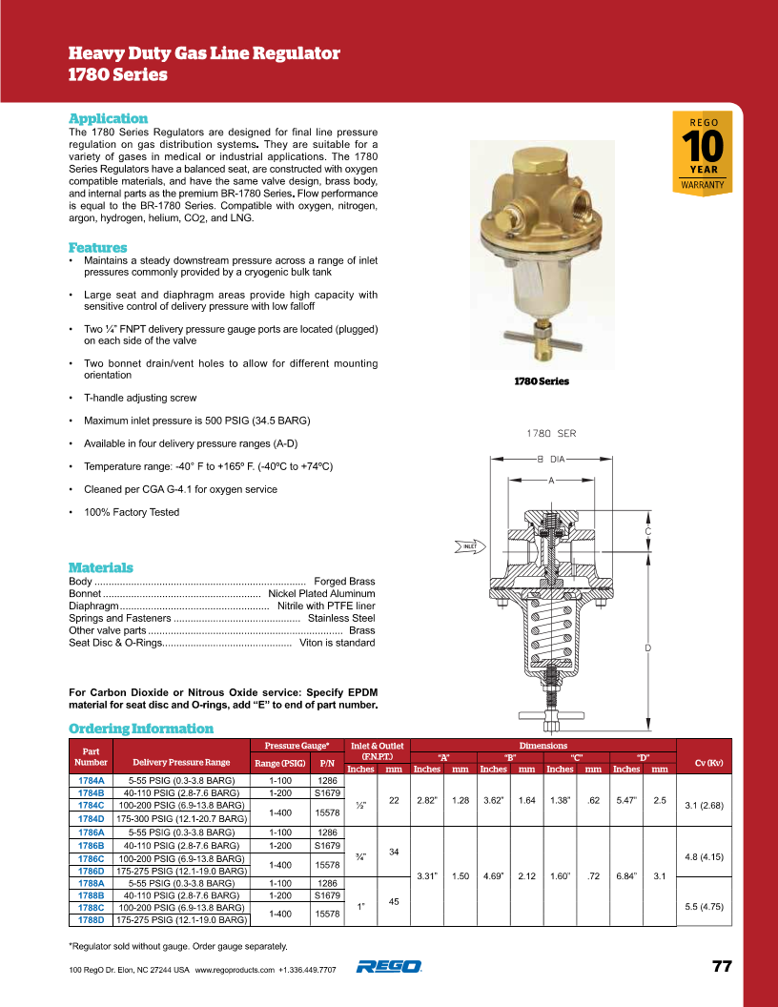
Back to Overview

BR-1780
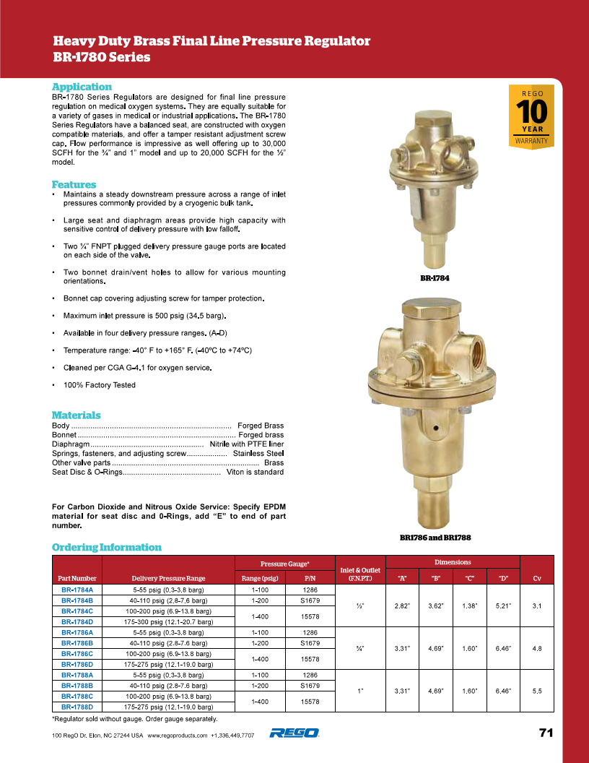
Back to Overview

1682M&C-1682M
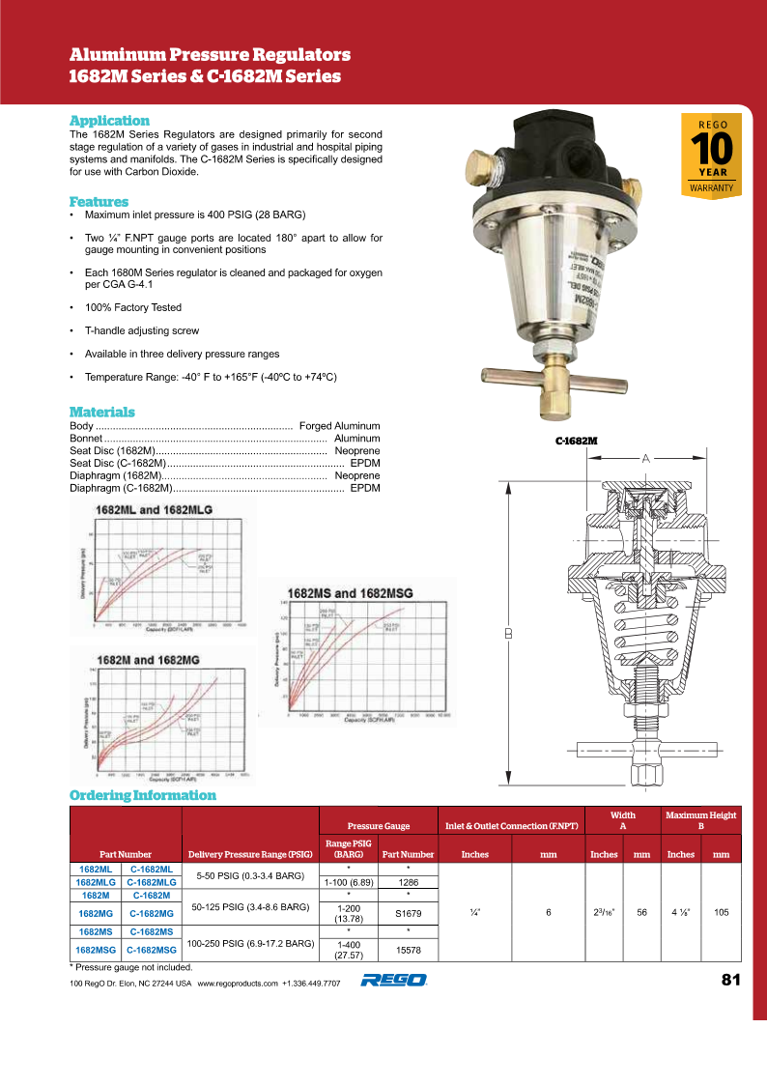
Back to Overview

4200
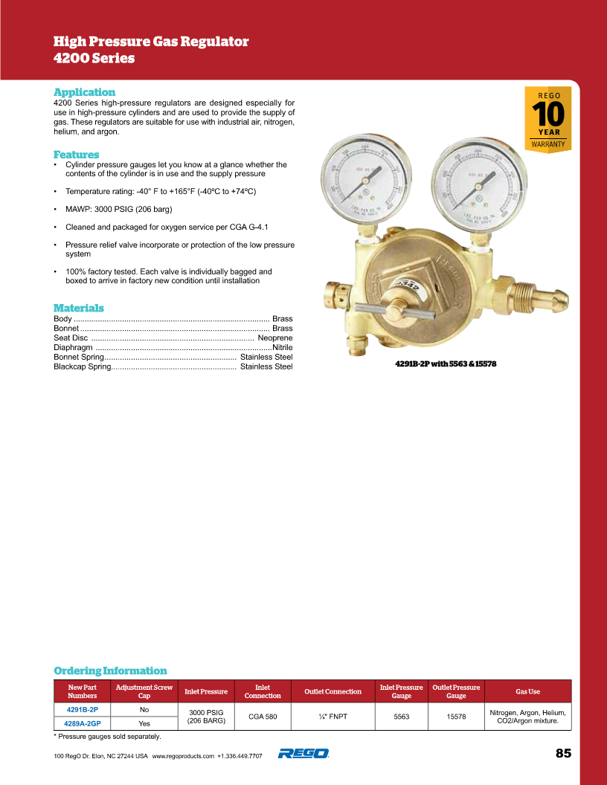
Back to Overview

4286,4289,4291
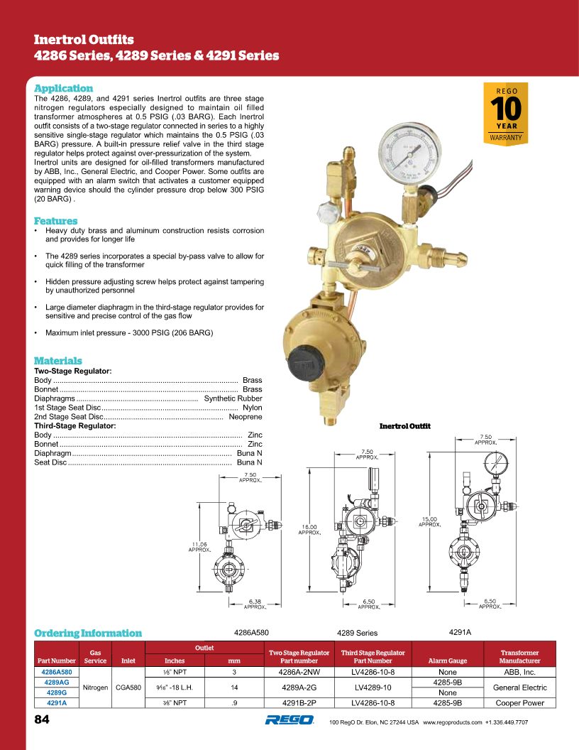
Back to Overview

4403
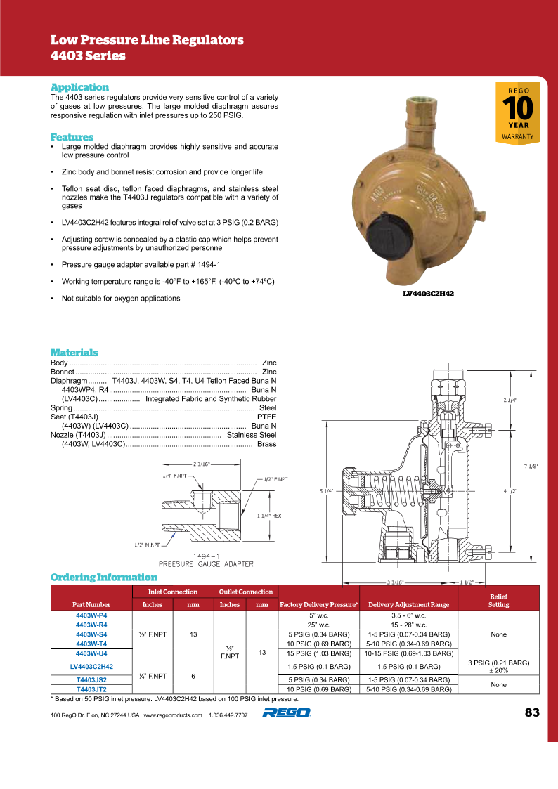
Back to Overview

LV4286-10 & LV4289-10
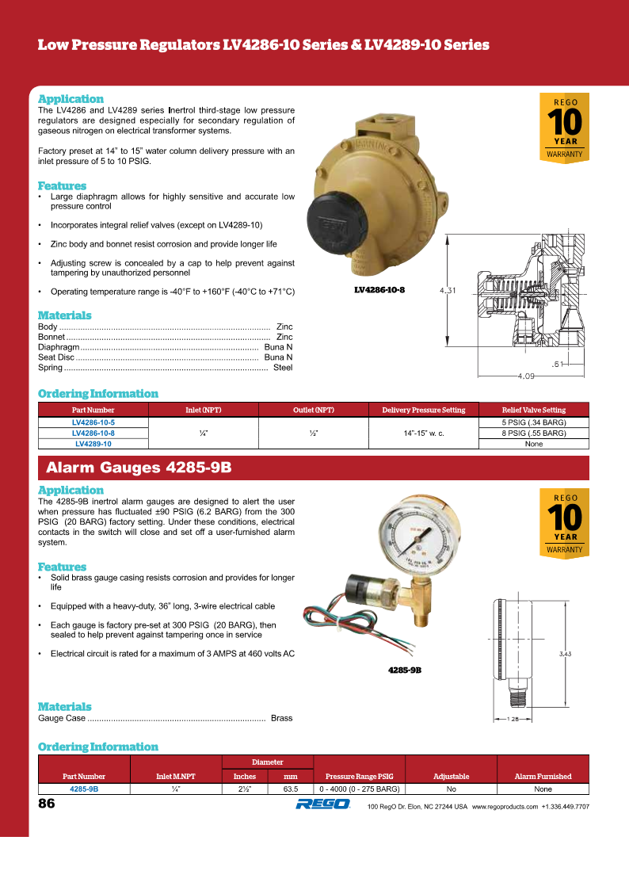
Back to Overview

