Standard
Overview RegO Relief Valves
Version | 28-1-2021
 |  |  |  |  |  |  |  |  | PSI | Bar
Notes | Nearly all Relief Valves from this page can be set in our own EU factory, within 2 weeks delivery time Nearly all Settings can be made within the range as mentioned below in: Pressure Range Setting |  |  |  |  |  |  | Calculator from PSI to Bar | 500 | 34.473724127

Style | Product Pictures | Inlet Size | Outlet Size | Pressure Range Setting | Set At | Gas | Liquid | Flow Capacity/Kv Factor | Certification | Remarks

Relief Valve, Non-ASME 9400 Series- Brass Body and Valve Material
PRV9432 | Click picture for detailed info | 1/4" M.NPT | 3/4-20 UNF-2B THD | 0.68 - 41.36 Bar | RegO GmbH | Oxygen Nitrogen Argon Helium Hydrogen CO2 Natural Gas Air N2O | Use Candy Cane ! Oxygen Nitrogen Argon CO2 LNG N2O | See the Flow Capacity in the detailed excell page below | PED TPED E4-110R (automotive) | F for Fluorosilicone for Pressure Range: 1.10 - 9.58 Bar T for PTFE for Pressure Range: 9.65 - 41.36 Bar N for B-9425 and B-9426, Fluorosilicone seat, all set pressures *Insert P if you want no drain hole, in case of Pipe Away Option Set Point Tolerance +- 3% Example Part Number: PRV9432TP: 18.2B
PRV9433 |  | 3/8" M.NPT | 3/4-20 UNF-2B THD |  | RegO GmbH
PRV9434 |  | 1/2" M.NPT | 3/4-20 UNF-2B THD |  | RegO GmbH

Optional: Pipe Away Connector, to connect a blow off pipe to the outlet of the PRV
B-9412-2 | Click picture for detailed info | 3/4-20 UNF-2B THD | 3/8" F.NPT
B-9412-4 |  | 3/4-20 UNF-2B THD | 1/2" F.NPT

Relief Valve, Non-ASME 9400 Series- Stainless Steel Body and Valve Material
SS9432 | Click picture for detailed info | 1/4" M.NPT | 3/4-20 UNF-2B THD | 0.68 - 41.36 Bar | RegO GmbH | Oxygen Nitrogen Argon Helium Hydrogen CO2 Natural Gas Air N2O | Use Candy Cane ! Oxygen Nitrogen Argon CO2 LNG N2O | See the Flow Capacity in the detailed excell page below | PED TPED | F for Fluorosilicone for Pressure Range: 1.10 - 9.58 Bar T for PTFE for Pressure Range: 9.65 - 41.36 Bar N for B-9425 and B-9426, Fluorosilicone seat, all set pressures *Insert P if you want no drain hole, in case of Pipe Away Option Set Point Tolerance +- 3% Example Part Number: SS9432TP: 18.2B
SS9433 |  | 3/8" M.NPT | 3/4-20 UNF-2B THD |  | RegO GmbH
SS9434 |  | 1/2" M.NPT | 3/4-20 UNF-2B THD |  | RegO GmbH

Optional: Pipe Away Connector, to connect a blow off pipe to the outlet of the PRV
SS-9412-2 Not available yet | Click picture for detailed info | 3/4-20 UNF-2B THD | 3/8" F.NPT |  |  |  |  |  |  | Carlos created a CO 29-4-2020
SS9412-4 |  | 3/4-20 UNF-2B THD | 1/2" F.NPT

Candy Cane Riser Tubes
1332SS | 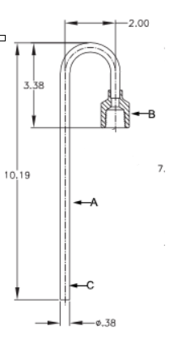 Click picture for detailed info | Tubing 0.375" | 1/4" FNPT | 41.37 Barg |  |  |  |  |  | Tubing…............Stainless Steel Fitting…........................Brass
1334SS |  |  | 1/2" FNPT
1344SS | Click picture for detailed info | 1/2" MNPT
1344SSA

Right Angle Relief Valve NG-900 Series- Brass Body and Valve Material
NG9002T | 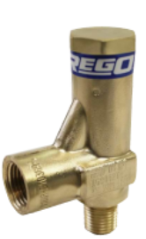 Click picture for detailed info | 1/4" M.NPT | 3/8" F.NPT | 1-31.6 Bar | RegO GmbH | Oxygen Nitrogen Argon Helium Hydrogen CO2 Natural Gas Air N2O | Oxygen Nitrogen Argon Helium Hydrogen CO2 Natural Gas Air N2O |  | PED TPED E4-110R (NG9002 & NG9008)
NG9003T |  | 3/8" M.NPT | 3/8" F.NPT | Settings available: 15.8 Bar 17.2 Bar 19.0 Bar 24.1 Bar 28.6 Bar | RegO GmbH |  |  |  |  | New Pressure Settings on request.
NG9004T Not available yet |  | 1/2" M.NPT Not available yet | 3/8" F.NPT Not available yet | 1-31.6 Bar Not available yet | RegO GmbH |  |  |  |  | Carlos has created a CO Request in order to create this new part (22-4-2020)
NG9008M | 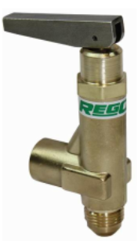 Click picture for detailed info | SAE J514 | 3/8" F.NPT | Fixed Settings 230 PSI 250 PSI 320 PSI | ECI

Angle Relief Valve, AR4100 Series - NPT connections
AR4104 | 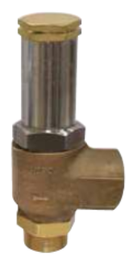 Click picture for detailed info | 1/2" M.NPT | 1" F.NPT | 5.17 - 39.03 Bar | RegO GmbH | Oxygen Nitrogen Argon Helium Hydrogen CO2 Natural Gas Air N2O | Oxygen Nitrogen Argon Helium Hydrogen CO2 Natural Gas Air N2O | See the Flow Capacity in the detailed excell page below | PED TPED ASME (when set at USA) CRN (when set at USA)
AR4106 |  | 3/4" M.NPT | 1" F.NPT | 5.17 - 39.03 Bar | RegO GmbH
AR4108 |  | 1" M.NPT | 1-1/4" F.NPT | 2 - 27.58 Bar | RegO GmbH
AR4112B |  | 1-1/2" M.NPT | 2" F.NPT | 2.75 - 29.90 Bar | RegO GmbH

Angle Relief Valve, AR5100 Series - BSP connections
AR5104 | Click picture for detailed info | 1/2" M.BSPT | 1" F.BSPT | 5.17 - 39.03 Bar | RegO GmbH | Oxygen Nitrogen Argon Helium Hydrogen CO2 Natural Gas Air N2O | Oxygen Nitrogen Argon Helium Hydrogen CO2 Natural Gas Air N2O | See the Flow Capacity in the detailed excell page below | PED TPED ASME (when set at USA) CRN (when set at USA)
AR5106 |  | 3/4" M.BSPT | 1" F.BSPT | 5.17 - 39.03 Bar | RegO GmbH
AR5108 |  | 1" M.BSPT | 1-1/4" F.BSPT | 2 - 27.58 Bar | RegO GmbH
AR5112B |  | 1-1/2" M.BSPT | 2" F.BSPT | 2.75 - 29.90 Bar | RegO GmbH

Special
Overview RegO Relief Valves
Style | Product Pictures | Inlet Size | Outlet Size | Pressure Range Setting | Set At | Temperature Range | Gas | Liquid | Certificate | Remarks

Notes | All Relief Valves from this page are Special and are being set in USA manufacturing, lead time is 60-90 days All settings can be made within the range as mentioned below in in Pressure Range Setting

Relief Valve, Non-ASME 9400 Series- Brass Body and Valve Material
B-9425 |  | 3/4" M.NPT | 1" F.NPT | 1.37 - 20.68 Bar | ECI | Flurosilicone Seat (-51°C to +74°C) | Oxygen Nitrogen Argon Helium Hydrogen CO2 Natural Gas Air N2O | Use Candy Cane ! Oxygen Nitrogen Argon CO2 LNG N2O |  | N for B-9425 and B-9426, Fluorosilicone seat, all set pressures Set Point Tolerance +/- 3% Insert P if no drain hole
B-9426 |  | 1" M.NPT | 1-1/4" F.NPT | 4.13-20.68 Bar | ECI | Flurosilicone Seat (-51°C to +74°C) |  |  |  | N for B-9425 and B-9426, Fluorosilicone seat, all set pressures Set Point Tolerance +/- 3% Insert P if no drain hole

Relief Valve, ASME PRV19430 Series- Brass Body and Valve Material
PRV19432 | 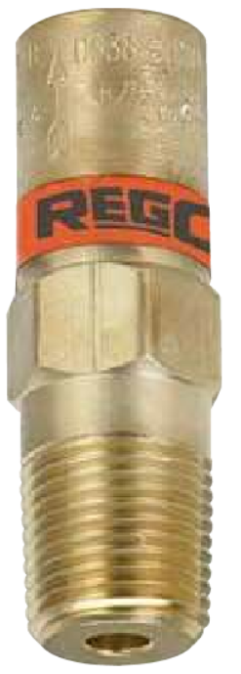 | 1/4" M.NPT |  | 1.17 - 41.36 Bar | ECI | Teflon Seat (-196°C to +74°C) Fluorosilicone Seat (-51°C to +74°C) | Oxygen Nitrogen Argon Helium Hydrogen CO2 Natural Gas Air N2O | Use Candy Cane ! Oxygen Nitrogen Argon CO2 LNG N2O |  | F for Fluorosilicone for PRV and SS Styles 6.2 - 9.5 Bar T for PTFE for PRV and SS Styles 9.6 - 41.4 Bar Set Point Tolerance +/- 3% Insert P if no drain hole
PRV19433 |  | 3/8" M.NPT |  |  | ECI
PRV19434 |  | 1/2" M.NPT |  |  | ECI

Relief Valve, ASME PRV29430 Series- Stainless Steel Body and Valve Material
PRV29432 |  | 1/4" M.NPT |  | 1.17 - 41.36 Bar | ECI | Telfon Seat (-196°C to +74°C) Fluorosilicone Seat (-51°C to +74°C) | Oxygen Nitrogen Argon Helium Hydrogen CO2 Natural Gas Air N2O | Use Candy Cane ! Oxygen Nitrogen Argon CO2 LNG N2O |  | F for Fluorosilicone for PRV and SS Styles 6.2 - 9.5 Bar T for PTFE for PRV and SS Styles 9.6 - 41.4 Bar Set Point Tolerance +/- 3% Insert P if no drain hole
PRV29433 |  | 3/8" M.NPT |  |  | ECI
PRV29434 |  | 1/2" M.NPT |  |  | ECI

Noise Reduction Relief Valve NRF9430 Series- Brass Body and Valve Material
NRF9432T | 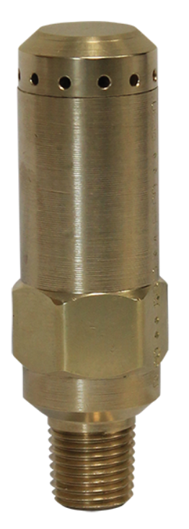 | 1/4" M.NPT |  | 1.17 - 41.36 Bar | ECI | -196°C to +74°C | Oxygen Nitrogen Argon Helium Hydrogen CO2 Natural Gas Air N2O | Use Candy Cane ! Oxygen Nitrogen Argon CO2 LNG N2O |  | Substantial reduction of discharge noise

Noise Reduction Relief Valve NR Series- Brass Body and Valve Material
NR9432F | 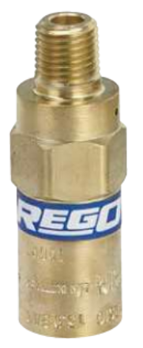 | 1/4" M.NPT |  | 1.17 - 41.36 Bar | ECI | -196°C to +74°C | Oxygen Nitrogen Argon Helium Hydrogen CO2 Natural Gas Air N2O | Use Candy Cane ! Oxygen Nitrogen Argon CO2 LNG N2O |  | 50% reductoin in outlet noise related to standard relief valve. Seat Material Fluorosilicone
NR9432T |  | 1/4" M.NPT |  |  | ECI |  |  |  |  | 50% reductopn in outlet noise related to standard relief valve. Seat Material PTFE

Cryogenic Gas Relief Valves, ASME B-19434B Series
B-19434B |  | 1/2" M.NPT | 1/2" F.NPT | 235 to 375 PSI | ECI | -51°C to +74°C | Oxygen Nitrogen Argon Helium Hydrogen Natural Gas Air | None | ASME rated. certified | When the pressure increases beyond a predetermined point, the valve opens to its full discharge Capacity in order to quickly reduce excess pressure.

Cryogenic Gas Relief Valve, ASME C-19434B Series
C-19434B | 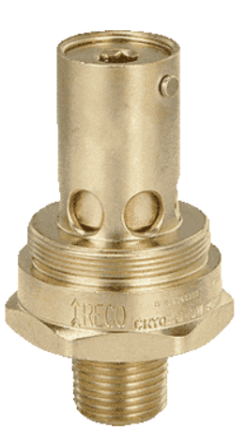 | 1/2" M.NPT | 1" F.NPT | 250 to 375 PSI | ECI | -40°C to +74°C | CO2 N2O | LCO2 | ASME rated. certified | Designed for use with Carbon Di Oxide Seat disc: EPDM Synthetic Rubber

Carbon Dioxide Relief Valve, ASME UA3149A Series
UA3149A | 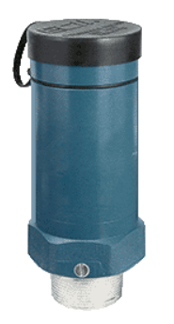 | 2-1/2" M.NPT | 3" F.NPT | 20 Bar to 24.7 Bar | ECI | -40°C to +29°C | CO2 | LCO2

PRV Series (Air Service)
PRV250BR | 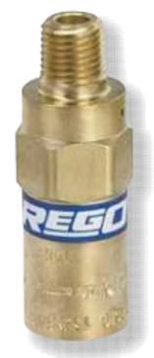 | 1/4" M.NPT |  | 17-600 PSI | ECI | -196°C to +74°C | Air | None
PRV250B |  | 1/4" M.NPT
PRV500BR |  | 1/2" M.NPT
PRV500B |  | 1/2" M.NPT

9400
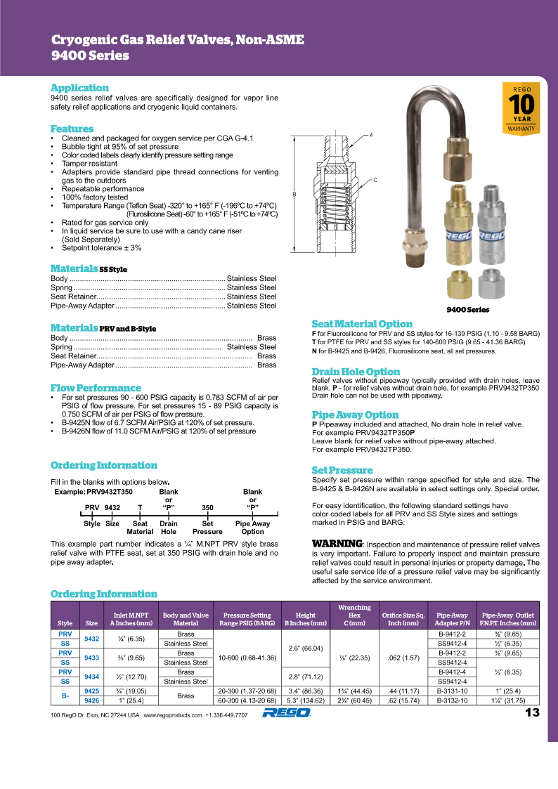
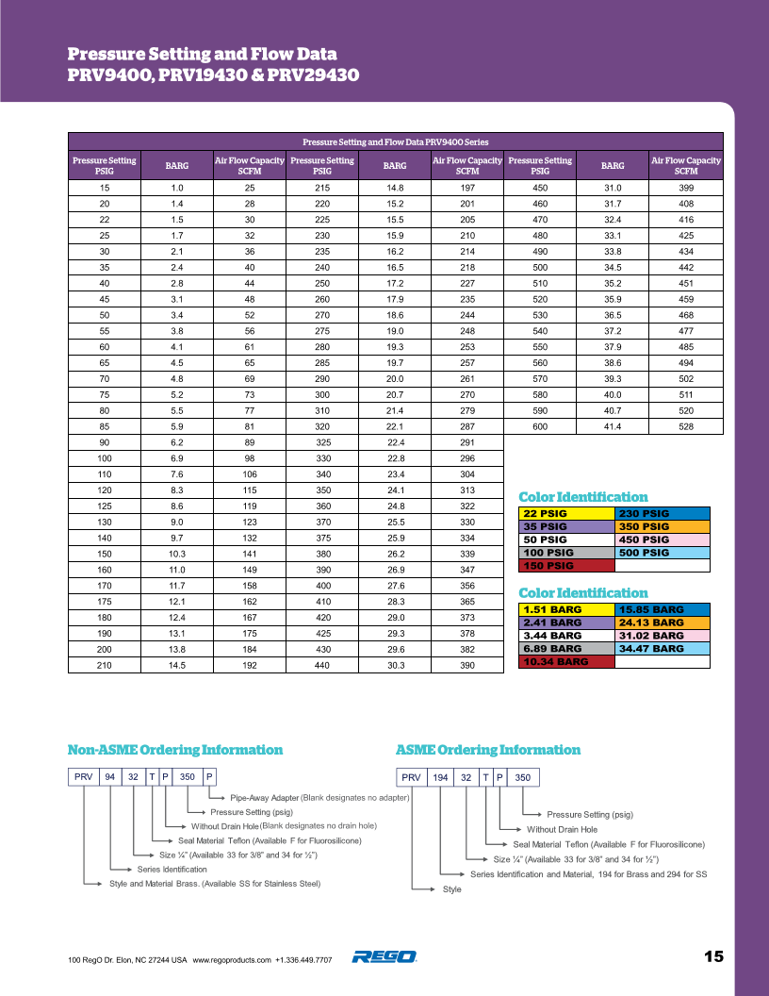
Back to Overview

NG-900
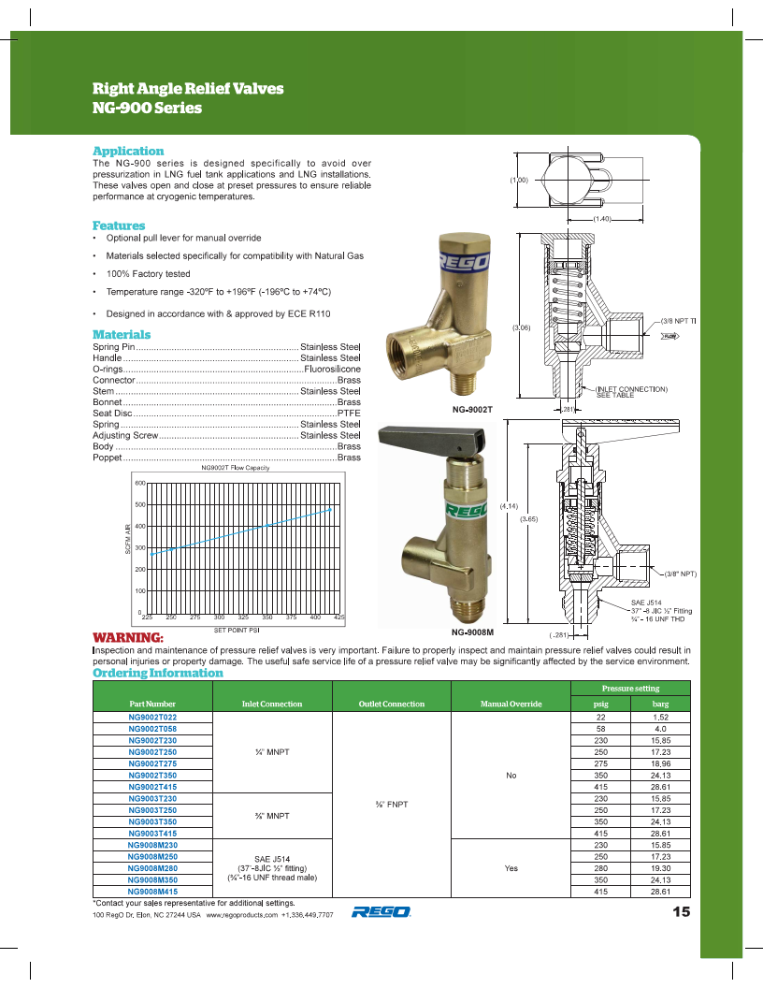
Back to Overview

AR4100
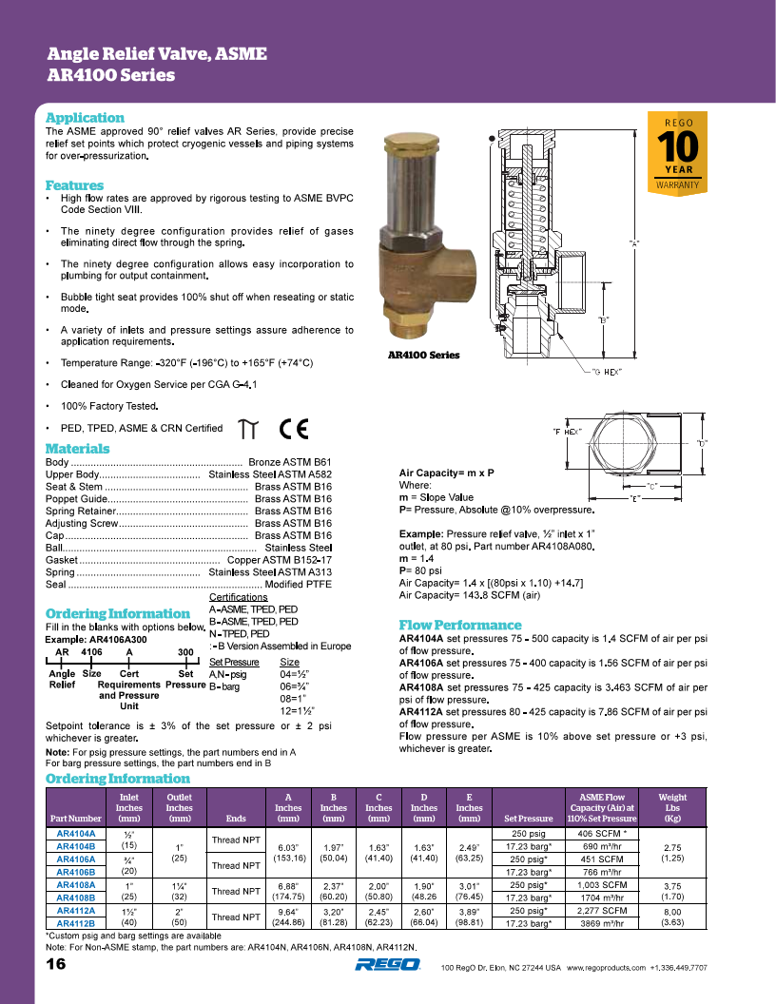
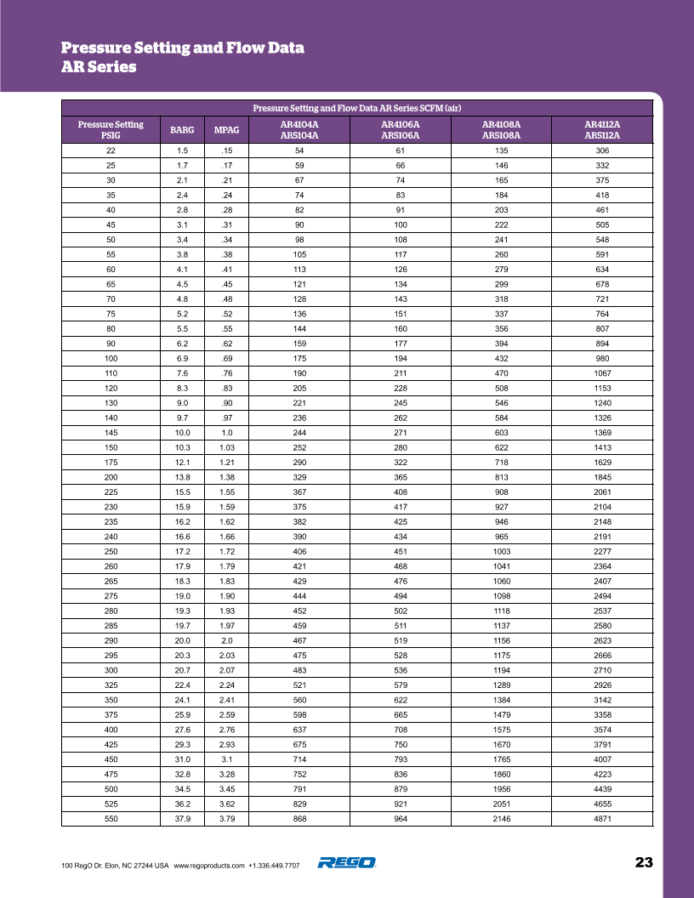
Back to Overview

AR5100
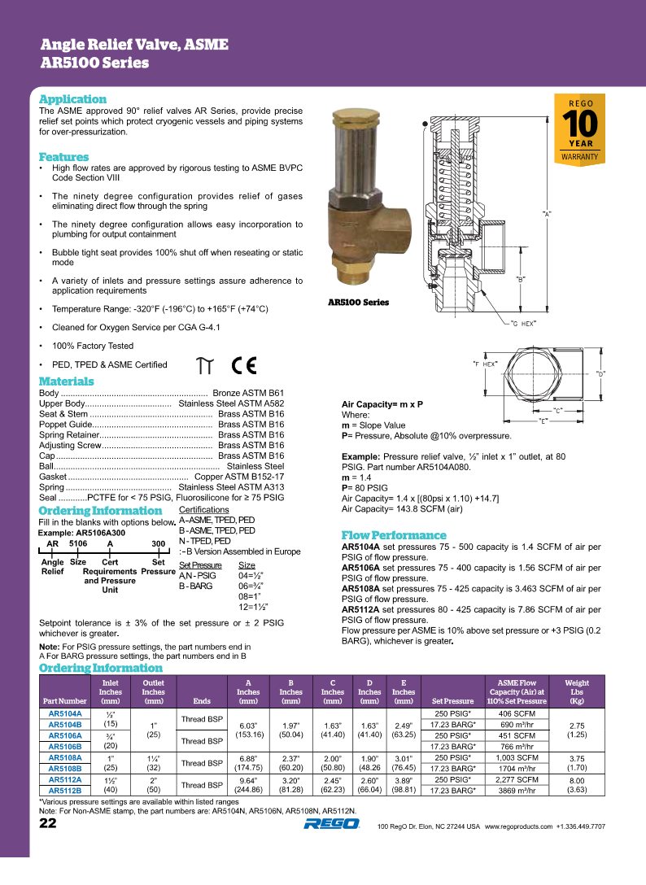
Back to Overview

Candy Cane
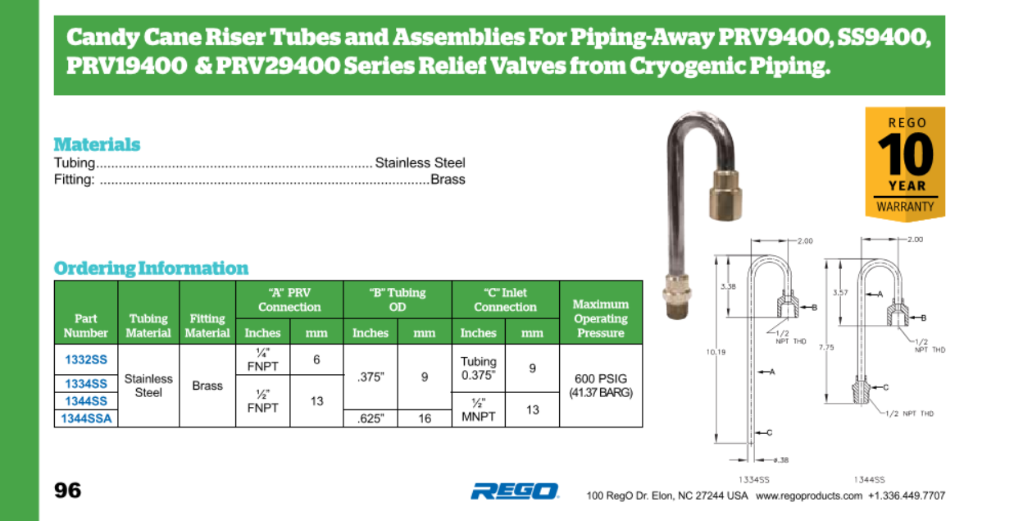

Back to Overview

B-19434B
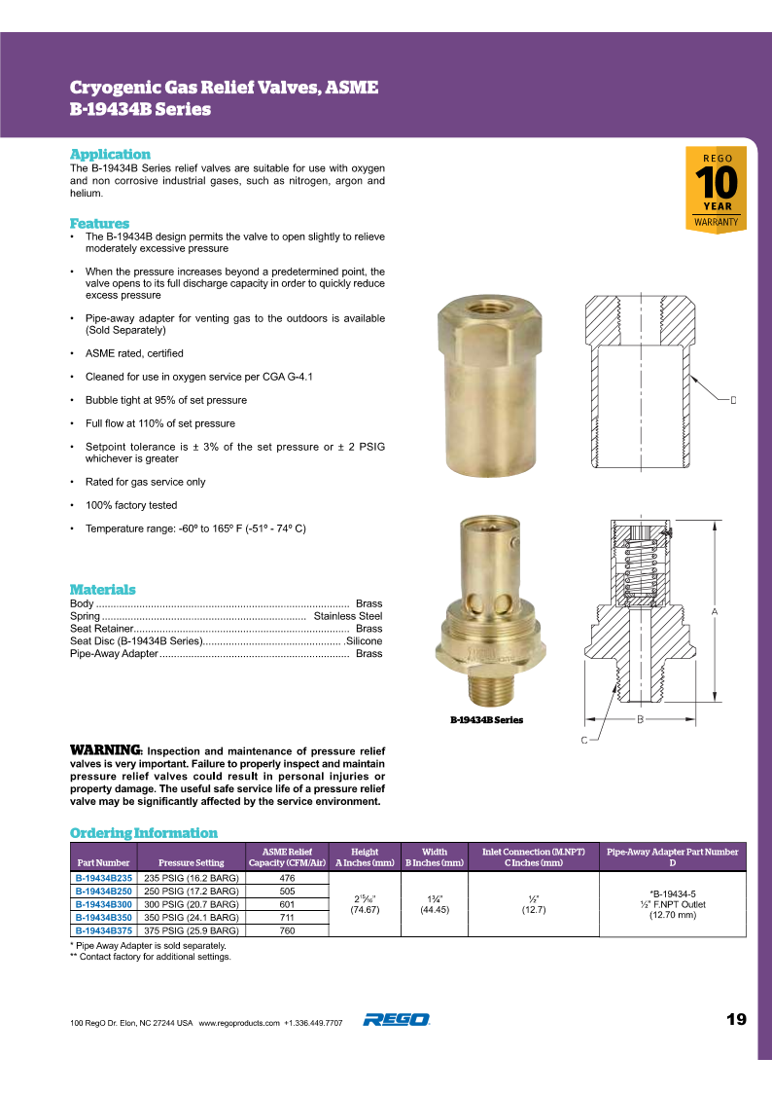

C-19434B
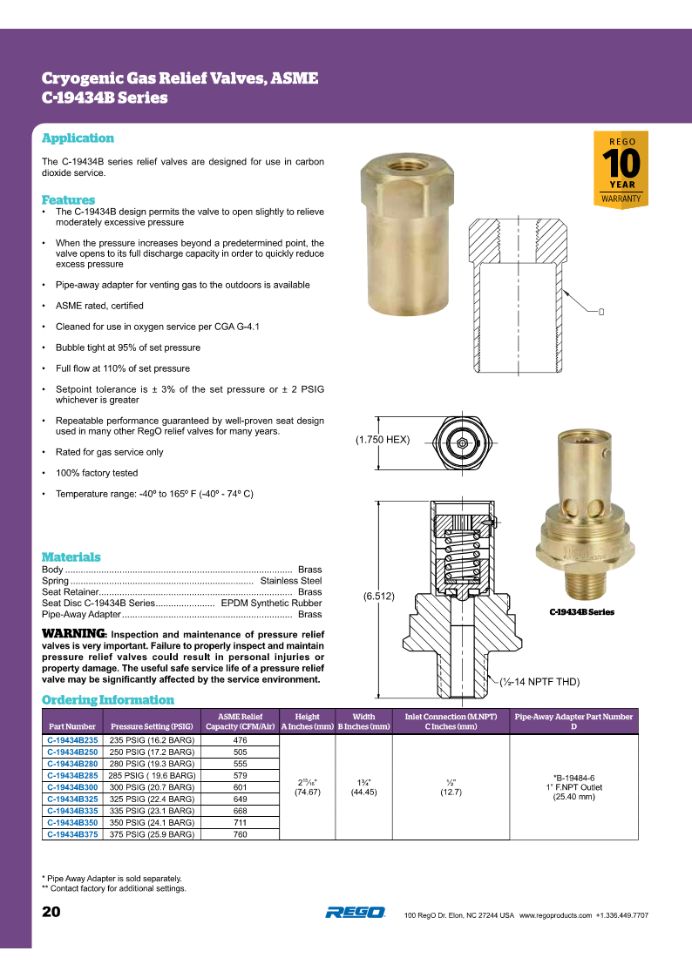

NR
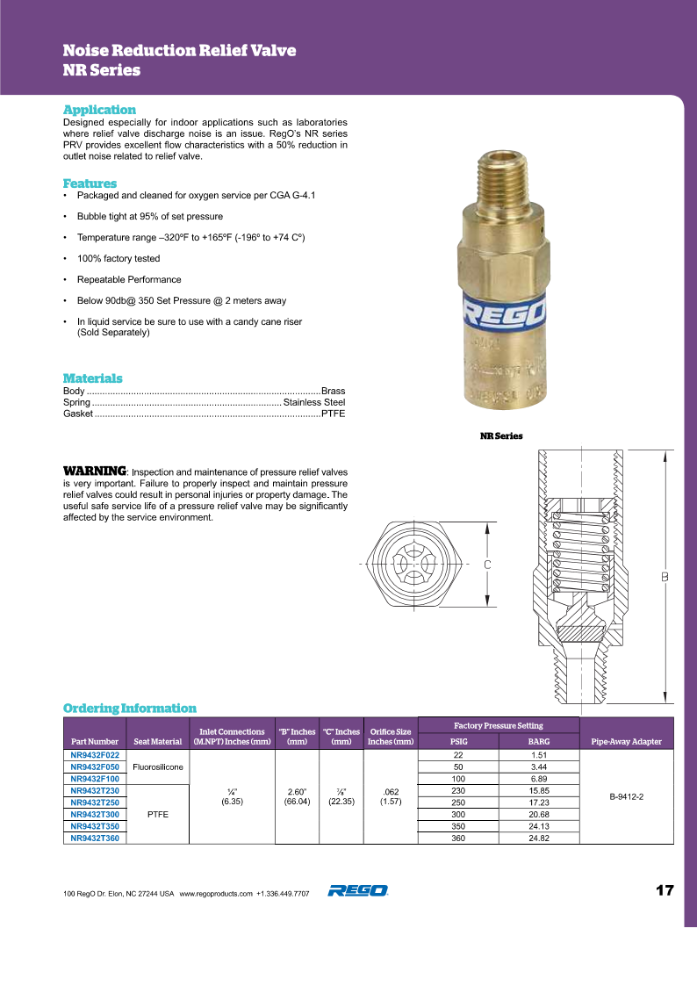

NRF-9430
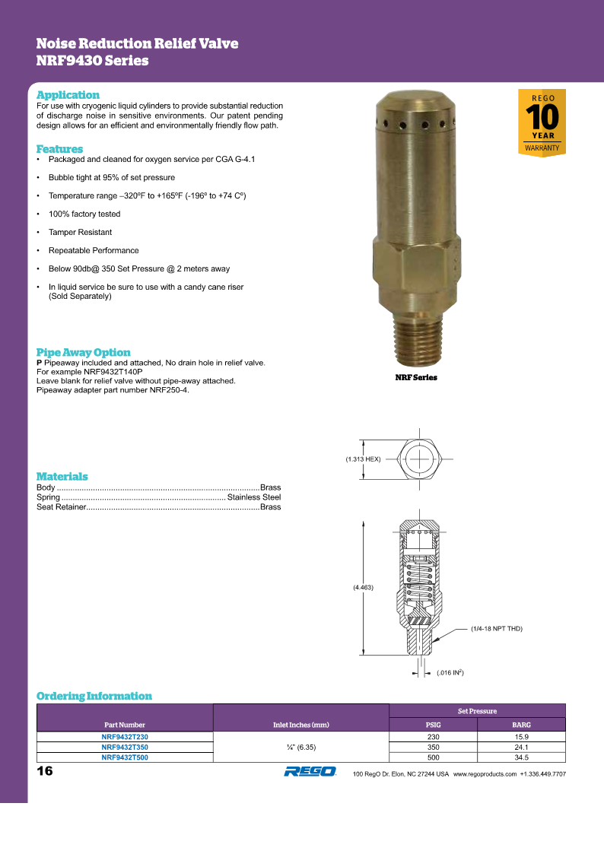

UA3149A
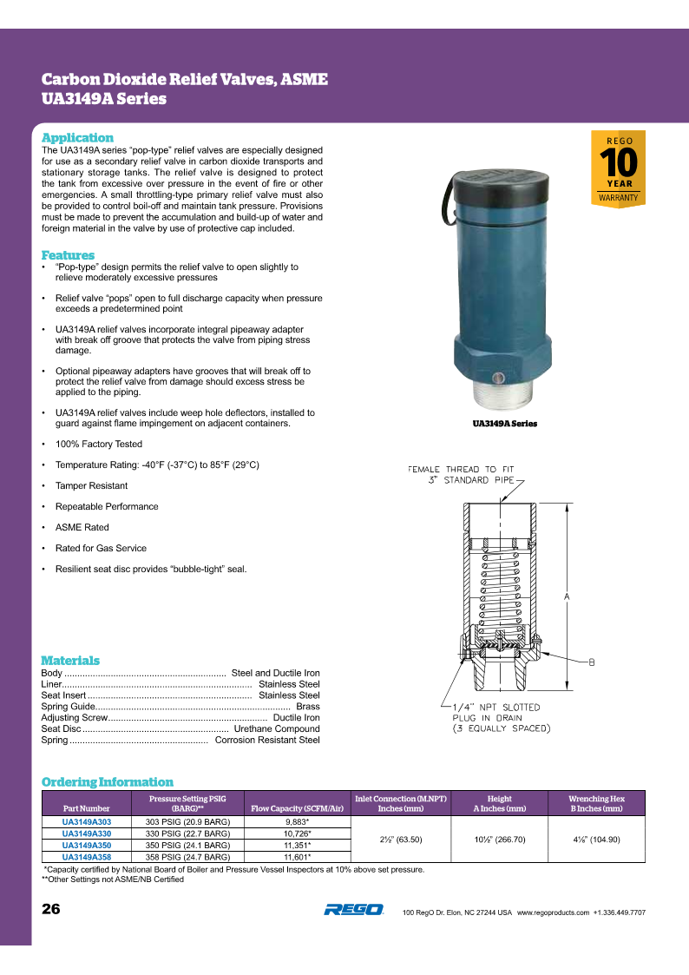

PRV
