Overview
Rego Short Stem Valves
Version 9-12-2020

Standard colours for Cylinders and Microbulk | Silver colour is for Venting Line | Blue colour is for Liquid Line | Green colour is for Gasous Line | Red colour is for LNG Line
How to order the different handwheels to the valve | T9452S = Silver | T9452B = Blue | T9452G = Green | T9452R = Red
Maximum Working Pressure | 42 Bar
Temperature Range | -196°C to +74°C
Low Flow Applications | Liquid Cylinder / Micro Bulk / Bulk Tank / Trailer / Manifold / Tapping Point
Medium: Gasous & Liquid | Nitrogen / Oxygen / Argon / Helium / CO2 / Air / Natural Gas / LNG
Certification | PED / TPED / E4-110R (automotive) / EN-1626

 | Inch | mm
Calculator Inch to mm | 3.41 | 86.614

Product Picture | RegO Part Nr. | Inlet Connection | Outlet Connection | Remarks
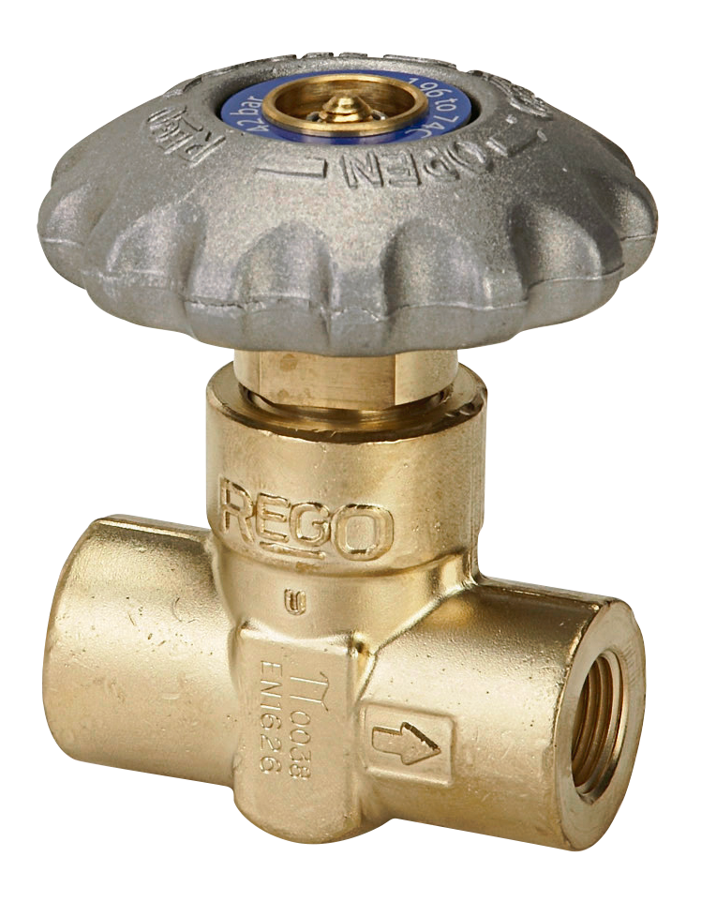 Click picture for more info | T9452 | 1/4" F.NPT | 1/4" F.NPT
 | T9453 | 3/8" F.NPT | 3/8" F.NPT
 | T9454 | 1/2" F.NPT | 1/2" F.NPT

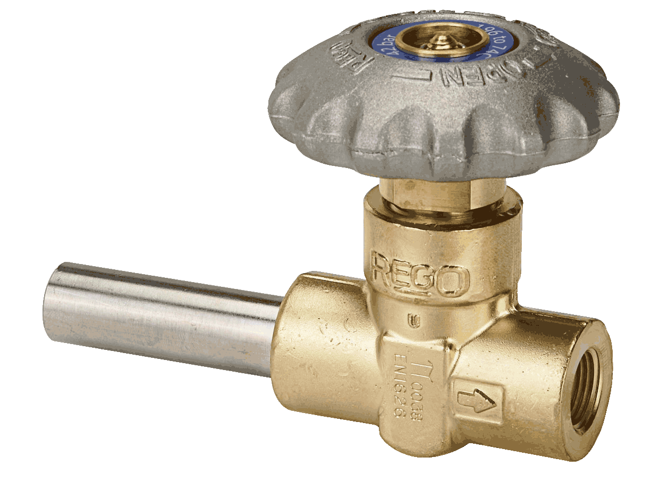 Click picture for more info | T9464ADA | Tube Outside Diameter Ø 0.675" | 3/8" F.NPT | Length of Pipe Stub Inlet = 86.7mm
 | T9464ADAB
 | T9464ADAG
 | T9464ADAS

 | T9464BADA | Tube Outside Diameter Ø 0.675" | 1/2" BSP Tapered | Length of Pipe Stub Inlet = 86.7mm
 | T9464BADAB
 | T9464BADAG

 | T9464BDA | Tube Outside Diameter Ø 0.675" | 1/2" BSP Tapered | Length of Pipe Stub Inlet = 54.9mm
 | T9464BDAB
 | T9464BDAG

 | T9464CA | Tube Outside Diameter Ø 0.675" | 3/8" NPT | Length of Pipe Stub Inlet = 29.5mm
 | T9464CAG
 | T9464CAR
 | T9464CAS
Click picture for more info | T9464DA | Tube Outside Diameter Ø 0.675" | 3/8" NPT | Length of Pipe Stub Inlet = 54.9mm
 | T9464DAB
 | T9464DAG
 | T9464DAS

 | T9464EA | Tube Outside Diameter Ø 0.675" | 3/8" NPT | Length of Pipe Stub Inlet = 73.0mm
 | T9464EAB

 | T9464GCAG | Tube Outside Diameter Ø 0.675" | 1/2" NPT | Length = 29.5mm
 | T9464GDAS |  |  | Length = 54.9mm
 | T9464GADAB |  |  | Length = 86.7mm

 | T9464HB50 | Tube Outside Diameter Ø 0.675" | 3/8" NPT | Length = 50.0mm
 | T9464HB70 |  |  | Length = 70.0mm

 | T9464PADA | Tube Outside Diameter Ø 0.675" | 1/2" BSP Parallel | Length of Pipe Stub Inlet = 86.7mm
 | T9464PADAB
 | T9464PADAG

 | T9464PDA | Tube Outside Diameter Ø 0.675" | 1/2" BSP Parallel | Length of Pipe Stub Inlet = 54.9mm
 | T9464PDAB
 | T9464PDAG

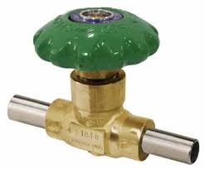 Click picture for more info | T9464CCAG | Tube Outside Diameter Ø 0.675" | Outside Diameter Ø 0.675" | Length of Pipe Stubs Inlet = 29.5mm oulet = 29.5mm

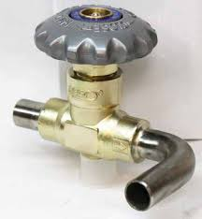 Click picture for more info | T9464LAS | Tube Outside Diameter Ø 0.675" | Bent Tube - Ø 0.675"

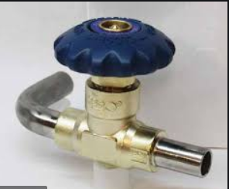 Click picture for more info | T9464LCB | Bent Tube - Ø 0.675" | Outside Diameter Ø 0.675"

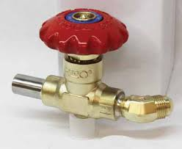 Click picture for more info | T9464LDR | Tube Outside Diameter Ø 0.675" | 1/2" Flared tube fitting 45 ° elbow

Click picture for more info | T9464LES | Tube Outside Diameter Ø 0.813" | 3/8" NPT

Click picture for more info | T9464LJS | Cross Outside Diameter Ø 0.675" + 2x connection 1/4" M.NPT | 1/2" Flared Tube Fitting 37°
Click picture for more info | T9464LES | Cross Outside Diameter Ø 0.675" + 2x connection 1/4" M.NPT | 3/8" NPT

ES Series
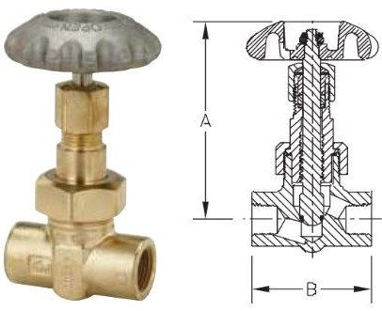 Click picture for more info | ES8452 | 1/4" F.NPT | 1/4" F.NPT | TES8452 = Grafoil
 | ES8453 | 3/8" F.NPT | 3/8" F.NPT | TES8453 = Grafoil
 | ES8454 | 1/2" F.NPT | 1/2" F.NPT | TES8454 = Grafoil
 | ES8454B | 1/2" F.NPT | 1/2" F.NPT | TES8454B = Grafoil
 | ES8454G | 1/2" F.NPT | 1/2" F.NPT | TES8454G = Grafoil

BK Series
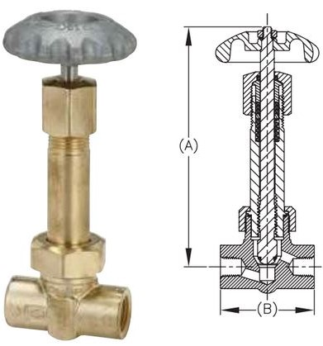 Click picture for more info | BK 9452 | 1/4" F.NPT | 1/4" F.NPT
 | BK 9453 | 3/8" F.NPT | 3/8" F.NPT
 | BK 9454 | 1/2" F.NPT | 1/2" F.NPT
Click picture for more info | BK 9453FA | Tube Outside Diameter Ø 5/8" | 3/8" F.NPT
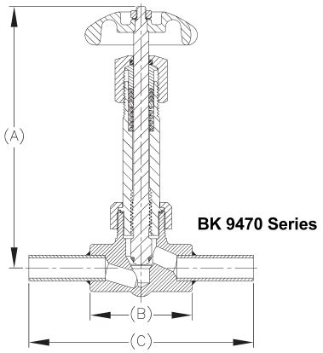 Click picture for more info | BK 9475A SS Pipe Stubs | Tube Outside Diameter Ø 5/8" | 5/8" OD Tubing | Height A = 165mm Dimension B = 63mm Dimension C = 140mm

Retrofit Spindle - RegO Short Stem Valves
Click picture for more info | ES8450R Retrofit Spindle |  |  | Suitable to provide Short Stem Valves type: 9450 and 9460 with an Extended Stem
Click picture for more info | BK 9450R Retrofit Spindle |  |  | Suitable to provide Short Stem Valves type: 9450 and 9460 with an Extended Stem

Spare Parts for Short Stem Valves
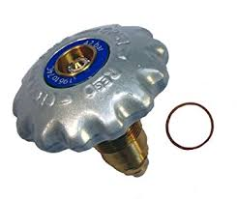 | T00946480 | Silver handwheel
 | T00946480-B | Blue handwheel
 | T00946480-G | Green handwheel
 | T00946480-R | Red handwheel

Special Cylinder & Microbulk Valve-Models
Product Picture | RegO Part Nr. | Inlet Connection | Outlet Connection | Remarks

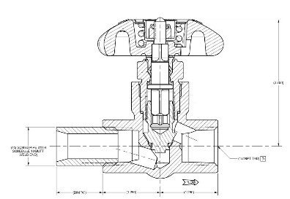 Click picture for more info | T9454G2S | Pipe Stub 1/2" Pipe SCH.80 Butt Weld End SCH.10 Length = 2" | 1/2" F.NPT | Pipe Stubs Available Lengths: T9454G1S - L = 1" T9454G2S - L = 2" T9454G3S - L = 3" T9454G4S - L = 4" T9454G5S - L = 5" Also in Blue/Green/Red
 | T9454G2B
 | T9454G2G
 | T9454G2R

Click picture for more info | T9464EE | Pipe Stub Ø 1/2" Pipe SCH.10 Wall thickness Ø0.84 Butt Weld End SCH.10 | Pipe Stub Ø 1/2" Pipe SCH.10 Wall thickness Ø0.84 Butt Weld End SCH.10 | Pipe Stub Lengths: Inlet L = 1.50" Outlet L = 1.50"
 | T9464EEB
 | T9464EEG
 | T9464EER

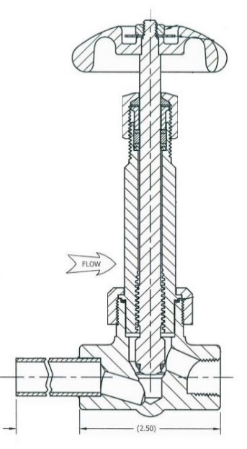 Click picture for more info | TBK9452 | 1/4" F.NPT | 1/4" F.NPT
 | TBK9453 | 3/8" F.NPT | 3/8" F.NPT
 | TBK9453ADA | Tube Outside Diameter Ø 5/8" SCH.10 | 3/8" F.NPT | Length of Pipe Stub Inlet = 86.7mm
 | TBK9453ADAB
 | TBK9453ADAG
 | TBK9454 | 1/2" F.NPT | 1/2" F.NPT
 | TBK9454ADA | Tube Outside Diameter Ø 3/8" SCH.10 | 1/2" F.NPT | Length of Pipe Stub Inlet = 86.7mm
 | TBK9454ADAB
 | TBK9454ADAG

Click picture for more info | TBK9454G2B | Pipe Stub Ø 1/2" Pipe SCH.80 Butt Weld End SCH.10 Length = 2" | 1/2" F.NPT | Pipe Stubs Available Lengths: TBK9454G1B - L = 1" TBK9454G2B - L = 2" TBK9454G3B - L = 3" TBK9454G4B - L = 4" TBK9454G5B - L = 5" TBK9454G6B - L = 6" Also in Green & Red

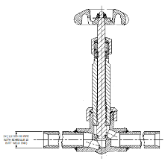 Click picture for more info | TBK9454H2B | Pipe Stub Ø 1/2" Pipe SCH.80 Butt Weld End SCH.10 Length = 2" | Pipe Stub Ø 1/2" Pipe SCH.80 Butt Weld End SCH.10 Length = 2" | Pipe Stubs Available Lengths: TBK9454H1B - L = 1" TBK9454H2B - L = 2" TBK9454H3B - L = 3" TBK9454H4B - L = 4" TBK9454H5B - L = 5" TBK9454H6B - L = 6" Also in Silver
 | TBK9454H2G
 | TBK9454H2R

T9450 & T9460 Series
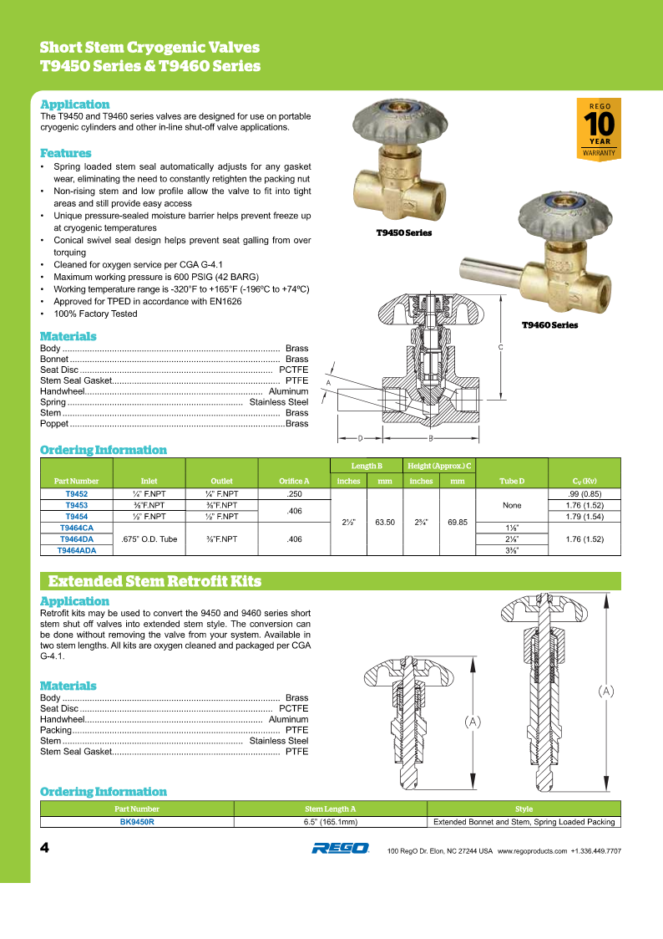
Back to Overview

T9464CCAG
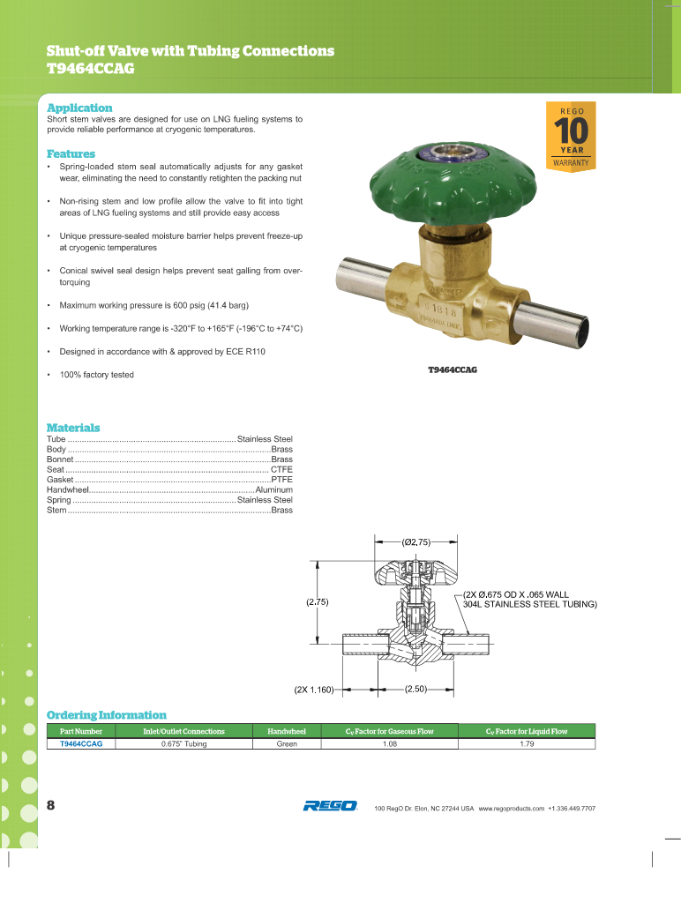
Back to Overview

T9464LAS & T9464LCB
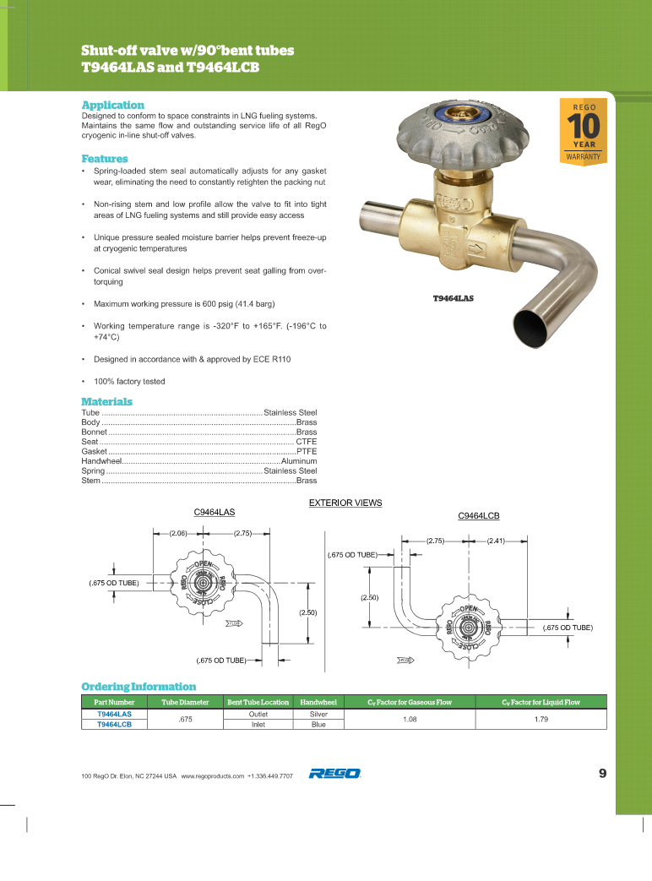
Back to Overview

Back to Overview

T9464LDR & T9464LES
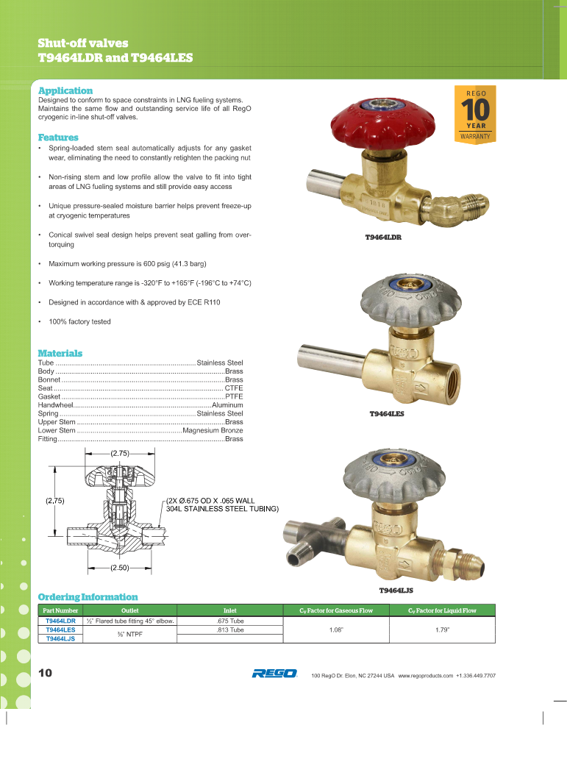
Back to Overview

Back to Overview

T9464EE
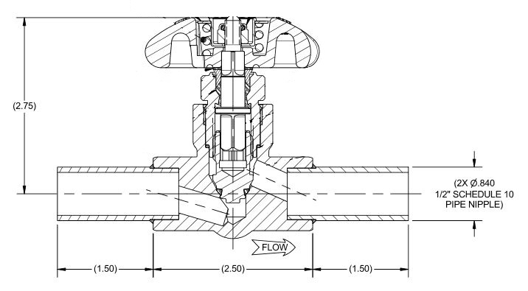
Back to Overview

T9454G Series
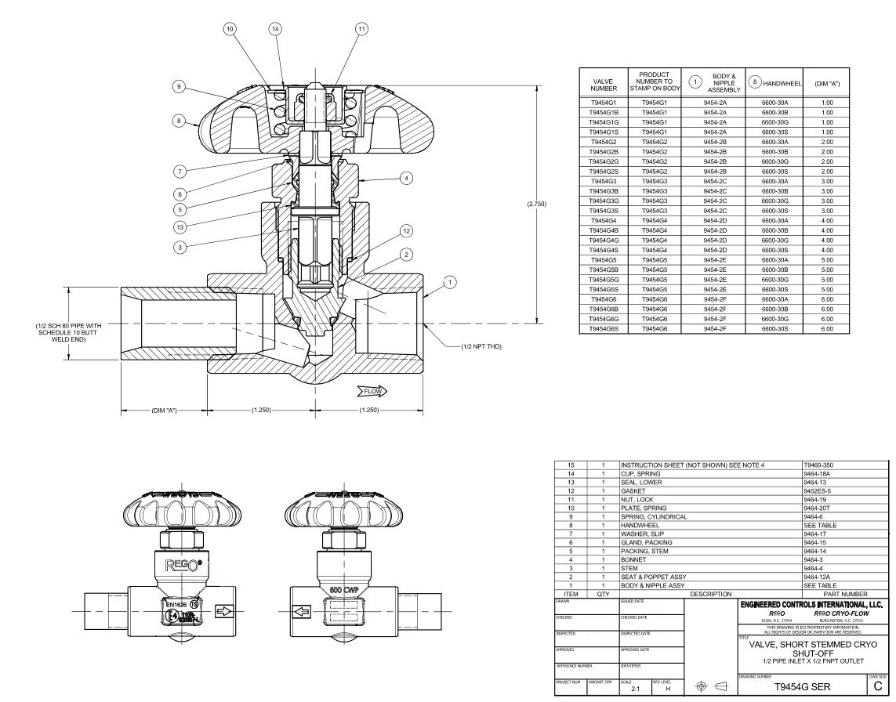
Back to Overview

ES8450 Series
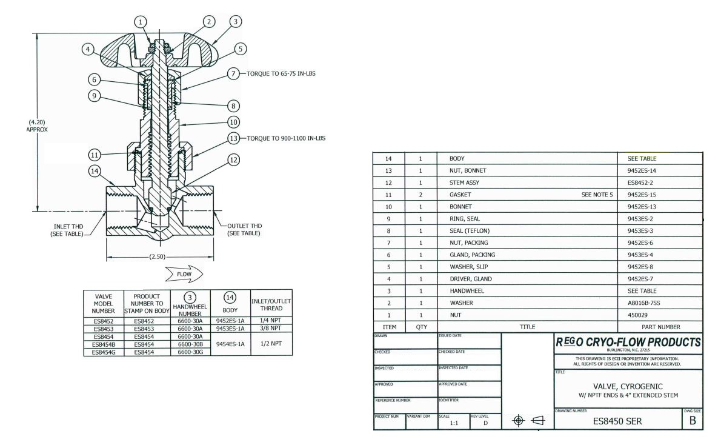

Back to Overview

ES+BK Series
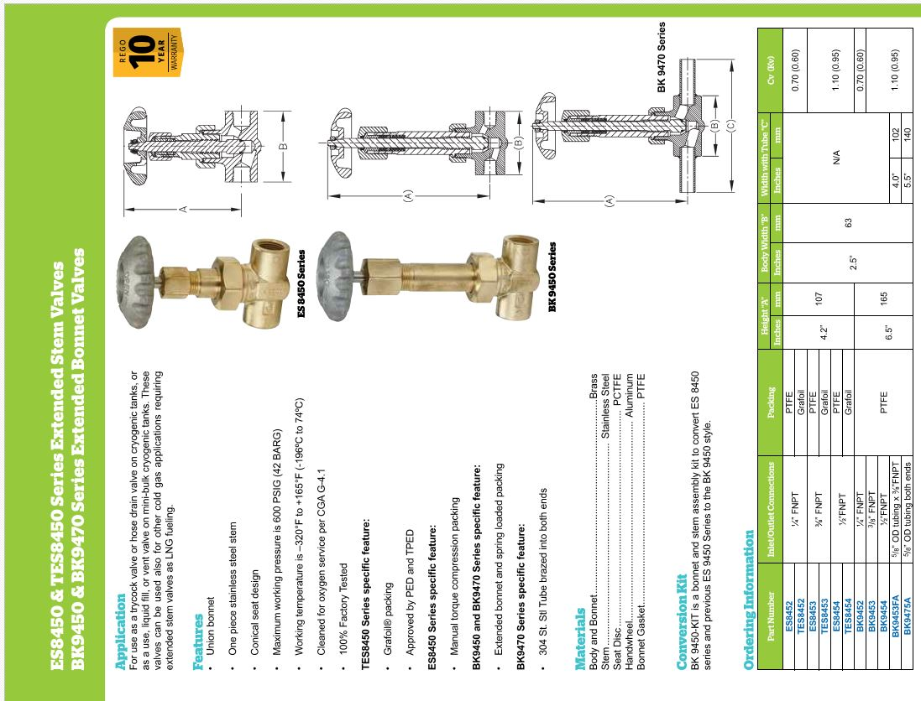
Back to Overview

Back to Overview

Retrofit Spindles ES8450R 9450R
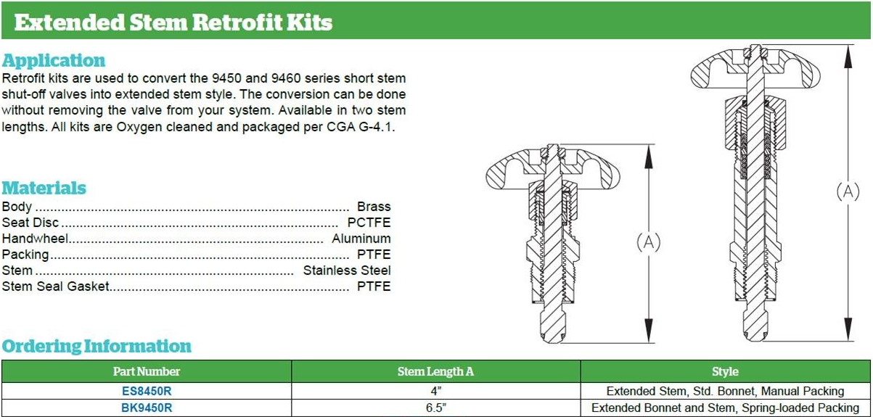
Back to Overview

TBK 9450 Series
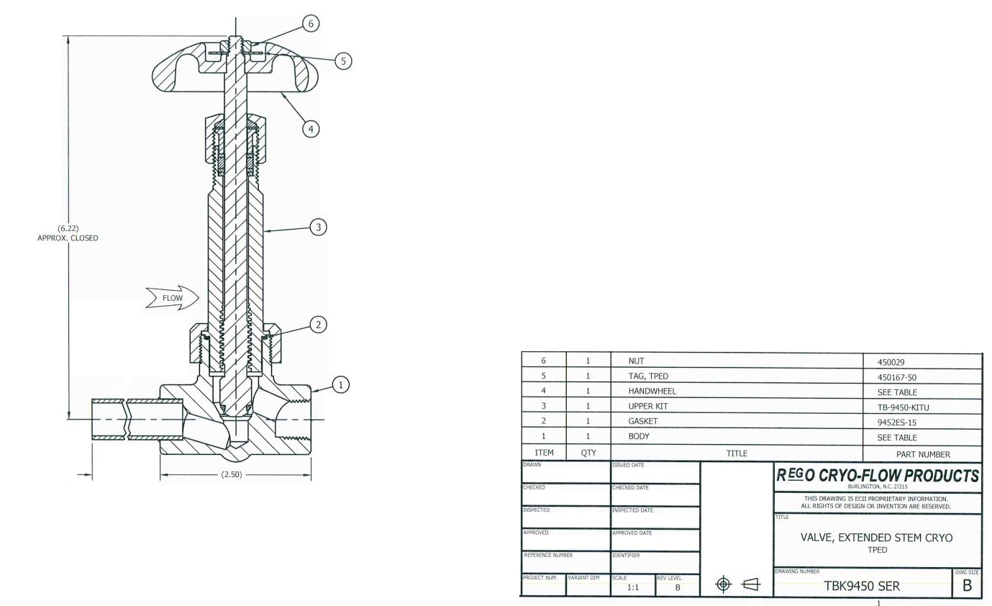

Back to Overview

TBK9454G Ser
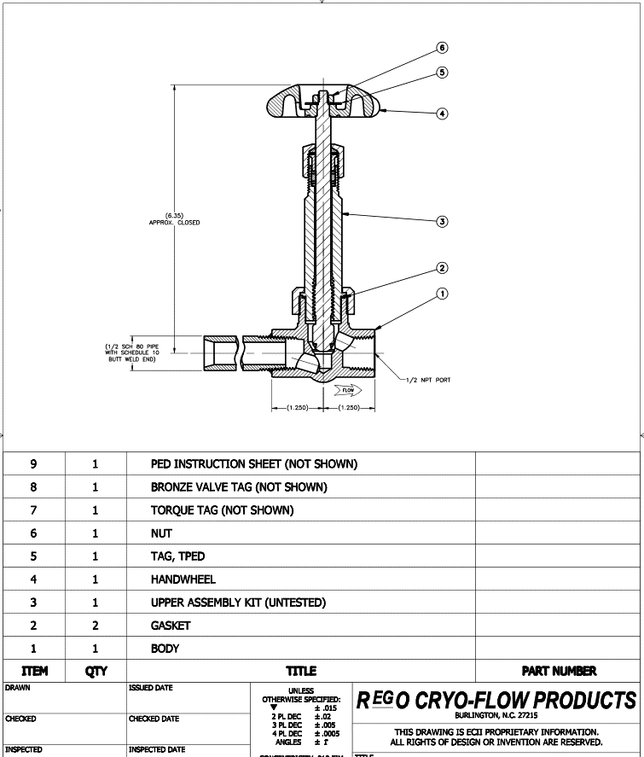
Back to Overview

TBK9454H Ser
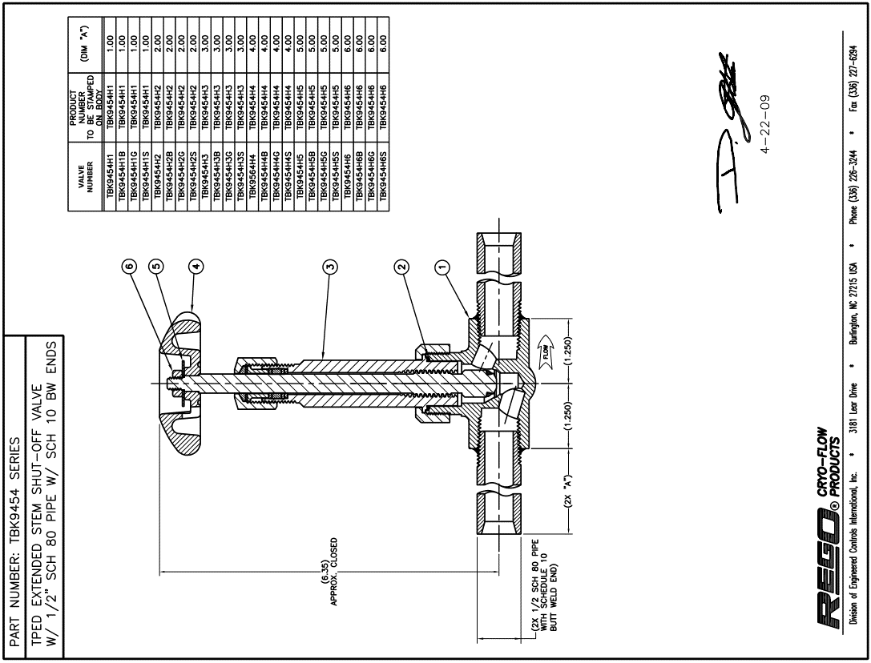

Back to Overview

